CSNK1D _multivariate
Reported by Tex Li-Hsing Chi. tex@gate.sinica.edu.tw 2019-08-20

Table 2. The clinicopathological features of HNSCC cohort and CSNK1D expression. (Chi square test)
Cutoff at -0.043 (51.2%)
 |  | CSNK1D expression |  | CSNK1D expression |  | (Optimised)
 | Features | Low | (%) | High | (%) | Case no | P-value | Remark | Matthews
Gender | Female | 151 | 36.4 | 155 | 37.3 | 415 | 0.2823 | 0 | 0
2 | Male | 61 | 14.7 | 48 | 11.6
Age at diagnosis | <=65y | 133 | 32 | 141 | 34 | 415 | 0.1797 | 0 | 0
4 | >65y | 79 | 19 | 62 | 14.9
Clinical T Status | T1+T2 | 75 | 18.1 | 74 | 17.8 | 415 | 0.8997 | 0 | 0
6 | T3+T4 | 137 | 33 | 129 | 31.1
Clinical N Status | N0 | 115 | 27.7 | 101 | 24.3 | 415 | 0.4138 | 1 | 0
8 | N1-3 | 97 | 23.4 | 102 | 24.6
Clinical M Status | M0 | 211 | 50.8 | 201 | 48.4 | 415 | 0.6161 | 0 | 0
10 | M1 | 1 | 0.2 | 2 | 0.5
Clinical Stage | Stage I+II | 51 | 12.3 | 51 | 12.3 | 415 | 0.8901 | 0 | 0
12 | Stage III+IV | 161 | 38.8 | 152 | 36.6
Surgical Margin status | Negative | 165 | 39.8 | 153 | 36.9 | 415 | 0.564 | 0 | 0
14 | Positive | 47 | 11.3 | 50 | 12
Tobacco Exposure | Low | 85 | 20.5 | 76 | 18.3 | 415 | 0.6149 | 0 | 0
16 | High | 127 | 30.6 | 127 | 30.6

Table 3. Univariate/Multivariate Cox's proportional hazards regression analyses on OS time of CSNK1D gene expression in HNSCC

 |  | Univariate |  |  |  | Multivariate
 | Features | HR | CI95%(L) | CI95%(H) | P-value | HR | CI95%(L) | CI95%(H) | P-value
1 | Female | 1 |  |  |  | 1
Gender | Male | 1.157 | 0.843 | 1.587 | 0.367 | 1.241 | 0.886 | 1.738 | 0.209
11 | <=65y | 1 |  |  |  | 1
Age at diagnosis | >65y | 1.329 | 0.99 | 1.784 | 0.058 | 1.419 | 1.044 | 1.929 | 0.026
12 | T1+T2 | 1 |  |  |  | 1
Clinical T Status | T3+T4 | 1.409 | 1.028 | 1.931 | 0.033 | 2.181 | 1.153 | 4.125 | 0.016
13 | N0 | 1 |  |  |  | 1
Clinical N Status | N1-3 | 1.185 | 0.89 | 1.577 | 0.246 | 1.212 | 0.849 | 1.73 | 0.29
14 | M0 | 1 |  |  |  | 1
Clinical M Status | M1 | 4.097 | 1.009 | 16.644 | 0.049 | 9.1 | 1.985 | 41.722 | 0.004
15 | Stage I+II | 1 |  |  |  | 1
Clinical Stage | Stage III+IV | 1.245 | 0.882 | 1.759 | 0.213 | 0.523 | 0.243 | 1.122 | 0.096
16 | Negative | 1 |  |  |  | 1
Surgical Margin status | Positive | 1.591 | 1.155 | 2.191 | 0.004 | 1.677 | 1.213 | 2.317 | 0.002
17 | Low | 1 |  |  |  | 1
Tobacco Exposure | High | 1.364 | 1.008 | 1.844 | 0.044 | 1.443 | 1.046 | 1.99 | 0.026
18 | Low | 1 |  |  |  | 1
RNAseq(z-score) | High | 1.348 | 1.01 | 1.797 | 0.042 | 1.364 | 1.019 | 1.825 | 0.037

Table 4. Univariate/Multivariate Cox's proportional hazards regression analyses on RFS time of CSNK1D gene expression in HNSCC

 |  | Univariate |  |  |  | Multivariate
 | Features | HR | CI95%(L) | CI95%(H) | P-value | HR | CI95%(L) | CI95%(H) | P-value
1 | Female | 1 |  |  |  | 1
Gender | Male | 1.157 | 0.843 | 1.587 | 0.367 | 1.241 | 0.886 | 1.738 | 0.209
11 | <=65y | 1 |  |  |  | 1
Age at diagnosis | >65y | 1.329 | 0.99 | 1.784 | 0.058 | 1.419 | 1.044 | 1.929 | 0.026
12 | T1+T2 | 1 |  |  |  | 1
Clinical T Status | T3+T4 | 1.409 | 1.028 | 1.931 | 0.033 | 2.181 | 1.153 | 4.125 | 0.016
13 | N0 | 1 |  |  |  | 1
Clinical N Status | N1-3 | 1.185 | 0.89 | 1.577 | 0.246 | 1.212 | 0.849 | 1.73 | 0.29
14 | M0 | 1 |  |  |  | 1
Clinical M Status | M1 | 4.097 | 1.009 | 16.644 | 0.049 | 9.1 | 1.985 | 41.722 | 0.004
15 | Stage I+II | 1 |  |  |  | 1
Clinical Stage | Stage III+IV | 1.245 | 0.882 | 1.759 | 0.213 | 0.523 | 0.243 | 1.122 | 0.096
16 | Negative | 1 |  |  |  | 1
Surgical Margin status | Positive | 1.591 | 1.155 | 2.191 | 0.004 | 1.677 | 1.213 | 2.317 | 0.002
17 | Low | 1 |  |  |  | 1
Tobacco Exposure | High | 1.364 | 1.008 | 1.844 | 0.044 | 1.443 | 1.046 | 1.99 | 0.026
18 | Low | 1 |  |  |  | 1
RNAseq(z-score) | High | 1.348 | 1.01 | 1.797 | 0.042 | 1.364 | 1.019 | 1.825 | 0.037

Kaplan-Meier survival estimate: Cutoff at -0.043 (51.2%)



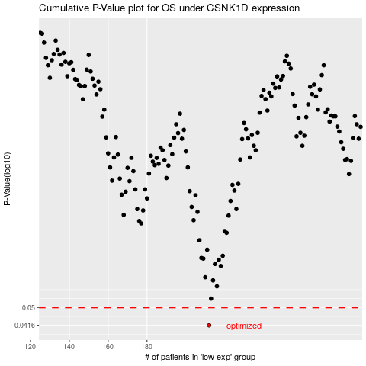

 |  |  |  |  |  | cases_OS | p_OS | rank | exp
 |  |  |  |  |  | 212 | 0.0416 | 97 | -0.042788174886
 |  |  |  |  |  |  | cases_RFS | p_RFS | rank | exp
 |  |  |  |  |  |  | 211 | 0.0416 | 245 | -0.052592924102

