CSNK1G2 _multivariate
Reported by Tex Li-Hsing Chi. tex@gate.sinica.edu.tw 2019-08-20

Table 2. The clinicopathological features of HNSCC cohort and CSNK1G2 expression. (Chi square test)
Cutoff at 0.427 (69.6%)
 |  | CSNK1G2 expression |  | CSNK1G2 expression |  | (Optimised)
 | Features | Low | (%) | High | (%) | Case no | P-value | Remark | Matthews
Gender | Female | 207 | 49.9 | 99 | 23.9 | 415 | 0.1748 | 0 | 0
2 | Male | 82 | 19.8 | 27 | 6.5
Age at diagnosis | <=65y | 192 | 46.3 | 82 | 19.8 | 415 | 0.8763 | 0 | 0
4 | >65y | 97 | 23.4 | 44 | 10.6
Clinical T Status | T1+T2 | 112 | 27 | 37 | 8.9 | 415 | 0.085 | 0 | 0
6 | T3+T4 | 177 | 42.7 | 89 | 21.4
Clinical N Status | N0 | 157 | 37.8 | 59 | 14.2 | 415 | 0.1938 | 0 | 0
8 | N1-3 | 132 | 31.8 | 67 | 16.1
Clinical M Status | M0 | 286 | 68.9 | 126 | 30.4 | 415 | 0.5566 | 0 | 0
10 | M1 | 3 | 0.7 | 0 | 0
Clinical Stage | Stage I+II | 82 | 19.8 | 20 | 4.8 | 415 | 0.0094 | 1 | 0
12 | Stage III+IV | 207 | 49.9 | 106 | 25.5
Surgical Margin status | Negative | 223 | 53.7 | 95 | 22.9 | 415 | 0.7063 | 0 | 0
14 | Positive | 66 | 15.9 | 31 | 7.5
Tobacco Exposure | Low | 117 | 28.2 | 44 | 10.6 | 415 | 0.3244 | 0 | 0
16 | High | 172 | 41.4 | 82 | 19.8

Table 3. Univariate/Multivariate Cox's proportional hazards regression analyses on OS time of CSNK1G2 gene expression in HNSCC

 |  | Univariate |  |  |  | Multivariate
 | Features | HR | CI95%(L) | CI95%(H) | P-value | HR | CI95%(L) | CI95%(H) | P-value
1 | Female | 1 |  |  |  | 1
Gender | Male | 1.157 | 0.843 | 1.587 | 0.367 | 1.13 | 0.807 | 1.581 | 0.476
11 | <=65y | 1 |  |  |  | 1
Age at diagnosis | >65y | 1.329 | 0.99 | 1.784 | 0.058 | 1.458 | 1.07 | 1.987 | 0.017
12 | T1+T2 | 1 |  |  |  | 1
Clinical T Status | T3+T4 | 1.409 | 1.028 | 1.931 | 0.033 | 2.198 | 1.163 | 4.156 | 0.015
13 | N0 | 1 |  |  |  | 1
Clinical N Status | N1-3 | 1.185 | 0.89 | 1.577 | 0.246 | 1.286 | 0.9 | 1.836 | 0.167
14 | M0 | 1 |  |  |  | 1
Clinical M Status | M1 | 4.097 | 1.009 | 16.644 | 0.049 | 8.049 | 1.75 | 37.018 | 0.007
15 | Stage I+II | 1 |  |  |  | 1
Clinical Stage | Stage III+IV | 1.245 | 0.882 | 1.759 | 0.213 | 0.527 | 0.245 | 1.133 | 0.101
16 | Negative | 1 |  |  |  | 1
Surgical Margin status | Positive | 1.591 | 1.155 | 2.191 | 0.004 | 1.711 | 1.238 | 2.364 | 0.001
17 | Low | 1 |  |  |  | 1
Tobacco Exposure | High | 1.364 | 1.008 | 1.844 | 0.044 | 1.45 | 1.052 | 1.997 | 0.023
18 | Low | 1 |  |  |  | 1
RNAseq(z-score) | High | 0.703 | 0.504 | 0.981 | 0.038 | 0.649 | 0.461 | 0.915 | 0.014

Table 4. Univariate/Multivariate Cox's proportional hazards regression analyses on RFS time of CSNK1G2 gene expression in HNSCC

 |  | Univariate |  |  |  | Multivariate
 | Features | HR | CI95%(L) | CI95%(H) | P-value | HR | CI95%(L) | CI95%(H) | P-value
1 | Female | 1 |  |  |  | 1
Gender | Male | 1.157 | 0.843 | 1.587 | 0.367 | 1.13 | 0.807 | 1.581 | 0.476
11 | <=65y | 1 |  |  |  | 1
Age at diagnosis | >65y | 1.329 | 0.99 | 1.784 | 0.058 | 1.458 | 1.07 | 1.987 | 0.017
12 | T1+T2 | 1 |  |  |  | 1
Clinical T Status | T3+T4 | 1.409 | 1.028 | 1.931 | 0.033 | 2.198 | 1.163 | 4.156 | 0.015
13 | N0 | 1 |  |  |  | 1
Clinical N Status | N1-3 | 1.185 | 0.89 | 1.577 | 0.246 | 1.286 | 0.9 | 1.836 | 0.167
14 | M0 | 1 |  |  |  | 1
Clinical M Status | M1 | 4.097 | 1.009 | 16.644 | 0.049 | 8.049 | 1.75 | 37.018 | 0.007
15 | Stage I+II | 1 |  |  |  | 1
Clinical Stage | Stage III+IV | 1.245 | 0.882 | 1.759 | 0.213 | 0.527 | 0.245 | 1.133 | 0.101
16 | Negative | 1 |  |  |  | 1
Surgical Margin status | Positive | 1.591 | 1.155 | 2.191 | 0.004 | 1.711 | 1.238 | 2.364 | 0.001
17 | Low | 1 |  |  |  | 1
Tobacco Exposure | High | 1.364 | 1.008 | 1.844 | 0.044 | 1.45 | 1.052 | 1.997 | 0.023
18 | Low | 1 |  |  |  | 1
RNAseq(z-score) | High | 0.703 | 0.504 | 0.981 | 0.038 | 0.649 | 0.461 | 0.915 | 0.014

Kaplan-Meier survival estimate: Cutoff at 0.427 (69.6%)

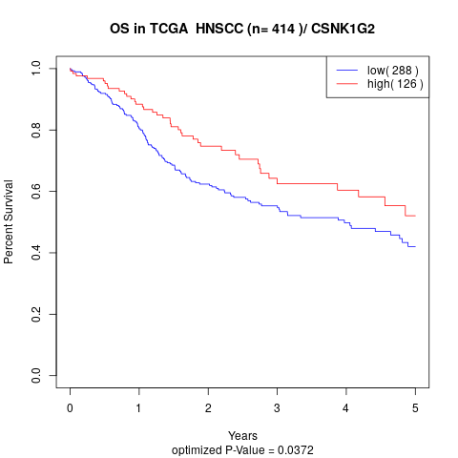

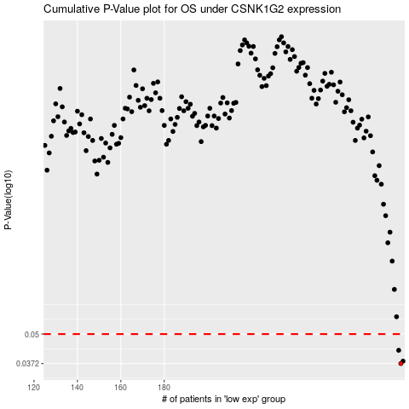

 |  |  |  |  |  | cases_OS | p_OS | rank | exp
 |  |  |  |  |  | 289 | 0.0372 | 173 | 0.42678891291
 |  |  |  |  |  | 290 | 0.0381 | 243 | 0.43799337608
 |  |  |  |  |  | 288 | 0.0425 | 226 | 0.42291790469
 |  |  |  |  |  |  | cases_RFS | p_RFS | rank | exp
 |  |  |  |  |  |  | 288 | 0.0372 | 226 | 0.42291790469
 |  |  |  |  |  |  | 289 | 0.0381 | 173 | 0.42678891291
 |  |  |  |  |  |  | 287 | 0.0425 | 289 | 0.41162463877

