CSNK2A1P _multivariate
Reported by Tex Li-Hsing Chi. tex@gate.sinica.edu.tw 2019-08-20

Table 2. The clinicopathological features of HNSCC cohort and CSNK2A1P expression. (Chi square test)
Cutoff at 0.037 (49.8%)
 |  | CSNK2A1P expression |  | CSNK2A1P expression |  | (Optimised)
 | Features | Low | (%) | High | (%) | Case no | P-value | Remark | Matthews
Gender | Female | 154 | 37.1 | 152 | 36.6 | 415 | 0.8463 | 0 | 0
2 | Male | 53 | 12.8 | 56 | 13.5
Age at diagnosis | <=65y | 132 | 31.8 | 142 | 34.2 | 415 | 0.3874 | 0 | 0
4 | >65y | 75 | 18.1 | 66 | 15.9
Clinical T Status | T1+T2 | 82 | 19.8 | 67 | 16.1 | 415 | 0.1417 | 0 | 0
6 | T3+T4 | 125 | 30.1 | 141 | 34
Clinical N Status | N0 | 111 | 26.7 | 105 | 25.3 | 415 | 0.5875 | 0 | 0
8 | N1-3 | 96 | 23.1 | 103 | 24.8
Clinical M Status | M0 | 205 | 49.4 | 207 | 49.9 | 415 | 0.6232 | 0 | 0
10 | M1 | 2 | 0.5 | 1 | 0.2
Clinical Stage | Stage I+II | 58 | 14 | 44 | 10.6 | 415 | 0.131 | 0 | 0
12 | Stage III+IV | 149 | 35.9 | 164 | 39.5
Surgical Margin status | Negative | 148 | 35.7 | 170 | 41 | 415 | 0.015 | 1 | 0
14 | Positive | 59 | 14.2 | 38 | 9.2
Tobacco Exposure | Low | 81 | 19.5 | 80 | 19.3 | 415 | 0.9199 | 0 | 0
16 | High | 126 | 30.4 | 128 | 30.8

Table 3. Univariate/Multivariate Cox's proportional hazards regression analyses on OS time of CSNK2A1P gene expression in HNSCC

 |  | Univariate |  |  |  | Multivariate
 | Features | HR | CI95%(L) | CI95%(H) | P-value | HR | CI95%(L) | CI95%(H) | P-value
1 | Female | 1 |  |  |  | 1
Gender | Male | 1.157 | 0.843 | 1.587 | 0.367 | 1.172 | 0.837 | 1.64 | 0.356
11 | <=65y | 1 |  |  |  | 1
Age at diagnosis | >65y | 1.329 | 0.99 | 1.784 | 0.058 | 1.423 | 1.045 | 1.936 | 0.025
12 | T1+T2 | 1 |  |  |  | 1
Clinical T Status | T3+T4 | 1.409 | 1.028 | 1.931 | 0.033 | 2.262 | 1.195 | 4.282 | 0.012
13 | N0 | 1 |  |  |  | 1
Clinical N Status | N1-3 | 1.185 | 0.89 | 1.577 | 0.246 | 1.268 | 0.887 | 1.811 | 0.192
14 | M0 | 1 |  |  |  | 1
Clinical M Status | M1 | 4.097 | 1.009 | 16.644 | 0.049 | 9.885 | 2.153 | 45.384 | 0.003
15 | Stage I+II | 1 |  |  |  | 1
Clinical Stage | Stage III+IV | 1.245 | 0.882 | 1.759 | 0.213 | 0.474 | 0.22 | 1.023 | 0.057
16 | Negative | 1 |  |  |  | 1
Surgical Margin status | Positive | 1.591 | 1.155 | 2.191 | 0.004 | 1.753 | 1.261 | 2.437 | 0.001
17 | Low | 1 |  |  |  | 1
Tobacco Exposure | High | 1.364 | 1.008 | 1.844 | 0.044 | 1.451 | 1.053 | 2 | 0.023
18 | Low | 1 |  |  |  | 1
RNAseq(z-score) | High | 1.136 | 0.851 | 1.517 | 0.387 | 1.256 | 0.932 | 1.694 | 0.134

Table 4. Univariate/Multivariate Cox's proportional hazards regression analyses on RFS time of CSNK2A1P gene expression in HNSCC

 |  | Univariate |  |  |  | Multivariate
 | Features | HR | CI95%(L) | CI95%(H) | P-value | HR | CI95%(L) | CI95%(H) | P-value
1 | Female | 1 |  |  |  | 1
Gender | Male | 1.157 | 0.843 | 1.587 | 0.367 | 1.172 | 0.837 | 1.64 | 0.356
11 | <=65y | 1 |  |  |  | 1
Age at diagnosis | >65y | 1.329 | 0.99 | 1.784 | 0.058 | 1.423 | 1.045 | 1.936 | 0.025
12 | T1+T2 | 1 |  |  |  | 1
Clinical T Status | T3+T4 | 1.409 | 1.028 | 1.931 | 0.033 | 2.262 | 1.195 | 4.282 | 0.012
13 | N0 | 1 |  |  |  | 1
Clinical N Status | N1-3 | 1.185 | 0.89 | 1.577 | 0.246 | 1.268 | 0.887 | 1.811 | 0.192
14 | M0 | 1 |  |  |  | 1
Clinical M Status | M1 | 4.097 | 1.009 | 16.644 | 0.049 | 9.885 | 2.153 | 45.384 | 0.003
15 | Stage I+II | 1 |  |  |  | 1
Clinical Stage | Stage III+IV | 1.245 | 0.882 | 1.759 | 0.213 | 0.474 | 0.22 | 1.023 | 0.057
16 | Negative | 1 |  |  |  | 1
Surgical Margin status | Positive | 1.591 | 1.155 | 2.191 | 0.004 | 1.753 | 1.261 | 2.437 | 0.001
17 | Low | 1 |  |  |  | 1
Tobacco Exposure | High | 1.364 | 1.008 | 1.844 | 0.044 | 1.451 | 1.053 | 2 | 0.023
18 | Low | 1 |  |  |  | 1
RNAseq(z-score) | High | 1.136 | 0.851 | 1.517 | 0.387 | 1.256 | 0.932 | 1.694 | 0.134

Kaplan-Meier survival estimate: Cutoff at 0.037 (49.8%)

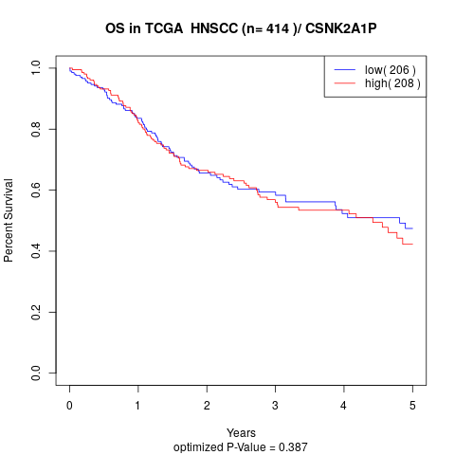

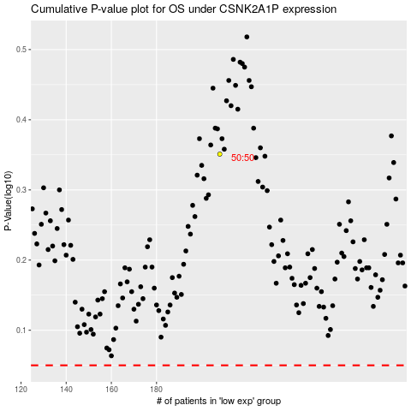

 |  |  |  |  |  | cases_OS | p_OS | rank | exp
 |  |  |  |  |  |  | cases_RFS | p_RFS | rank | exp

