CSNK2B _multivariate
Reported by Tex Li-Hsing Chi. tex@gate.sinica.edu.tw 2019-08-20

Table 2. The clinicopathological features of HNSCC cohort and CSNK2B expression. (Chi square test)
Cutoff at -0.184 (50.0%)
 |  | CSNK2B expression |  | CSNK2B expression |  | (Optimised)
 | Features | Low | (%) | High | (%) | Case no | P-value | Remark | Matthews
Gender | Female | 157 | 37.8 | 149 | 35.9 | 415 | 0.3881 | 0 | 0
2 | Male | 50 | 12 | 59 | 14.2
Age at diagnosis | <=65y | 138 | 33.3 | 136 | 32.8 | 415 | 0.8634 | 0 | 0
4 | >65y | 69 | 16.6 | 72 | 17.3
Clinical T Status | T1+T2 | 80 | 19.3 | 69 | 16.6 | 415 | 0.2891 | 0 | 0
6 | T3+T4 | 127 | 30.6 | 139 | 33.5
Clinical N Status | N0 | 103 | 24.8 | 113 | 27.2 | 415 | 0.4047 | 0 | 0
8 | N1-3 | 104 | 25.1 | 95 | 22.9
Clinical M Status | M0 | 206 | 49.6 | 206 | 49.6 | 415 | 1 | 0 | 0
10 | M1 | 1 | 0.2 | 2 | 0.5
Clinical Stage | Stage I+II | 52 | 12.5 | 50 | 12 | 415 | 0.8871 | 0 | 0
12 | Stage III+IV | 155 | 37.3 | 158 | 38.1
Surgical Margin status | Negative | 161 | 38.8 | 157 | 37.8 | 415 | 0.6429 | 0 | 0
14 | Positive | 46 | 11.1 | 51 | 12.3
Tobacco Exposure | Low | 80 | 19.3 | 81 | 19.5 | 415 | 1 | 0 | 0
16 | High | 127 | 30.6 | 127 | 30.6

Table 3. Univariate/Multivariate Cox's proportional hazards regression analyses on OS time of CSNK2B gene expression in HNSCC

 |  | Univariate |  |  |  | Multivariate
 | Features | HR | CI95%(L) | CI95%(H) | P-value | HR | CI95%(L) | CI95%(H) | P-value
1 | Female | 1 |  |  |  | 1
Gender | Male | 1.157 | 0.843 | 1.587 | 0.367 | 1.186 | 0.848 | 1.658 | 0.32
11 | <=65y | 1 |  |  |  | 1
Age at diagnosis | >65y | 1.329 | 0.99 | 1.784 | 0.058 | 1.398 | 1.028 | 1.899 | 0.032
12 | T1+T2 | 1 |  |  |  | 1
Clinical T Status | T3+T4 | 1.409 | 1.028 | 1.931 | 0.033 | 2.17 | 1.148 | 4.103 | 0.017
13 | N0 | 1 |  |  |  | 1
Clinical N Status | N1-3 | 1.185 | 0.89 | 1.577 | 0.246 | 1.249 | 0.875 | 1.781 | 0.221
14 | M0 | 1 |  |  |  | 1
Clinical M Status | M1 | 4.097 | 1.009 | 16.644 | 0.049 | 8.747 | 1.9 | 40.28 | 0.005
15 | Stage I+II | 1 |  |  |  | 1
Clinical Stage | Stage III+IV | 1.245 | 0.882 | 1.759 | 0.213 | 0.509 | 0.237 | 1.092 | 0.083
16 | Negative | 1 |  |  |  | 1
Surgical Margin status | Positive | 1.591 | 1.155 | 2.191 | 0.004 | 1.644 | 1.188 | 2.273 | 0.003
17 | Low | 1 |  |  |  | 1
Tobacco Exposure | High | 1.364 | 1.008 | 1.844 | 0.044 | 1.463 | 1.061 | 2.018 | 0.02
18 | Low | 1 |  |  |  | 1
RNAseq(z-score) | High | 1.271 | 0.953 | 1.694 | 0.102 | 1.202 | 0.9 | 1.607 | 0.213

Table 4. Univariate/Multivariate Cox's proportional hazards regression analyses on RFS time of CSNK2B gene expression in HNSCC

 |  | Univariate |  |  |  | Multivariate
 | Features | HR | CI95%(L) | CI95%(H) | P-value | HR | CI95%(L) | CI95%(H) | P-value
1 | Female | 1 |  |  |  | 1
Gender | Male | 1.157 | 0.843 | 1.587 | 0.367 | 1.186 | 0.848 | 1.658 | 0.32
11 | <=65y | 1 |  |  |  | 1
Age at diagnosis | >65y | 1.329 | 0.99 | 1.784 | 0.058 | 1.398 | 1.028 | 1.899 | 0.032
12 | T1+T2 | 1 |  |  |  | 1
Clinical T Status | T3+T4 | 1.409 | 1.028 | 1.931 | 0.033 | 2.17 | 1.148 | 4.103 | 0.017
13 | N0 | 1 |  |  |  | 1
Clinical N Status | N1-3 | 1.185 | 0.89 | 1.577 | 0.246 | 1.249 | 0.875 | 1.781 | 0.221
14 | M0 | 1 |  |  |  | 1
Clinical M Status | M1 | 4.097 | 1.009 | 16.644 | 0.049 | 8.747 | 1.9 | 40.28 | 0.005
15 | Stage I+II | 1 |  |  |  | 1
Clinical Stage | Stage III+IV | 1.245 | 0.882 | 1.759 | 0.213 | 0.509 | 0.237 | 1.092 | 0.083
16 | Negative | 1 |  |  |  | 1
Surgical Margin status | Positive | 1.591 | 1.155 | 2.191 | 0.004 | 1.644 | 1.188 | 2.273 | 0.003
17 | Low | 1 |  |  |  | 1
Tobacco Exposure | High | 1.364 | 1.008 | 1.844 | 0.044 | 1.463 | 1.061 | 2.018 | 0.02
18 | Low | 1 |  |  |  | 1
RNAseq(z-score) | High | 1.271 | 0.953 | 1.694 | 0.102 | 1.202 | 0.9 | 1.607 | 0.213

Kaplan-Meier survival estimate: Cutoff at -0.184 (50.0%)



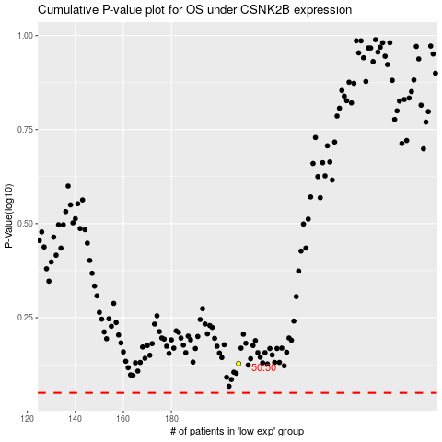

 |  |  |  |  |  | cases_OS | p_OS | rank | exp
 |  |  |  |  |  |  | cases_RFS | p_RFS | rank | exp

