CSPG4 _multivariate
Reported by Tex Li-Hsing Chi. tex@gate.sinica.edu.tw 2019-08-20

Table 2. The clinicopathological features of HNSCC cohort and CSPG4 expression. (Chi square test)
Cutoff at -0.251 (50.0%)
 |  | CSPG4 expression |  | CSPG4 expression |  | (Optimised)
 | Features | Low | (%) | High | (%) | Case no | P-value | Remark | Matthews
Gender | Female | 165 | 39.8 | 141 | 34 | 415 | 0.0081 | 1 | 0
2 | Male | 42 | 10.1 | 67 | 16.1
Age at diagnosis | <=65y | 136 | 32.8 | 138 | 33.3 | 415 | 0.9719 | 0 | 0
4 | >65y | 71 | 17.1 | 70 | 16.9
Clinical T Status | T1+T2 | 69 | 16.6 | 80 | 19.3 | 415 | 0.3239 | 0 | 0
6 | T3+T4 | 138 | 33.3 | 128 | 30.8
Clinical N Status | N0 | 103 | 24.8 | 113 | 27.2 | 415 | 0.4047 | 0 | 0
8 | N1-3 | 104 | 25.1 | 95 | 22.9
Clinical M Status | M0 | 204 | 49.2 | 208 | 50.1 | 415 | 0.1232 | 0 | 0
10 | M1 | 3 | 0.7 | 0 | 0
Clinical Stage | Stage I+II | 40 | 9.6 | 62 | 14.9 | 415 | 0.018 | 1 | 0
12 | Stage III+IV | 167 | 40.2 | 146 | 35.2
Surgical Margin status | Negative | 152 | 36.6 | 166 | 40 | 415 | 0.1329 | 0 | 0
14 | Positive | 55 | 13.3 | 42 | 10.1
Tobacco Exposure | Low | 69 | 16.6 | 92 | 22.2 | 415 | 0.0266 | 1 | 0
16 | High | 138 | 33.3 | 116 | 28

Table 3. Univariate/Multivariate Cox's proportional hazards regression analyses on OS time of CSPG4 gene expression in HNSCC

 |  | Univariate |  |  |  | Multivariate
 | Features | HR | CI95%(L) | CI95%(H) | P-value | HR | CI95%(L) | CI95%(H) | P-value
1 | Female | 1 |  |  |  | 1
Gender | Male | 1.157 | 0.843 | 1.587 | 0.367 | 1.186 | 0.848 | 1.659 | 0.318
11 | <=65y | 1 |  |  |  | 1
Age at diagnosis | >65y | 1.329 | 0.99 | 1.784 | 0.058 | 1.399 | 1.029 | 1.903 | 0.032
12 | T1+T2 | 1 |  |  |  | 1
Clinical T Status | T3+T4 | 1.409 | 1.028 | 1.931 | 0.033 | 2.183 | 1.153 | 4.131 | 0.016
13 | N0 | 1 |  |  |  | 1
Clinical N Status | N1-3 | 1.185 | 0.89 | 1.577 | 0.246 | 1.231 | 0.863 | 1.756 | 0.252
14 | M0 | 1 |  |  |  | 1
Clinical M Status | M1 | 4.097 | 1.009 | 16.644 | 0.049 | 10.015 | 2.17 | 46.221 | 0.003
15 | Stage I+II | 1 |  |  |  | 1
Clinical Stage | Stage III+IV | 1.245 | 0.882 | 1.759 | 0.213 | 0.516 | 0.24 | 1.108 | 0.09
16 | Negative | 1 |  |  |  | 1
Surgical Margin status | Positive | 1.591 | 1.155 | 2.191 | 0.004 | 1.717 | 1.236 | 2.387 | 0.001
17 | Low | 1 |  |  |  | 1
Tobacco Exposure | High | 1.364 | 1.008 | 1.844 | 0.044 | 1.465 | 1.062 | 2.021 | 0.02
18 | Low | 1 |  |  |  | 1
RNAseq(z-score) | High | 1.035 | 0.777 | 1.38 | 0.813 | 1.146 | 0.851 | 1.542 | 0.37

Table 4. Univariate/Multivariate Cox's proportional hazards regression analyses on RFS time of CSPG4 gene expression in HNSCC

 |  | Univariate |  |  |  | Multivariate
 | Features | HR | CI95%(L) | CI95%(H) | P-value | HR | CI95%(L) | CI95%(H) | P-value
1 | Female | 1 |  |  |  | 1
Gender | Male | 1.157 | 0.843 | 1.587 | 0.367 | 1.186 | 0.848 | 1.659 | 0.318
11 | <=65y | 1 |  |  |  | 1
Age at diagnosis | >65y | 1.329 | 0.99 | 1.784 | 0.058 | 1.399 | 1.029 | 1.903 | 0.032
12 | T1+T2 | 1 |  |  |  | 1
Clinical T Status | T3+T4 | 1.409 | 1.028 | 1.931 | 0.033 | 2.183 | 1.153 | 4.131 | 0.016
13 | N0 | 1 |  |  |  | 1
Clinical N Status | N1-3 | 1.185 | 0.89 | 1.577 | 0.246 | 1.231 | 0.863 | 1.756 | 0.252
14 | M0 | 1 |  |  |  | 1
Clinical M Status | M1 | 4.097 | 1.009 | 16.644 | 0.049 | 10.015 | 2.17 | 46.221 | 0.003
15 | Stage I+II | 1 |  |  |  | 1
Clinical Stage | Stage III+IV | 1.245 | 0.882 | 1.759 | 0.213 | 0.516 | 0.24 | 1.108 | 0.09
16 | Negative | 1 |  |  |  | 1
Surgical Margin status | Positive | 1.591 | 1.155 | 2.191 | 0.004 | 1.717 | 1.236 | 2.387 | 0.001
17 | Low | 1 |  |  |  | 1
Tobacco Exposure | High | 1.364 | 1.008 | 1.844 | 0.044 | 1.465 | 1.062 | 2.021 | 0.02
18 | Low | 1 |  |  |  | 1
RNAseq(z-score) | High | 1.035 | 0.777 | 1.38 | 0.813 | 1.146 | 0.851 | 1.542 | 0.37

Kaplan-Meier survival estimate: Cutoff at -0.251 (50.0%)



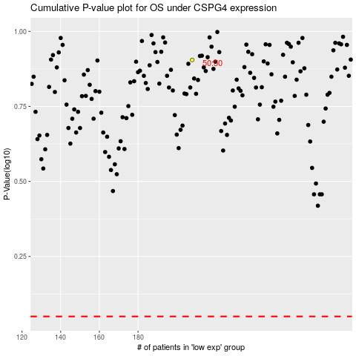

 |  |  |  |  |  | cases_OS | p_OS | rank | exp
 |  |  |  |  |  |  | cases_RFS | p_RFS | rank | exp

