CSRNP1 _multivariate
Reported by Tex Li-Hsing Chi. tex@gate.sinica.edu.tw 2019-08-20

Table 2. The clinicopathological features of HNSCC cohort and CSRNP1 expression. (Chi square test)
Cutoff at -0.287 (50.0%)
 |  | CSRNP1 expression |  | CSRNP1 expression |  | (Optimised)
 | Features | Low | (%) | High | (%) | Case no | P-value | Remark | Matthews
Gender | Female | 164 | 39.5 | 142 | 34.2 | 415 | 0.0153 | 1 | 0
2 | Male | 43 | 10.4 | 66 | 15.9
Age at diagnosis | <=65y | 143 | 34.5 | 131 | 31.6 | 415 | 0.2269 | 0 | 0
4 | >65y | 64 | 15.4 | 77 | 18.6
Clinical T Status | T1+T2 | 74 | 17.8 | 75 | 18.1 | 415 | 1 | 0 | 0
6 | T3+T4 | 133 | 32 | 133 | 32
Clinical N Status | N0 | 101 | 24.3 | 115 | 27.7 | 415 | 0.2201 | 0 | 0
8 | N1-3 | 106 | 25.5 | 93 | 22.4
Clinical M Status | M0 | 205 | 49.4 | 207 | 49.9 | 415 | 0.6232 | 0 | 0
10 | M1 | 2 | 0.5 | 1 | 0.2
Clinical Stage | Stage I+II | 51 | 12.3 | 51 | 12.3 | 415 | 1 | 0 | 0
12 | Stage III+IV | 156 | 37.6 | 157 | 37.8
Surgical Margin status | Negative | 159 | 38.3 | 159 | 38.3 | 415 | 1 | 0 | 0
14 | Positive | 48 | 11.6 | 49 | 11.8
Tobacco Exposure | Low | 72 | 17.3 | 89 | 21.4 | 415 | 0.1071 | 0 | 0
16 | High | 135 | 32.5 | 119 | 28.7

Table 3. Univariate/Multivariate Cox's proportional hazards regression analyses on OS time of CSRNP1 gene expression in HNSCC

 |  | Univariate |  |  |  | Multivariate
 | Features | HR | CI95%(L) | CI95%(H) | P-value | HR | CI95%(L) | CI95%(H) | P-value
1 | Female | 1 |  |  |  | 1
Gender | Male | 1.157 | 0.843 | 1.587 | 0.367 | 1.173 | 0.836 | 1.647 | 0.356
11 | <=65y | 1 |  |  |  | 1
Age at diagnosis | >65y | 1.329 | 0.99 | 1.784 | 0.058 | 1.382 | 1.016 | 1.879 | 0.04
12 | T1+T2 | 1 |  |  |  | 1
Clinical T Status | T3+T4 | 1.409 | 1.028 | 1.931 | 0.033 | 2.208 | 1.167 | 4.177 | 0.015
13 | N0 | 1 |  |  |  | 1
Clinical N Status | N1-3 | 1.185 | 0.89 | 1.577 | 0.246 | 1.266 | 0.884 | 1.812 | 0.198
14 | M0 | 1 |  |  |  | 1
Clinical M Status | M1 | 4.097 | 1.009 | 16.644 | 0.049 | 9.655 | 2.104 | 44.297 | 0.004
15 | Stage I+II | 1 |  |  |  | 1
Clinical Stage | Stage III+IV | 1.245 | 0.882 | 1.759 | 0.213 | 0.498 | 0.232 | 1.071 | 0.074
16 | Negative | 1 |  |  |  | 1
Surgical Margin status | Positive | 1.591 | 1.155 | 2.191 | 0.004 | 1.652 | 1.194 | 2.284 | 0.002
17 | Low | 1 |  |  |  | 1
Tobacco Exposure | High | 1.364 | 1.008 | 1.844 | 0.044 | 1.467 | 1.064 | 2.022 | 0.019
18 | Low | 1 |  |  |  | 1
RNAseq(z-score) | High | 1.145 | 0.859 | 1.525 | 0.356 | 1.137 | 0.843 | 1.533 | 0.399

Table 4. Univariate/Multivariate Cox's proportional hazards regression analyses on RFS time of CSRNP1 gene expression in HNSCC

 |  | Univariate |  |  |  | Multivariate
 | Features | HR | CI95%(L) | CI95%(H) | P-value | HR | CI95%(L) | CI95%(H) | P-value
1 | Female | 1 |  |  |  | 1
Gender | Male | 1.157 | 0.843 | 1.587 | 0.367 | 1.173 | 0.836 | 1.647 | 0.356
11 | <=65y | 1 |  |  |  | 1
Age at diagnosis | >65y | 1.329 | 0.99 | 1.784 | 0.058 | 1.382 | 1.016 | 1.879 | 0.04
12 | T1+T2 | 1 |  |  |  | 1
Clinical T Status | T3+T4 | 1.409 | 1.028 | 1.931 | 0.033 | 2.208 | 1.167 | 4.177 | 0.015
13 | N0 | 1 |  |  |  | 1
Clinical N Status | N1-3 | 1.185 | 0.89 | 1.577 | 0.246 | 1.266 | 0.884 | 1.812 | 0.198
14 | M0 | 1 |  |  |  | 1
Clinical M Status | M1 | 4.097 | 1.009 | 16.644 | 0.049 | 9.655 | 2.104 | 44.297 | 0.004
15 | Stage I+II | 1 |  |  |  | 1
Clinical Stage | Stage III+IV | 1.245 | 0.882 | 1.759 | 0.213 | 0.498 | 0.232 | 1.071 | 0.074
16 | Negative | 1 |  |  |  | 1
Surgical Margin status | Positive | 1.591 | 1.155 | 2.191 | 0.004 | 1.652 | 1.194 | 2.284 | 0.002
17 | Low | 1 |  |  |  | 1
Tobacco Exposure | High | 1.364 | 1.008 | 1.844 | 0.044 | 1.467 | 1.064 | 2.022 | 0.019
18 | Low | 1 |  |  |  | 1
RNAseq(z-score) | High | 1.145 | 0.859 | 1.525 | 0.356 | 1.137 | 0.843 | 1.533 | 0.399

Kaplan-Meier survival estimate: Cutoff at -0.287 (50.0%)



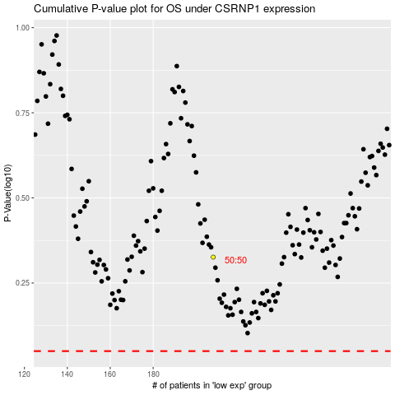

 |  |  |  |  |  | cases_OS | p_OS | rank | exp
 |  |  |  |  |  |  | cases_RFS | p_RFS | rank | exp

