CSRNP2 _multivariate
Reported by Tex Li-Hsing Chi. tex@gate.sinica.edu.tw 2019-08-20

Table 2. The clinicopathological features of HNSCC cohort and CSRNP2 expression. (Chi square test)
Cutoff at -0.007 (50.0%)
 |  | CSRNP2 expression |  | CSRNP2 expression |  | (Optimised)
 | Features | Low | (%) | High | (%) | Case no | P-value | Remark | Matthews
Gender | Female | 152 | 36.6 | 154 | 37.1 | 415 | 0.9766 | 0 | 0
2 | Male | 55 | 13.3 | 54 | 13
Age at diagnosis | <=65y | 141 | 34 | 133 | 32 | 415 | 0.4272 | 0 | 0
4 | >65y | 66 | 15.9 | 75 | 18.1
Clinical T Status | T1+T2 | 81 | 19.5 | 68 | 16.4 | 415 | 0.206 | 0 | 0
6 | T3+T4 | 126 | 30.4 | 140 | 33.7
Clinical N Status | N0 | 117 | 28.2 | 99 | 23.9 | 415 | 0.0852 | 1 | 0
8 | N1-3 | 90 | 21.7 | 109 | 26.3
Clinical M Status | M0 | 205 | 49.4 | 207 | 49.9 | 415 | 0.6232 | 0 | 0
10 | M1 | 2 | 0.5 | 1 | 0.2
Clinical Stage | Stage I+II | 55 | 13.3 | 47 | 11.3 | 415 | 0.4087 | 0 | 0
12 | Stage III+IV | 152 | 36.6 | 161 | 38.8
Surgical Margin status | Negative | 153 | 36.9 | 165 | 39.8 | 415 | 0.2036 | 0 | 0
14 | Positive | 54 | 13 | 43 | 10.4
Tobacco Exposure | Low | 92 | 22.2 | 69 | 16.6 | 415 | 0.0206 | 1 | 0
16 | High | 115 | 27.7 | 139 | 33.5

Table 3. Univariate/Multivariate Cox's proportional hazards regression analyses on OS time of CSRNP2 gene expression in HNSCC

 |  | Univariate |  |  |  | Multivariate
 | Features | HR | CI95%(L) | CI95%(H) | P-value | HR | CI95%(L) | CI95%(H) | P-value
1 | Female | 1 |  |  |  | 1
Gender | Male | 1.157 | 0.843 | 1.587 | 0.367 | 1.197 | 0.856 | 1.674 | 0.293
11 | <=65y | 1 |  |  |  | 1
Age at diagnosis | >65y | 1.329 | 0.99 | 1.784 | 0.058 | 1.399 | 1.028 | 1.905 | 0.033
12 | T1+T2 | 1 |  |  |  | 1
Clinical T Status | T3+T4 | 1.409 | 1.028 | 1.931 | 0.033 | 2.215 | 1.171 | 4.191 | 0.014
13 | N0 | 1 |  |  |  | 1
Clinical N Status | N1-3 | 1.185 | 0.89 | 1.577 | 0.246 | 1.25 | 0.874 | 1.787 | 0.221
14 | M0 | 1 |  |  |  | 1
Clinical M Status | M1 | 4.097 | 1.009 | 16.644 | 0.049 | 9.251 | 2.013 | 42.51 | 0.004
15 | Stage I+II | 1 |  |  |  | 1
Clinical Stage | Stage III+IV | 1.245 | 0.882 | 1.759 | 0.213 | 0.501 | 0.233 | 1.077 | 0.077
16 | Negative | 1 |  |  |  | 1
Surgical Margin status | Positive | 1.591 | 1.155 | 2.191 | 0.004 | 1.66 | 1.199 | 2.298 | 0.002
17 | Low | 1 |  |  |  | 1
Tobacco Exposure | High | 1.364 | 1.008 | 1.844 | 0.044 | 1.457 | 1.057 | 2.008 | 0.022
18 | Low | 1 |  |  |  | 1
RNAseq(z-score) | High | 0.957 | 0.719 | 1.275 | 0.765 | 0.945 | 0.705 | 1.266 | 0.703

Table 4. Univariate/Multivariate Cox's proportional hazards regression analyses on RFS time of CSRNP2 gene expression in HNSCC

 |  | Univariate |  |  |  | Multivariate
 | Features | HR | CI95%(L) | CI95%(H) | P-value | HR | CI95%(L) | CI95%(H) | P-value
1 | Female | 1 |  |  |  | 1
Gender | Male | 1.157 | 0.843 | 1.587 | 0.367 | 1.197 | 0.856 | 1.674 | 0.293
11 | <=65y | 1 |  |  |  | 1
Age at diagnosis | >65y | 1.329 | 0.99 | 1.784 | 0.058 | 1.399 | 1.028 | 1.905 | 0.033
12 | T1+T2 | 1 |  |  |  | 1
Clinical T Status | T3+T4 | 1.409 | 1.028 | 1.931 | 0.033 | 2.215 | 1.171 | 4.191 | 0.014
13 | N0 | 1 |  |  |  | 1
Clinical N Status | N1-3 | 1.185 | 0.89 | 1.577 | 0.246 | 1.25 | 0.874 | 1.787 | 0.221
14 | M0 | 1 |  |  |  | 1
Clinical M Status | M1 | 4.097 | 1.009 | 16.644 | 0.049 | 9.251 | 2.013 | 42.51 | 0.004
15 | Stage I+II | 1 |  |  |  | 1
Clinical Stage | Stage III+IV | 1.245 | 0.882 | 1.759 | 0.213 | 0.501 | 0.233 | 1.077 | 0.077
16 | Negative | 1 |  |  |  | 1
Surgical Margin status | Positive | 1.591 | 1.155 | 2.191 | 0.004 | 1.66 | 1.199 | 2.298 | 0.002
17 | Low | 1 |  |  |  | 1
Tobacco Exposure | High | 1.364 | 1.008 | 1.844 | 0.044 | 1.457 | 1.057 | 2.008 | 0.022
18 | Low | 1 |  |  |  | 1
RNAseq(z-score) | High | 0.957 | 0.719 | 1.275 | 0.765 | 0.945 | 0.705 | 1.266 | 0.703

Kaplan-Meier survival estimate: Cutoff at -0.007 (50.0%)



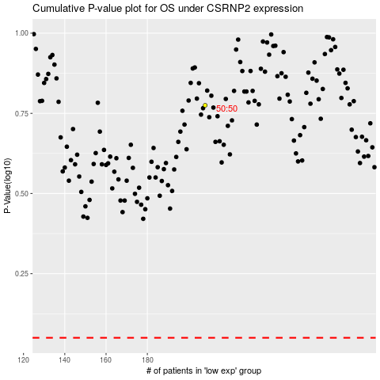

 |  |  |  |  |  | cases_OS | p_OS | rank | exp
 |  |  |  |  |  |  | cases_RFS | p_RFS | rank | exp

