CSRP2BP _multivariate
Reported by Tex Li-Hsing Chi. tex@gate.sinica.edu.tw 2019-08-20

Table 2. The clinicopathological features of HNSCC cohort and CSRP2BP expression. (Chi square test)
Cutoff at -0.266 (49.8%)
 |  | CSRP2BP expression |  | CSRP2BP expression |  | (Optimised)
 | Features | Low | (%) | High | (%) | Case no | P-value | Remark | Matthews
Gender | Female | 151 | 36.4 | 155 | 37.3 | 415 | 0.8007 | 0 | 0
2 | Male | 56 | 13.5 | 53 | 12.8
Age at diagnosis | <=65y | 131 | 31.6 | 143 | 34.5 | 415 | 0.2839 | 0 | 0
4 | >65y | 76 | 18.3 | 65 | 15.7
Clinical T Status | T1+T2 | 67 | 16.1 | 82 | 19.8 | 415 | 0.1628 | 0 | 0
6 | T3+T4 | 140 | 33.7 | 126 | 30.4
Clinical N Status | N0 | 113 | 27.2 | 103 | 24.8 | 415 | 0.3495 | 1 | 0
8 | N1-3 | 94 | 22.7 | 105 | 25.3
Clinical M Status | M0 | 206 | 49.6 | 206 | 49.6 | 415 | 1 | 0 | 0
10 | M1 | 1 | 0.2 | 2 | 0.5
Clinical Stage | Stage I+II | 53 | 12.8 | 49 | 11.8 | 415 | 0.7113 | 0 | 0
12 | Stage III+IV | 154 | 37.1 | 159 | 38.3
Surgical Margin status | Negative | 159 | 38.3 | 159 | 38.3 | 415 | 1 | 0 | 0
14 | Positive | 48 | 11.6 | 49 | 11.8
Tobacco Exposure | Low | 79 | 19 | 82 | 19.8 | 415 | 0.8405 | 0 | 0
16 | High | 128 | 30.8 | 126 | 30.4

Table 3. Univariate/Multivariate Cox's proportional hazards regression analyses on OS time of CSRP2BP gene expression in HNSCC

 |  | Univariate |  |  |  | Multivariate
 | Features | HR | CI95%(L) | CI95%(H) | P-value | HR | CI95%(L) | CI95%(H) | P-value
1 | Female | 1 |  |  |  | 1
Gender | Male | 1.157 | 0.843 | 1.587 | 0.367 | 1.2 | 0.859 | 1.677 | 0.284
11 | <=65y | 1 |  |  |  | 1
Age at diagnosis | >65y | 1.329 | 0.99 | 1.784 | 0.058 | 1.392 | 1.024 | 1.893 | 0.035
12 | T1+T2 | 1 |  |  |  | 1
Clinical T Status | T3+T4 | 1.409 | 1.028 | 1.931 | 0.033 | 2.182 | 1.15 | 4.142 | 0.017
13 | N0 | 1 |  |  |  | 1
Clinical N Status | N1-3 | 1.185 | 0.89 | 1.577 | 0.246 | 1.24 | 0.869 | 1.769 | 0.236
14 | M0 | 1 |  |  |  | 1
Clinical M Status | M1 | 4.097 | 1.009 | 16.644 | 0.049 | 9.372 | 2.044 | 42.971 | 0.004
15 | Stage I+II | 1 |  |  |  | 1
Clinical Stage | Stage III+IV | 1.245 | 0.882 | 1.759 | 0.213 | 0.511 | 0.237 | 1.103 | 0.087
16 | Negative | 1 |  |  |  | 1
Surgical Margin status | Positive | 1.591 | 1.155 | 2.191 | 0.004 | 1.674 | 1.211 | 2.313 | 0.002
17 | Low | 1 |  |  |  | 1
Tobacco Exposure | High | 1.364 | 1.008 | 1.844 | 0.044 | 1.454 | 1.055 | 2.004 | 0.022
18 | Low | 1 |  |  |  | 1
RNAseq(z-score) | High | 0.95 | 0.713 | 1.266 | 0.727 | 0.963 | 0.721 | 1.287 | 0.8

Table 4. Univariate/Multivariate Cox's proportional hazards regression analyses on RFS time of CSRP2BP gene expression in HNSCC

 |  | Univariate |  |  |  | Multivariate
 | Features | HR | CI95%(L) | CI95%(H) | P-value | HR | CI95%(L) | CI95%(H) | P-value
1 | Female | 1 |  |  |  | 1
Gender | Male | 1.157 | 0.843 | 1.587 | 0.367 | 1.2 | 0.859 | 1.677 | 0.284
11 | <=65y | 1 |  |  |  | 1
Age at diagnosis | >65y | 1.329 | 0.99 | 1.784 | 0.058 | 1.392 | 1.024 | 1.893 | 0.035
12 | T1+T2 | 1 |  |  |  | 1
Clinical T Status | T3+T4 | 1.409 | 1.028 | 1.931 | 0.033 | 2.182 | 1.15 | 4.142 | 0.017
13 | N0 | 1 |  |  |  | 1
Clinical N Status | N1-3 | 1.185 | 0.89 | 1.577 | 0.246 | 1.24 | 0.869 | 1.769 | 0.236
14 | M0 | 1 |  |  |  | 1
Clinical M Status | M1 | 4.097 | 1.009 | 16.644 | 0.049 | 9.372 | 2.044 | 42.971 | 0.004
15 | Stage I+II | 1 |  |  |  | 1
Clinical Stage | Stage III+IV | 1.245 | 0.882 | 1.759 | 0.213 | 0.511 | 0.237 | 1.103 | 0.087
16 | Negative | 1 |  |  |  | 1
Surgical Margin status | Positive | 1.591 | 1.155 | 2.191 | 0.004 | 1.674 | 1.211 | 2.313 | 0.002
17 | Low | 1 |  |  |  | 1
Tobacco Exposure | High | 1.364 | 1.008 | 1.844 | 0.044 | 1.454 | 1.055 | 2.004 | 0.022
18 | Low | 1 |  |  |  | 1
RNAseq(z-score) | High | 0.95 | 0.713 | 1.266 | 0.727 | 0.963 | 0.721 | 1.287 | 0.8

Kaplan-Meier survival estimate: Cutoff at -0.266 (49.8%)



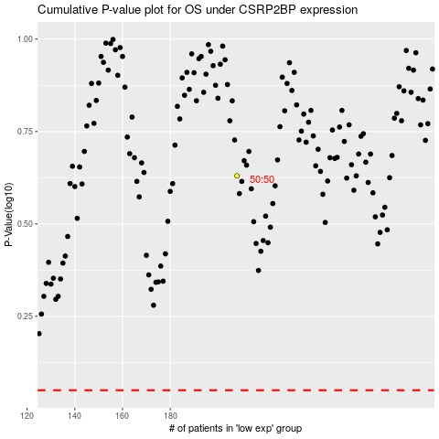

 |  |  |  |  |  | cases_OS | p_OS | rank | exp
 |  |  |  |  |  |  | cases_RFS | p_RFS | rank | exp

