CST3 _multivariate
Reported by Tex Li-Hsing Chi. tex@gate.sinica.edu.tw 2019-08-20

Table 2. The clinicopathological features of HNSCC cohort and CST3 expression. (Chi square test)
Cutoff at -0.299 (50.0%)
 |  | CST3 expression |  | CST3 expression |  | (Optimised)
 | Features | Low | (%) | High | (%) | Case no | P-value | Remark | Matthews
Gender | Female | 165 | 39.8 | 141 | 34 | 415 | 0.0081 | 1 | 0
2 | Male | 42 | 10.1 | 67 | 16.1
Age at diagnosis | <=65y | 137 | 33 | 137 | 33 | 415 | 1 | 0 | 0
4 | >65y | 70 | 16.9 | 71 | 17.1
Clinical T Status | T1+T2 | 67 | 16.1 | 82 | 19.8 | 415 | 0.1628 | 0 | 0
6 | T3+T4 | 140 | 33.7 | 126 | 30.4
Clinical N Status | N0 | 108 | 26 | 108 | 26 | 415 | 1 | 0 | 0
8 | N1-3 | 99 | 23.9 | 100 | 24.1
Clinical M Status | M0 | 206 | 49.6 | 206 | 49.6 | 415 | 1 | 0 | 0
10 | M1 | 1 | 0.2 | 2 | 0.5
Clinical Stage | Stage I+II | 44 | 10.6 | 58 | 14 | 415 | 0.1459 | 0 | 0
12 | Stage III+IV | 163 | 39.3 | 150 | 36.1
Surgical Margin status | Negative | 153 | 36.9 | 165 | 39.8 | 415 | 0.2036 | 0 | 0
14 | Positive | 54 | 13 | 43 | 10.4
Tobacco Exposure | Low | 62 | 14.9 | 99 | 23.9 | 415 | 3e-04 | 1 | 0
16 | High | 145 | 34.9 | 109 | 26.3

Table 3. Univariate/Multivariate Cox's proportional hazards regression analyses on OS time of CST3 gene expression in HNSCC

 |  | Univariate |  |  |  | Multivariate
 | Features | HR | CI95%(L) | CI95%(H) | P-value | HR | CI95%(L) | CI95%(H) | P-value
1 | Female | 1 |  |  |  | 1
Gender | Male | 1.157 | 0.843 | 1.587 | 0.367 | 1.153 | 0.823 | 1.617 | 0.408
11 | <=65y | 1 |  |  |  | 1
Age at diagnosis | >65y | 1.329 | 0.99 | 1.784 | 0.058 | 1.392 | 1.024 | 1.892 | 0.035
12 | T1+T2 | 1 |  |  |  | 1
Clinical T Status | T3+T4 | 1.409 | 1.028 | 1.931 | 0.033 | 2.229 | 1.178 | 4.215 | 0.014
13 | N0 | 1 |  |  |  | 1
Clinical N Status | N1-3 | 1.185 | 0.89 | 1.577 | 0.246 | 1.228 | 0.861 | 1.751 | 0.257
14 | M0 | 1 |  |  |  | 1
Clinical M Status | M1 | 4.097 | 1.009 | 16.644 | 0.049 | 8.816 | 1.919 | 40.508 | 0.005
15 | Stage I+II | 1 |  |  |  | 1
Clinical Stage | Stage III+IV | 1.245 | 0.882 | 1.759 | 0.213 | 0.509 | 0.237 | 1.093 | 0.083
16 | Negative | 1 |  |  |  | 1
Surgical Margin status | Positive | 1.591 | 1.155 | 2.191 | 0.004 | 1.695 | 1.226 | 2.342 | 0.001
17 | Low | 1 |  |  |  | 1
Tobacco Exposure | High | 1.364 | 1.008 | 1.844 | 0.044 | 1.509 | 1.091 | 2.086 | 0.013
18 | Low | 1 |  |  |  | 1
RNAseq(z-score) | High | 1.17 | 0.877 | 1.562 | 0.285 | 1.257 | 0.93 | 1.698 | 0.136

Table 4. Univariate/Multivariate Cox's proportional hazards regression analyses on RFS time of CST3 gene expression in HNSCC

 |  | Univariate |  |  |  | Multivariate
 | Features | HR | CI95%(L) | CI95%(H) | P-value | HR | CI95%(L) | CI95%(H) | P-value
1 | Female | 1 |  |  |  | 1
Gender | Male | 1.157 | 0.843 | 1.587 | 0.367 | 1.153 | 0.823 | 1.617 | 0.408
11 | <=65y | 1 |  |  |  | 1
Age at diagnosis | >65y | 1.329 | 0.99 | 1.784 | 0.058 | 1.392 | 1.024 | 1.892 | 0.035
12 | T1+T2 | 1 |  |  |  | 1
Clinical T Status | T3+T4 | 1.409 | 1.028 | 1.931 | 0.033 | 2.229 | 1.178 | 4.215 | 0.014
13 | N0 | 1 |  |  |  | 1
Clinical N Status | N1-3 | 1.185 | 0.89 | 1.577 | 0.246 | 1.228 | 0.861 | 1.751 | 0.257
14 | M0 | 1 |  |  |  | 1
Clinical M Status | M1 | 4.097 | 1.009 | 16.644 | 0.049 | 8.816 | 1.919 | 40.508 | 0.005
15 | Stage I+II | 1 |  |  |  | 1
Clinical Stage | Stage III+IV | 1.245 | 0.882 | 1.759 | 0.213 | 0.509 | 0.237 | 1.093 | 0.083
16 | Negative | 1 |  |  |  | 1
Surgical Margin status | Positive | 1.591 | 1.155 | 2.191 | 0.004 | 1.695 | 1.226 | 2.342 | 0.001
17 | Low | 1 |  |  |  | 1
Tobacco Exposure | High | 1.364 | 1.008 | 1.844 | 0.044 | 1.509 | 1.091 | 2.086 | 0.013
18 | Low | 1 |  |  |  | 1
RNAseq(z-score) | High | 1.17 | 0.877 | 1.562 | 0.285 | 1.257 | 0.93 | 1.698 | 0.136

Kaplan-Meier survival estimate: Cutoff at -0.299 (50.0%)



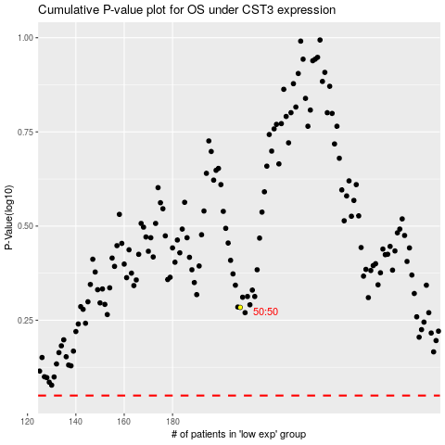

 |  |  |  |  |  | cases_OS | p_OS | rank | exp
 |  |  |  |  |  |  | cases_RFS | p_RFS | rank | exp

