CST4 _multivariate
Reported by Tex Li-Hsing Chi. tex@gate.sinica.edu.tw 2019-08-20

Table 2. The clinicopathological features of HNSCC cohort and CST4 expression. (Chi square test)
Cutoff at -0.046 (31.2%)
 |  | CST4 expression |  | CST4 expression |  | (Optimised)
 | Features | Low | (%) | High | (%) | Case no | P-value | Remark | Matthews
Gender | Female | 92 | 22.2 | 214 | 51.6 | 415 | 0.5281 | 0 | 0
2 | Male | 37 | 8.9 | 72 | 17.3
Age at diagnosis | <=65y | 84 | 20.2 | 190 | 45.8 | 415 | 0.8805 | 0 | 0
4 | >65y | 45 | 10.8 | 96 | 23.1
Clinical T Status | T1+T2 | 45 | 10.8 | 104 | 25.1 | 415 | 0.8569 | 0 | 0
6 | T3+T4 | 84 | 20.2 | 182 | 43.9
Clinical N Status | N0 | 76 | 18.3 | 140 | 33.7 | 415 | 0.076 | 0 | 0
8 | N1-3 | 53 | 12.8 | 146 | 35.2
Clinical M Status | M0 | 129 | 31.1 | 283 | 68.2 | 415 | 0.5554 | 0 | 0
10 | M1 | 0 | 0 | 3 | 0.7
Clinical Stage | Stage I+II | 34 | 8.2 | 68 | 16.4 | 415 | 0.6586 | 0 | 0
12 | Stage III+IV | 95 | 22.9 | 218 | 52.5
Surgical Margin status | Negative | 100 | 24.1 | 218 | 52.5 | 415 | 0.8034 | 0 | 0
14 | Positive | 29 | 7 | 68 | 16.4
Tobacco Exposure | Low | 54 | 13 | 107 | 25.8 | 415 | 0.4463 | 0 | 0
16 | High | 75 | 18.1 | 179 | 43.1

Table 3. Univariate/Multivariate Cox's proportional hazards regression analyses on OS time of CST4 gene expression in HNSCC

 |  | Univariate |  |  |  | Multivariate
 | Features | HR | CI95%(L) | CI95%(H) | P-value | HR | CI95%(L) | CI95%(H) | P-value
1 | Female | 1 |  |  |  | 1
Gender | Male | 1.157 | 0.843 | 1.587 | 0.367 | 1.212 | 0.868 | 1.693 | 0.258
11 | <=65y | 1 |  |  |  | 1
Age at diagnosis | >65y | 1.329 | 0.99 | 1.784 | 0.058 | 1.364 | 1.003 | 1.856 | 0.048
12 | T1+T2 | 1 |  |  |  | 1
Clinical T Status | T3+T4 | 1.409 | 1.028 | 1.931 | 0.033 | 2.195 | 1.16 | 4.151 | 0.016
13 | N0 | 1 |  |  |  | 1
Clinical N Status | N1-3 | 1.185 | 0.89 | 1.577 | 0.246 | 1.197 | 0.838 | 1.711 | 0.323
14 | M0 | 1 |  |  |  | 1
Clinical M Status | M1 | 4.097 | 1.009 | 16.644 | 0.049 | 8.657 | 1.885 | 39.752 | 0.006
15 | Stage I+II | 1 |  |  |  | 1
Clinical Stage | Stage III+IV | 1.245 | 0.882 | 1.759 | 0.213 | 0.499 | 0.232 | 1.07 | 0.074
16 | Negative | 1 |  |  |  | 1
Surgical Margin status | Positive | 1.591 | 1.155 | 2.191 | 0.004 | 1.676 | 1.212 | 2.318 | 0.002
17 | Low | 1 |  |  |  | 1
Tobacco Exposure | High | 1.364 | 1.008 | 1.844 | 0.044 | 1.451 | 1.053 | 2 | 0.023
18 | Low | 1 |  |  |  | 1
RNAseq(z-score) | High | 1.482 | 1.053 | 2.085 | 0.024 | 1.429 | 1.012 | 2.02 | 0.043

Table 4. Univariate/Multivariate Cox's proportional hazards regression analyses on RFS time of CST4 gene expression in HNSCC

 |  | Univariate |  |  |  | Multivariate
 | Features | HR | CI95%(L) | CI95%(H) | P-value | HR | CI95%(L) | CI95%(H) | P-value
1 | Female | 1 |  |  |  | 1
Gender | Male | 1.157 | 0.843 | 1.587 | 0.367 | 1.212 | 0.868 | 1.693 | 0.258
11 | <=65y | 1 |  |  |  | 1
Age at diagnosis | >65y | 1.329 | 0.99 | 1.784 | 0.058 | 1.364 | 1.003 | 1.856 | 0.048
12 | T1+T2 | 1 |  |  |  | 1
Clinical T Status | T3+T4 | 1.409 | 1.028 | 1.931 | 0.033 | 2.195 | 1.16 | 4.151 | 0.016
13 | N0 | 1 |  |  |  | 1
Clinical N Status | N1-3 | 1.185 | 0.89 | 1.577 | 0.246 | 1.197 | 0.838 | 1.711 | 0.323
14 | M0 | 1 |  |  |  | 1
Clinical M Status | M1 | 4.097 | 1.009 | 16.644 | 0.049 | 8.657 | 1.885 | 39.752 | 0.006
15 | Stage I+II | 1 |  |  |  | 1
Clinical Stage | Stage III+IV | 1.245 | 0.882 | 1.759 | 0.213 | 0.499 | 0.232 | 1.07 | 0.074
16 | Negative | 1 |  |  |  | 1
Surgical Margin status | Positive | 1.591 | 1.155 | 2.191 | 0.004 | 1.676 | 1.212 | 2.318 | 0.002
17 | Low | 1 |  |  |  | 1
Tobacco Exposure | High | 1.364 | 1.008 | 1.844 | 0.044 | 1.451 | 1.053 | 2 | 0.023
18 | Low | 1 |  |  |  | 1
RNAseq(z-score) | High | 1.482 | 1.053 | 2.085 | 0.024 | 1.429 | 1.012 | 2.02 | 0.043

Kaplan-Meier survival estimate: Cutoff at -0.046 (31.2%)

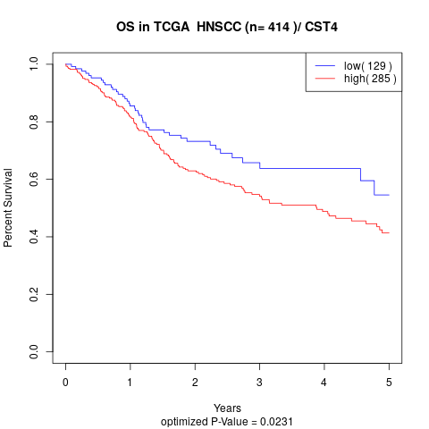

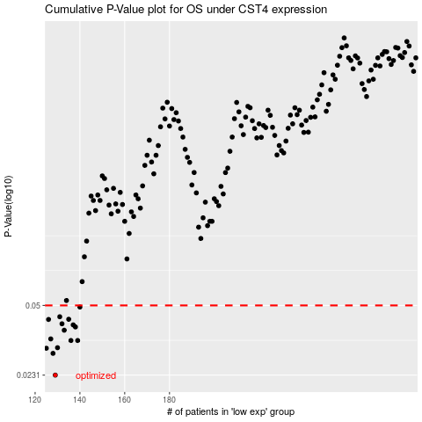

 |  |  |  |  |  | cases_OS | p_OS | rank | exp
 |  |  |  |  |  | 129 | 0.0231 | 125 | -0.046169971853
 |  |  |  |  |  | 128 | 0.0294 | 151 | -0.046170128423
 |  |  |  |  |  | 125 | 0.0311 | 12 | -0.046171738483
 |  |  |  |  |  | 130 | 0.0313 | 159 | -0.046169499534
 |  |  |  |  |  | 139 | 0.0339 | 241 | -0.046166412498
 |  |  |  |  |  | 136 | 0.0339 | 322 | -0.046167140548
 |  |  |  |  |  | 127 | 0.0345 | 310 | -0.046170668589
 |  |  |  |  |  | 133 | 0.038 | 148 | -0.046167688543
 |  |  |  |  |  | 138 | 0.0394 | 5 | -0.046166879598
 |  |  |  |  |  | 137 | 0.0403 | 172 | -0.046166926569
 |  |  |  |  |  | 132 | 0.0408 | 146 | -0.046168972416
 |  |  |  |  |  | 126 | 0.0428 | 42 | -0.046170885178
 |  |  |  |  |  | 135 | 0.0429 | 400 | -0.046167190129
 |  |  |  |  |  | 131 | 0.0441 | 380 | -0.04616936645
 |  |  |  |  |  | 140 | 0.0491 | 52 | -0.046166274195
 |  |  |  |  |  |  | cases_RFS | p_RFS | rank | exp
 |  |  |  |  |  |  | 128 | 0.0231 | 151 | -0.046170128423
 |  |  |  |  |  |  | 127 | 0.0294 | 310 | -0.046170668589
 |  |  |  |  |  |  |  | 0.0311 | 345 | -0.046172059452
 |  |  |  |  |  |  | 129 | 0.0313 | 125 | -0.046169971853
 |  |  |  |  |  |  | 138 | 0.0339 | 5 | -0.046166879598
 |  |  |  |  |  |  | 135 | 0.0339 | 400 | -0.046167190129
 |  |  |  |  |  |  | 126 | 0.0345 | 42 | -0.046170885178
 |  |  |  |  |  |  | 132 | 0.038 | 146 | -0.046168972416
 |  |  |  |  |  |  | 137 | 0.0394 | 172 | -0.046166926569
 |  |  |  |  |  |  | 136 | 0.0403 | 322 | -0.046167140548
 |  |  |  |  |  |  | 131 | 0.0408 | 380 | -0.04616936645
 |  |  |  |  |  |  | 125 | 0.0428 | 12 | -0.046171738483
 |  |  |  |  |  |  | 134 | 0.0429 | 34 | -0.046167419764
 |  |  |  |  |  |  | 130 | 0.0441 | 159 | -0.046169499534
 |  |  |  |  |  |  | 139 | 0.0491 | 241 | -0.046166412498

