CSTF1 _multivariate
Reported by Tex Li-Hsing Chi. tex@gate.sinica.edu.tw 2019-08-20

Table 2. The clinicopathological features of HNSCC cohort and CSTF1 expression. (Chi square test)
Cutoff at -0.184 (49.8%)
 |  | CSTF1 expression |  | CSTF1 expression |  | (Optimised)
 | Features | Low | (%) | High | (%) | Case no | P-value | Remark | Matthews
Gender | Female | 146 | 35.2 | 160 | 38.6 | 415 | 0.1714 | 0 | 0
2 | Male | 61 | 14.7 | 48 | 11.6
Age at diagnosis | <=65y | 126 | 30.4 | 148 | 35.7 | 415 | 0.035 | 1 | 0
4 | >65y | 81 | 19.5 | 60 | 14.5
Clinical T Status | T1+T2 | 70 | 16.9 | 79 | 19 | 415 | 0.4343 | 0 | 0
6 | T3+T4 | 137 | 33 | 129 | 31.1
Clinical N Status | N0 | 107 | 25.8 | 109 | 26.3 | 415 | 0.9624 | 0 | 0
8 | N1-3 | 100 | 24.1 | 99 | 23.9
Clinical M Status | M0 | 206 | 49.6 | 206 | 49.6 | 415 | 1 | 0 | 0
10 | M1 | 1 | 0.2 | 2 | 0.5
Clinical Stage | Stage I+II | 51 | 12.3 | 51 | 12.3 | 415 | 1 | 0 | 0
12 | Stage III+IV | 156 | 37.6 | 157 | 37.8
Surgical Margin status | Negative | 162 | 39 | 156 | 37.6 | 415 | 0.4867 | 0 | 0
14 | Positive | 45 | 10.8 | 52 | 12.5
Tobacco Exposure | Low | 95 | 22.9 | 66 | 15.9 | 415 | 0.0035 | 1 | 0
16 | High | 112 | 27 | 142 | 34.2

Table 3. Univariate/Multivariate Cox's proportional hazards regression analyses on OS time of CSTF1 gene expression in HNSCC

 |  | Univariate |  |  |  | Multivariate
 | Features | HR | CI95%(L) | CI95%(H) | P-value | HR | CI95%(L) | CI95%(H) | P-value
1 | Female | 1 |  |  |  | 1
Gender | Male | 1.157 | 0.843 | 1.587 | 0.367 | 1.196 | 0.856 | 1.672 | 0.295
11 | <=65y | 1 |  |  |  | 1
Age at diagnosis | >65y | 1.329 | 0.99 | 1.784 | 0.058 | 1.405 | 1.032 | 1.912 | 0.031
12 | T1+T2 | 1 |  |  |  | 1
Clinical T Status | T3+T4 | 1.409 | 1.028 | 1.931 | 0.033 | 2.231 | 1.178 | 4.225 | 0.014
13 | N0 | 1 |  |  |  | 1
Clinical N Status | N1-3 | 1.185 | 0.89 | 1.577 | 0.246 | 1.258 | 0.879 | 1.8 | 0.209
14 | M0 | 1 |  |  |  | 1
Clinical M Status | M1 | 4.097 | 1.009 | 16.644 | 0.049 | 9.346 | 2.039 | 42.846 | 0.004
15 | Stage I+II | 1 |  |  |  | 1
Clinical Stage | Stage III+IV | 1.245 | 0.882 | 1.759 | 0.213 | 0.495 | 0.23 | 1.066 | 0.072
16 | Negative | 1 |  |  |  | 1
Surgical Margin status | Positive | 1.591 | 1.155 | 2.191 | 0.004 | 1.659 | 1.2 | 2.294 | 0.002
17 | Low | 1 |  |  |  | 1
Tobacco Exposure | High | 1.364 | 1.008 | 1.844 | 0.044 | 1.435 | 1.039 | 1.981 | 0.028
18 | Low | 1 |  |  |  | 1
RNAseq(z-score) | High | 1.113 | 0.834 | 1.487 | 0.467 | 1.102 | 0.821 | 1.481 | 0.518

Table 4. Univariate/Multivariate Cox's proportional hazards regression analyses on RFS time of CSTF1 gene expression in HNSCC

 |  | Univariate |  |  |  | Multivariate
 | Features | HR | CI95%(L) | CI95%(H) | P-value | HR | CI95%(L) | CI95%(H) | P-value
1 | Female | 1 |  |  |  | 1
Gender | Male | 1.157 | 0.843 | 1.587 | 0.367 | 1.196 | 0.856 | 1.672 | 0.295
11 | <=65y | 1 |  |  |  | 1
Age at diagnosis | >65y | 1.329 | 0.99 | 1.784 | 0.058 | 1.405 | 1.032 | 1.912 | 0.031
12 | T1+T2 | 1 |  |  |  | 1
Clinical T Status | T3+T4 | 1.409 | 1.028 | 1.931 | 0.033 | 2.231 | 1.178 | 4.225 | 0.014
13 | N0 | 1 |  |  |  | 1
Clinical N Status | N1-3 | 1.185 | 0.89 | 1.577 | 0.246 | 1.258 | 0.879 | 1.8 | 0.209
14 | M0 | 1 |  |  |  | 1
Clinical M Status | M1 | 4.097 | 1.009 | 16.644 | 0.049 | 9.346 | 2.039 | 42.846 | 0.004
15 | Stage I+II | 1 |  |  |  | 1
Clinical Stage | Stage III+IV | 1.245 | 0.882 | 1.759 | 0.213 | 0.495 | 0.23 | 1.066 | 0.072
16 | Negative | 1 |  |  |  | 1
Surgical Margin status | Positive | 1.591 | 1.155 | 2.191 | 0.004 | 1.659 | 1.2 | 2.294 | 0.002
17 | Low | 1 |  |  |  | 1
Tobacco Exposure | High | 1.364 | 1.008 | 1.844 | 0.044 | 1.435 | 1.039 | 1.981 | 0.028
18 | Low | 1 |  |  |  | 1
RNAseq(z-score) | High | 1.113 | 0.834 | 1.487 | 0.467 | 1.102 | 0.821 | 1.481 | 0.518

Kaplan-Meier survival estimate: Cutoff at -0.184 (49.8%)



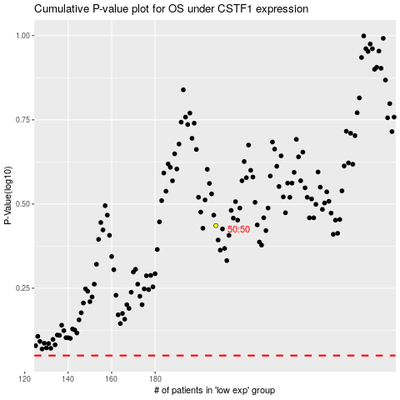

 |  |  |  |  |  | cases_OS | p_OS | rank | exp
 |  |  |  |  |  |  | cases_RFS | p_RFS | rank | exp

