CSTF2T _multivariate
Reported by Tex Li-Hsing Chi. tex@gate.sinica.edu.tw 2019-08-20

Table 2. The clinicopathological features of HNSCC cohort and CSTF2T expression. (Chi square test)
Cutoff at -0.184 (49.8%)
 |  | CSTF2T expression |  | CSTF2T expression |  | (Optimised)
 | Features | Low | (%) | High | (%) | Case no | P-value | Remark | Matthews
Gender | Female | 152 | 36.6 | 154 | 37.1 | 415 | 0.9766 | 0 | 0
2 | Male | 55 | 13.3 | 54 | 13
Age at diagnosis | <=65y | 132 | 31.8 | 142 | 34.2 | 415 | 0.3874 | 0 | 0
4 | >65y | 75 | 18.1 | 66 | 15.9
Clinical T Status | T1+T2 | 55 | 13.3 | 94 | 22.7 | 415 | 1e-04 | 1 | 0
6 | T3+T4 | 152 | 36.6 | 114 | 27.5
Clinical N Status | N0 | 107 | 25.8 | 109 | 26.3 | 415 | 0.9624 | 0 | 0
8 | N1-3 | 100 | 24.1 | 99 | 23.9
Clinical M Status | M0 | 206 | 49.6 | 206 | 49.6 | 415 | 1 | 0 | 0
10 | M1 | 1 | 0.2 | 2 | 0.5
Clinical Stage | Stage I+II | 37 | 8.9 | 65 | 15.7 | 415 | 0.0023 | 1 | 0
12 | Stage III+IV | 170 | 41 | 143 | 34.5
Surgical Margin status | Negative | 161 | 38.8 | 157 | 37.8 | 415 | 0.6429 | 0 | 0
14 | Positive | 46 | 11.1 | 51 | 12.3
Tobacco Exposure | Low | 81 | 19.5 | 80 | 19.3 | 415 | 0.9199 | 0 | 0
16 | High | 126 | 30.4 | 128 | 30.8

Table 3. Univariate/Multivariate Cox's proportional hazards regression analyses on OS time of CSTF2T gene expression in HNSCC

 |  | Univariate |  |  |  | Multivariate
 | Features | HR | CI95%(L) | CI95%(H) | P-value | HR | CI95%(L) | CI95%(H) | P-value
1 | Female | 1 |  |  |  | 1
Gender | Male | 1.157 | 0.843 | 1.587 | 0.367 | 1.201 | 0.86 | 1.678 | 0.282
11 | <=65y | 1 |  |  |  | 1
Age at diagnosis | >65y | 1.329 | 0.99 | 1.784 | 0.058 | 1.398 | 1.027 | 1.903 | 0.033
12 | T1+T2 | 1 |  |  |  | 1
Clinical T Status | T3+T4 | 1.409 | 1.028 | 1.931 | 0.033 | 2.217 | 1.171 | 4.198 | 0.014
13 | N0 | 1 |  |  |  | 1
Clinical N Status | N1-3 | 1.185 | 0.89 | 1.577 | 0.246 | 1.24 | 0.869 | 1.77 | 0.235
14 | M0 | 1 |  |  |  | 1
Clinical M Status | M1 | 4.097 | 1.009 | 16.644 | 0.049 | 9.399 | 2.05 | 43.085 | 0.004
15 | Stage I+II | 1 |  |  |  | 1
Clinical Stage | Stage III+IV | 1.245 | 0.882 | 1.759 | 0.213 | 0.507 | 0.236 | 1.089 | 0.082
16 | Negative | 1 |  |  |  | 1
Surgical Margin status | Positive | 1.591 | 1.155 | 2.191 | 0.004 | 1.666 | 1.205 | 2.303 | 0.002
17 | Low | 1 |  |  |  | 1
Tobacco Exposure | High | 1.364 | 1.008 | 1.844 | 0.044 | 1.453 | 1.054 | 2.001 | 0.022
18 | Low | 1 |  |  |  | 1
RNAseq(z-score) | High | 1.001 | 0.751 | 1.332 | 0.997 | 1.052 | 0.784 | 1.411 | 0.737

Table 4. Univariate/Multivariate Cox's proportional hazards regression analyses on RFS time of CSTF2T gene expression in HNSCC

 |  | Univariate |  |  |  | Multivariate
 | Features | HR | CI95%(L) | CI95%(H) | P-value | HR | CI95%(L) | CI95%(H) | P-value
1 | Female | 1 |  |  |  | 1
Gender | Male | 1.157 | 0.843 | 1.587 | 0.367 | 1.201 | 0.86 | 1.678 | 0.282
11 | <=65y | 1 |  |  |  | 1
Age at diagnosis | >65y | 1.329 | 0.99 | 1.784 | 0.058 | 1.398 | 1.027 | 1.903 | 0.033
12 | T1+T2 | 1 |  |  |  | 1
Clinical T Status | T3+T4 | 1.409 | 1.028 | 1.931 | 0.033 | 2.217 | 1.171 | 4.198 | 0.014
13 | N0 | 1 |  |  |  | 1
Clinical N Status | N1-3 | 1.185 | 0.89 | 1.577 | 0.246 | 1.24 | 0.869 | 1.77 | 0.235
14 | M0 | 1 |  |  |  | 1
Clinical M Status | M1 | 4.097 | 1.009 | 16.644 | 0.049 | 9.399 | 2.05 | 43.085 | 0.004
15 | Stage I+II | 1 |  |  |  | 1
Clinical Stage | Stage III+IV | 1.245 | 0.882 | 1.759 | 0.213 | 0.507 | 0.236 | 1.089 | 0.082
16 | Negative | 1 |  |  |  | 1
Surgical Margin status | Positive | 1.591 | 1.155 | 2.191 | 0.004 | 1.666 | 1.205 | 2.303 | 0.002
17 | Low | 1 |  |  |  | 1
Tobacco Exposure | High | 1.364 | 1.008 | 1.844 | 0.044 | 1.453 | 1.054 | 2.001 | 0.022
18 | Low | 1 |  |  |  | 1
RNAseq(z-score) | High | 1.001 | 0.751 | 1.332 | 0.997 | 1.052 | 0.784 | 1.411 | 0.737

Kaplan-Meier survival estimate: Cutoff at -0.184 (49.8%)



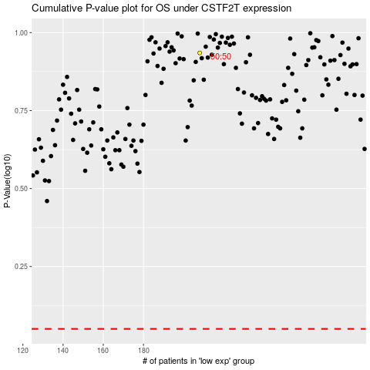

 |  |  |  |  |  | cases_OS | p_OS | rank | exp
 |  |  |  |  |  |  | cases_RFS | p_RFS | rank | exp

