CTAGE1 _multivariate
Reported by Tex Li-Hsing Chi. tex@gate.sinica.edu.tw 2019-08-20

Table 2. The clinicopathological features of HNSCC cohort and CTAGE1 expression. (Chi square test)
Cutoff at -0.255 (50.0%)
 |  | CTAGE1 expression |  | CTAGE1 expression |  | (Optimised)
 | Features | Low | (%) | High | (%) | Case no | P-value | Remark | Matthews
Gender | Female | 161 | 38.8 | 145 | 34.9 | 415 | 0.0792 | 0 | 0
2 | Male | 46 | 11.1 | 63 | 15.2
Age at diagnosis | <=65y | 139 | 33.5 | 135 | 32.5 | 415 | 0.7044 | 0 | 0
4 | >65y | 68 | 16.4 | 73 | 17.6
Clinical T Status | T1+T2 | 64 | 15.4 | 85 | 20.5 | 415 | 0.0445 | 1 | 0
6 | T3+T4 | 143 | 34.5 | 123 | 29.6
Clinical N Status | N0 | 105 | 25.3 | 111 | 26.7 | 415 | 0.6598 | 0 | 0
8 | N1-3 | 102 | 24.6 | 97 | 23.4
Clinical M Status | M0 | 206 | 49.6 | 206 | 49.6 | 415 | 1 | 0 | 0
10 | M1 | 1 | 0.2 | 2 | 0.5
Clinical Stage | Stage I+II | 41 | 9.9 | 61 | 14.7 | 415 | 0.0325 | 1 | 0
12 | Stage III+IV | 166 | 40 | 147 | 35.4
Surgical Margin status | Negative | 164 | 39.5 | 154 | 37.1 | 415 | 0.2462 | 0 | 0
14 | Positive | 43 | 10.4 | 54 | 13
Tobacco Exposure | Low | 79 | 19 | 82 | 19.8 | 415 | 0.8405 | 0 | 0
16 | High | 128 | 30.8 | 126 | 30.4

Table 3. Univariate/Multivariate Cox's proportional hazards regression analyses on OS time of CTAGE1 gene expression in HNSCC

 |  | Univariate |  |  |  | Multivariate
 | Features | HR | CI95%(L) | CI95%(H) | P-value | HR | CI95%(L) | CI95%(H) | P-value
1 | Female | 1 |  |  |  | 1
Gender | Male | 1.157 | 0.843 | 1.587 | 0.367 | 1.197 | 0.857 | 1.671 | 0.292
11 | <=65y | 1 |  |  |  | 1
Age at diagnosis | >65y | 1.329 | 0.99 | 1.784 | 0.058 | 1.393 | 1.025 | 1.893 | 0.034
12 | T1+T2 | 1 |  |  |  | 1
Clinical T Status | T3+T4 | 1.409 | 1.028 | 1.931 | 0.033 | 2.213 | 1.17 | 4.185 | 0.015
13 | N0 | 1 |  |  |  | 1
Clinical N Status | N1-3 | 1.185 | 0.89 | 1.577 | 0.246 | 1.244 | 0.872 | 1.775 | 0.229
14 | M0 | 1 |  |  |  | 1
Clinical M Status | M1 | 4.097 | 1.009 | 16.644 | 0.049 | 9.292 | 2.026 | 42.615 | 0.004
15 | Stage I+II | 1 |  |  |  | 1
Clinical Stage | Stage III+IV | 1.245 | 0.882 | 1.759 | 0.213 | 0.504 | 0.235 | 1.083 | 0.079
16 | Negative | 1 |  |  |  | 1
Surgical Margin status | Positive | 1.591 | 1.155 | 2.191 | 0.004 | 1.667 | 1.206 | 2.305 | 0.002
17 | Low | 1 |  |  |  | 1
Tobacco Exposure | High | 1.364 | 1.008 | 1.844 | 0.044 | 1.443 | 1.047 | 1.988 | 0.025
18 | Low | 1 |  |  |  | 1
RNAseq(z-score) | High | 1.124 | 0.844 | 1.497 | 0.425 | 1.106 | 0.83 | 1.475 | 0.491

Table 4. Univariate/Multivariate Cox's proportional hazards regression analyses on RFS time of CTAGE1 gene expression in HNSCC

 |  | Univariate |  |  |  | Multivariate
 | Features | HR | CI95%(L) | CI95%(H) | P-value | HR | CI95%(L) | CI95%(H) | P-value
1 | Female | 1 |  |  |  | 1
Gender | Male | 1.157 | 0.843 | 1.587 | 0.367 | 1.197 | 0.857 | 1.671 | 0.292
11 | <=65y | 1 |  |  |  | 1
Age at diagnosis | >65y | 1.329 | 0.99 | 1.784 | 0.058 | 1.393 | 1.025 | 1.893 | 0.034
12 | T1+T2 | 1 |  |  |  | 1
Clinical T Status | T3+T4 | 1.409 | 1.028 | 1.931 | 0.033 | 2.213 | 1.17 | 4.185 | 0.015
13 | N0 | 1 |  |  |  | 1
Clinical N Status | N1-3 | 1.185 | 0.89 | 1.577 | 0.246 | 1.244 | 0.872 | 1.775 | 0.229
14 | M0 | 1 |  |  |  | 1
Clinical M Status | M1 | 4.097 | 1.009 | 16.644 | 0.049 | 9.292 | 2.026 | 42.615 | 0.004
15 | Stage I+II | 1 |  |  |  | 1
Clinical Stage | Stage III+IV | 1.245 | 0.882 | 1.759 | 0.213 | 0.504 | 0.235 | 1.083 | 0.079
16 | Negative | 1 |  |  |  | 1
Surgical Margin status | Positive | 1.591 | 1.155 | 2.191 | 0.004 | 1.667 | 1.206 | 2.305 | 0.002
17 | Low | 1 |  |  |  | 1
Tobacco Exposure | High | 1.364 | 1.008 | 1.844 | 0.044 | 1.443 | 1.047 | 1.988 | 0.025
18 | Low | 1 |  |  |  | 1
RNAseq(z-score) | High | 1.124 | 0.844 | 1.497 | 0.425 | 1.106 | 0.83 | 1.475 | 0.491

Kaplan-Meier survival estimate: Cutoff at -0.255 (50.0%)



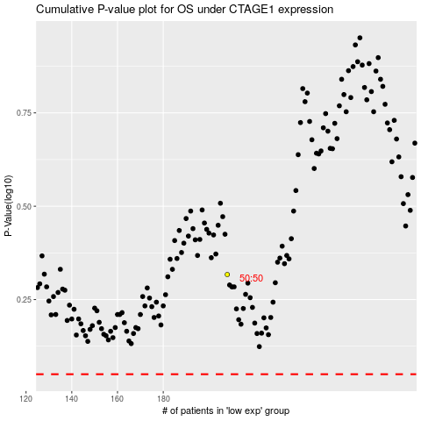

 |  |  |  |  |  | cases_OS | p_OS | rank | exp
 |  |  |  |  |  |  | cases_RFS | p_RFS | rank | exp

