CTAGE4 _multivariate
Reported by Tex Li-Hsing Chi. tex@gate.sinica.edu.tw 2019-08-20

Table 2. The clinicopathological features of HNSCC cohort and CTAGE4 expression. (Chi square test)
Cutoff at -0.237 (50.0%)
 |  | CTAGE4 expression |  | CTAGE4 expression |  | (Optimised)
 | Features | Low | (%) | High | (%) | Case no | P-value | Remark | Matthews
Gender | Female | 158 | 38.1 | 148 | 35.7 | 415 | 0.2774 | 0 | 0
2 | Male | 49 | 11.8 | 60 | 14.5
Age at diagnosis | <=65y | 146 | 35.2 | 128 | 30.8 | 415 | 0.0672 | 0 | 0
4 | >65y | 61 | 14.7 | 80 | 19.3
Clinical T Status | T1+T2 | 78 | 18.8 | 71 | 17.1 | 415 | 0.5152 | 0 | 0
6 | T3+T4 | 129 | 31.1 | 137 | 33
Clinical N Status | N0 | 93 | 22.4 | 123 | 29.6 | 415 | 0.0051 | 1 | 0
8 | N1-3 | 114 | 27.5 | 85 | 20.5
Clinical M Status | M0 | 206 | 49.6 | 206 | 49.6 | 415 | 1 | 0 | 0
10 | M1 | 1 | 0.2 | 2 | 0.5
Clinical Stage | Stage I+II | 48 | 11.6 | 54 | 13 | 415 | 0.5878 | 0 | 0
12 | Stage III+IV | 159 | 38.3 | 154 | 37.1
Surgical Margin status | Negative | 163 | 39.3 | 155 | 37.3 | 415 | 0.3537 | 0 | 0
14 | Positive | 44 | 10.6 | 53 | 12.8
Tobacco Exposure | Low | 73 | 17.6 | 88 | 21.2 | 415 | 0.1587 | 0 | 0
16 | High | 134 | 32.3 | 120 | 28.9

Table 3. Univariate/Multivariate Cox's proportional hazards regression analyses on OS time of CTAGE4 gene expression in HNSCC

 |  | Univariate |  |  |  | Multivariate
 | Features | HR | CI95%(L) | CI95%(H) | P-value | HR | CI95%(L) | CI95%(H) | P-value
1 | Female | 1 |  |  |  | 1
Gender | Male | 1.157 | 0.843 | 1.587 | 0.367 | 1.21 | 0.864 | 1.694 | 0.266
11 | <=65y | 1 |  |  |  | 1
Age at diagnosis | >65y | 1.329 | 0.99 | 1.784 | 0.058 | 1.397 | 1.027 | 1.902 | 0.033
12 | T1+T2 | 1 |  |  |  | 1
Clinical T Status | T3+T4 | 1.409 | 1.028 | 1.931 | 0.033 | 2.205 | 1.166 | 4.17 | 0.015
13 | N0 | 1 |  |  |  | 1
Clinical N Status | N1-3 | 1.185 | 0.89 | 1.577 | 0.246 | 1.227 | 0.855 | 1.761 | 0.267
14 | M0 | 1 |  |  |  | 1
Clinical M Status | M1 | 4.097 | 1.009 | 16.644 | 0.049 | 9.527 | 2.074 | 43.75 | 0.004
15 | Stage I+II | 1 |  |  |  | 1
Clinical Stage | Stage III+IV | 1.245 | 0.882 | 1.759 | 0.213 | 0.506 | 0.236 | 1.086 | 0.08
16 | Negative | 1 |  |  |  | 1
Surgical Margin status | Positive | 1.591 | 1.155 | 2.191 | 0.004 | 1.683 | 1.215 | 2.332 | 0.002
17 | Low | 1 |  |  |  | 1
Tobacco Exposure | High | 1.364 | 1.008 | 1.844 | 0.044 | 1.452 | 1.054 | 2 | 0.023
18 | Low | 1 |  |  |  | 1
RNAseq(z-score) | High | 1.023 | 0.768 | 1.363 | 0.876 | 0.95 | 0.704 | 1.281 | 0.737

Table 4. Univariate/Multivariate Cox's proportional hazards regression analyses on RFS time of CTAGE4 gene expression in HNSCC

 |  | Univariate |  |  |  | Multivariate
 | Features | HR | CI95%(L) | CI95%(H) | P-value | HR | CI95%(L) | CI95%(H) | P-value
1 | Female | 1 |  |  |  | 1
Gender | Male | 1.157 | 0.843 | 1.587 | 0.367 | 1.21 | 0.864 | 1.694 | 0.266
11 | <=65y | 1 |  |  |  | 1
Age at diagnosis | >65y | 1.329 | 0.99 | 1.784 | 0.058 | 1.397 | 1.027 | 1.902 | 0.033
12 | T1+T2 | 1 |  |  |  | 1
Clinical T Status | T3+T4 | 1.409 | 1.028 | 1.931 | 0.033 | 2.205 | 1.166 | 4.17 | 0.015
13 | N0 | 1 |  |  |  | 1
Clinical N Status | N1-3 | 1.185 | 0.89 | 1.577 | 0.246 | 1.227 | 0.855 | 1.761 | 0.267
14 | M0 | 1 |  |  |  | 1
Clinical M Status | M1 | 4.097 | 1.009 | 16.644 | 0.049 | 9.527 | 2.074 | 43.75 | 0.004
15 | Stage I+II | 1 |  |  |  | 1
Clinical Stage | Stage III+IV | 1.245 | 0.882 | 1.759 | 0.213 | 0.506 | 0.236 | 1.086 | 0.08
16 | Negative | 1 |  |  |  | 1
Surgical Margin status | Positive | 1.591 | 1.155 | 2.191 | 0.004 | 1.683 | 1.215 | 2.332 | 0.002
17 | Low | 1 |  |  |  | 1
Tobacco Exposure | High | 1.364 | 1.008 | 1.844 | 0.044 | 1.452 | 1.054 | 2 | 0.023
18 | Low | 1 |  |  |  | 1
RNAseq(z-score) | High | 1.023 | 0.768 | 1.363 | 0.876 | 0.95 | 0.704 | 1.281 | 0.737

Kaplan-Meier survival estimate: Cutoff at -0.237 (50.0%)



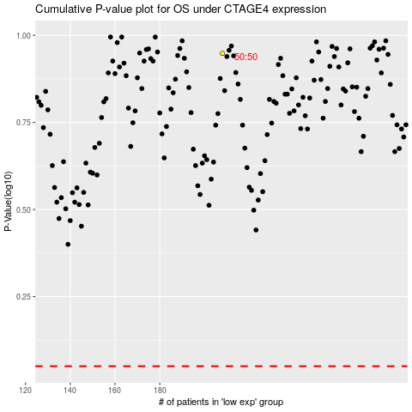

 |  |  |  |  |  | cases_OS | p_OS | rank | exp
 |  |  |  |  |  |  | cases_RFS | p_RFS | rank | exp

