CTAGE5 _multivariate
Reported by Tex Li-Hsing Chi. tex@gate.sinica.edu.tw 2019-08-20

Table 2. The clinicopathological features of HNSCC cohort and CTAGE5 expression. (Chi square test)
Cutoff at -0.309 (49.8%)
 |  | CTAGE5 expression |  | CTAGE5 expression |  | (Optimised)
 | Features | Low | (%) | High | (%) | Case no | P-value | Remark | Matthews
Gender | Female | 161 | 38.8 | 145 | 34.9 | 415 | 0.0792 | 0 | 0
2 | Male | 46 | 11.1 | 63 | 15.2
Age at diagnosis | <=65y | 139 | 33.5 | 135 | 32.5 | 415 | 0.7044 | 0 | 0
4 | >65y | 68 | 16.4 | 73 | 17.6
Clinical T Status | T1+T2 | 74 | 17.8 | 75 | 18.1 | 415 | 1 | 0 | 0
6 | T3+T4 | 133 | 32 | 133 | 32
Clinical N Status | N0 | 100 | 24.1 | 116 | 28 | 415 | 0.1548 | 0 | 0
8 | N1-3 | 107 | 25.8 | 92 | 22.2
Clinical M Status | M0 | 206 | 49.6 | 206 | 49.6 | 415 | 1 | 0 | 0
10 | M1 | 1 | 0.2 | 2 | 0.5
Clinical Stage | Stage I+II | 49 | 11.8 | 53 | 12.8 | 415 | 0.7535 | 0 | 0
12 | Stage III+IV | 158 | 38.1 | 155 | 37.3
Surgical Margin status | Negative | 163 | 39.3 | 155 | 37.3 | 415 | 0.3537 | 0 | 0
14 | Positive | 44 | 10.6 | 53 | 12.8
Tobacco Exposure | Low | 81 | 19.5 | 80 | 19.3 | 415 | 0.9199 | 0 | 0
16 | High | 126 | 30.4 | 128 | 30.8

Table 3. Univariate/Multivariate Cox's proportional hazards regression analyses on OS time of CTAGE5 gene expression in HNSCC

 |  | Univariate |  |  |  | Multivariate
 | Features | HR | CI95%(L) | CI95%(H) | P-value | HR | CI95%(L) | CI95%(H) | P-value
1 | Female | 1 |  |  |  | 1
Gender | Male | 1.157 | 0.843 | 1.587 | 0.367 | 1.188 | 0.851 | 1.66 | 0.311
11 | <=65y | 1 |  |  |  | 1
Age at diagnosis | >65y | 1.329 | 0.99 | 1.784 | 0.058 | 1.392 | 1.025 | 1.891 | 0.034
12 | T1+T2 | 1 |  |  |  | 1
Clinical T Status | T3+T4 | 1.409 | 1.028 | 1.931 | 0.033 | 2.201 | 1.164 | 4.162 | 0.015
13 | N0 | 1 |  |  |  | 1
Clinical N Status | N1-3 | 1.185 | 0.89 | 1.577 | 0.246 | 1.272 | 0.89 | 1.819 | 0.187
14 | M0 | 1 |  |  |  | 1
Clinical M Status | M1 | 4.097 | 1.009 | 16.644 | 0.049 | 9.09 | 1.981 | 41.713 | 0.005
15 | Stage I+II | 1 |  |  |  | 1
Clinical Stage | Stage III+IV | 1.245 | 0.882 | 1.759 | 0.213 | 0.494 | 0.23 | 1.06 | 0.07
16 | Negative | 1 |  |  |  | 1
Surgical Margin status | Positive | 1.591 | 1.155 | 2.191 | 0.004 | 1.665 | 1.204 | 2.302 | 0.002
17 | Low | 1 |  |  |  | 1
Tobacco Exposure | High | 1.364 | 1.008 | 1.844 | 0.044 | 1.443 | 1.047 | 1.987 | 0.025
18 | Low | 1 |  |  |  | 1
RNAseq(z-score) | High | 1.218 | 0.914 | 1.623 | 0.178 | 1.2 | 0.898 | 1.602 | 0.217

Table 4. Univariate/Multivariate Cox's proportional hazards regression analyses on RFS time of CTAGE5 gene expression in HNSCC

 |  | Univariate |  |  |  | Multivariate
 | Features | HR | CI95%(L) | CI95%(H) | P-value | HR | CI95%(L) | CI95%(H) | P-value
1 | Female | 1 |  |  |  | 1
Gender | Male | 1.157 | 0.843 | 1.587 | 0.367 | 1.188 | 0.851 | 1.66 | 0.311
11 | <=65y | 1 |  |  |  | 1
Age at diagnosis | >65y | 1.329 | 0.99 | 1.784 | 0.058 | 1.392 | 1.025 | 1.891 | 0.034
12 | T1+T2 | 1 |  |  |  | 1
Clinical T Status | T3+T4 | 1.409 | 1.028 | 1.931 | 0.033 | 2.201 | 1.164 | 4.162 | 0.015
13 | N0 | 1 |  |  |  | 1
Clinical N Status | N1-3 | 1.185 | 0.89 | 1.577 | 0.246 | 1.272 | 0.89 | 1.819 | 0.187
14 | M0 | 1 |  |  |  | 1
Clinical M Status | M1 | 4.097 | 1.009 | 16.644 | 0.049 | 9.09 | 1.981 | 41.713 | 0.005
15 | Stage I+II | 1 |  |  |  | 1
Clinical Stage | Stage III+IV | 1.245 | 0.882 | 1.759 | 0.213 | 0.494 | 0.23 | 1.06 | 0.07
16 | Negative | 1 |  |  |  | 1
Surgical Margin status | Positive | 1.591 | 1.155 | 2.191 | 0.004 | 1.665 | 1.204 | 2.302 | 0.002
17 | Low | 1 |  |  |  | 1
Tobacco Exposure | High | 1.364 | 1.008 | 1.844 | 0.044 | 1.443 | 1.047 | 1.987 | 0.025
18 | Low | 1 |  |  |  | 1
RNAseq(z-score) | High | 1.218 | 0.914 | 1.623 | 0.178 | 1.2 | 0.898 | 1.602 | 0.217

Kaplan-Meier survival estimate: Cutoff at -0.309 (49.8%)



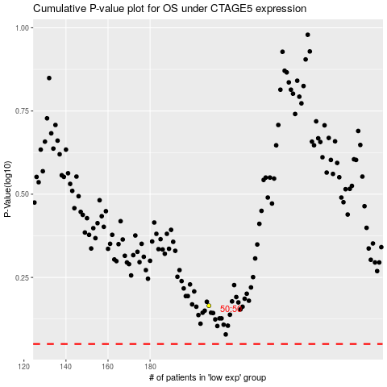

 |  |  |  |  |  | cases_OS | p_OS | rank | exp
 |  |  |  |  |  |  | cases_RFS | p_RFS | rank | exp

