CTAGE9 _multivariate
Reported by Tex Li-Hsing Chi. tex@gate.sinica.edu.tw 2019-08-20

Table 2. The clinicopathological features of HNSCC cohort and CTAGE9 expression. (Chi square test)
Cutoff at -0.245 (49.8%)
 |  | CTAGE9 expression |  | CTAGE9 expression |  | (Optimised)
 | Features | Low | (%) | High | (%) | Case no | P-value | Remark | Matthews
Gender | Female | 159 | 38.3 | 147 | 35.4 | 415 | 0.1905 | 0 | 0
2 | Male | 48 | 11.6 | 61 | 14.7
Age at diagnosis | <=65y | 149 | 35.9 | 125 | 30.1 | 415 | 0.0142 | 1 | 0
4 | >65y | 58 | 14 | 83 | 20
Clinical T Status | T1+T2 | 81 | 19.5 | 68 | 16.4 | 415 | 0.206 | 0 | 0
6 | T3+T4 | 126 | 30.4 | 140 | 33.7
Clinical N Status | N0 | 97 | 23.4 | 119 | 28.7 | 415 | 0.0442 | 1 | 0
8 | N1-3 | 110 | 26.5 | 89 | 21.4
Clinical M Status | M0 | 206 | 49.6 | 206 | 49.6 | 415 | 1 | 0 | 0
10 | M1 | 1 | 0.2 | 2 | 0.5
Clinical Stage | Stage I+II | 51 | 12.3 | 51 | 12.3 | 415 | 1 | 0 | 0
12 | Stage III+IV | 156 | 37.6 | 157 | 37.8
Surgical Margin status | Negative | 166 | 40 | 152 | 36.6 | 415 | 0.1042 | 0 | 0
14 | Positive | 41 | 9.9 | 56 | 13.5
Tobacco Exposure | Low | 76 | 18.3 | 85 | 20.5 | 415 | 0.4207 | 0 | 0
16 | High | 131 | 31.6 | 123 | 29.6

Table 3. Univariate/Multivariate Cox's proportional hazards regression analyses on OS time of CTAGE9 gene expression in HNSCC

 |  | Univariate |  |  |  | Multivariate
 | Features | HR | CI95%(L) | CI95%(H) | P-value | HR | CI95%(L) | CI95%(H) | P-value
1 | Female | 1 |  |  |  | 1
Gender | Male | 1.157 | 0.843 | 1.587 | 0.367 | 1.22 | 0.871 | 1.707 | 0.247
11 | <=65y | 1 |  |  |  | 1
Age at diagnosis | >65y | 1.329 | 0.99 | 1.784 | 0.058 | 1.41 | 1.035 | 1.921 | 0.029
12 | T1+T2 | 1 |  |  |  | 1
Clinical T Status | T3+T4 | 1.409 | 1.028 | 1.931 | 0.033 | 2.219 | 1.173 | 4.197 | 0.014
13 | N0 | 1 |  |  |  | 1
Clinical N Status | N1-3 | 1.185 | 0.89 | 1.577 | 0.246 | 1.222 | 0.854 | 1.747 | 0.273
14 | M0 | 1 |  |  |  | 1
Clinical M Status | M1 | 4.097 | 1.009 | 16.644 | 0.049 | 9.66 | 2.103 | 44.366 | 0.004
15 | Stage I+II | 1 |  |  |  | 1
Clinical Stage | Stage III+IV | 1.245 | 0.882 | 1.759 | 0.213 | 0.505 | 0.236 | 1.084 | 0.08
16 | Negative | 1 |  |  |  | 1
Surgical Margin status | Positive | 1.591 | 1.155 | 2.191 | 0.004 | 1.694 | 1.223 | 2.347 | 0.002
17 | Low | 1 |  |  |  | 1
Tobacco Exposure | High | 1.364 | 1.008 | 1.844 | 0.044 | 1.453 | 1.055 | 2.001 | 0.022
18 | Low | 1 |  |  |  | 1
RNAseq(z-score) | High | 0.999 | 0.75 | 1.331 | 0.995 | 0.899 | 0.668 | 1.209 | 0.481

Table 4. Univariate/Multivariate Cox's proportional hazards regression analyses on RFS time of CTAGE9 gene expression in HNSCC

 |  | Univariate |  |  |  | Multivariate
 | Features | HR | CI95%(L) | CI95%(H) | P-value | HR | CI95%(L) | CI95%(H) | P-value
1 | Female | 1 |  |  |  | 1
Gender | Male | 1.157 | 0.843 | 1.587 | 0.367 | 1.22 | 0.871 | 1.707 | 0.247
11 | <=65y | 1 |  |  |  | 1
Age at diagnosis | >65y | 1.329 | 0.99 | 1.784 | 0.058 | 1.41 | 1.035 | 1.921 | 0.029
12 | T1+T2 | 1 |  |  |  | 1
Clinical T Status | T3+T4 | 1.409 | 1.028 | 1.931 | 0.033 | 2.219 | 1.173 | 4.197 | 0.014
13 | N0 | 1 |  |  |  | 1
Clinical N Status | N1-3 | 1.185 | 0.89 | 1.577 | 0.246 | 1.222 | 0.854 | 1.747 | 0.273
14 | M0 | 1 |  |  |  | 1
Clinical M Status | M1 | 4.097 | 1.009 | 16.644 | 0.049 | 9.66 | 2.103 | 44.366 | 0.004
15 | Stage I+II | 1 |  |  |  | 1
Clinical Stage | Stage III+IV | 1.245 | 0.882 | 1.759 | 0.213 | 0.505 | 0.236 | 1.084 | 0.08
16 | Negative | 1 |  |  |  | 1
Surgical Margin status | Positive | 1.591 | 1.155 | 2.191 | 0.004 | 1.694 | 1.223 | 2.347 | 0.002
17 | Low | 1 |  |  |  | 1
Tobacco Exposure | High | 1.364 | 1.008 | 1.844 | 0.044 | 1.453 | 1.055 | 2.001 | 0.022
18 | Low | 1 |  |  |  | 1
RNAseq(z-score) | High | 0.999 | 0.75 | 1.331 | 0.995 | 0.899 | 0.668 | 1.209 | 0.481

Kaplan-Meier survival estimate: Cutoff at -0.245 (49.8%)



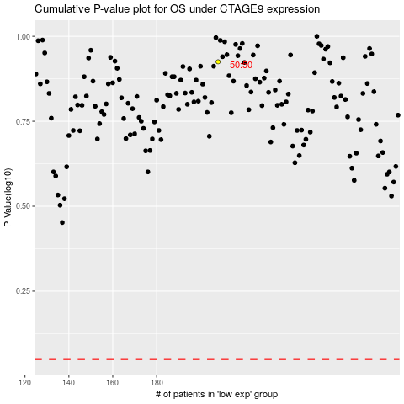

 |  |  |  |  |  | cases_OS | p_OS | rank | exp
 |  |  |  |  |  |  | cases_RFS | p_RFS | rank | exp

