CTHRC1 _multivariate
Reported by Tex Li-Hsing Chi. tex@gate.sinica.edu.tw 2019-08-20

Table 2. The clinicopathological features of HNSCC cohort and CTHRC1 expression. (Chi square test)
Cutoff at 0.005 (64.3%)
 |  | CTHRC1 expression |  | CTHRC1 expression |  | (Optimised)
 | Features | Low | (%) | High | (%) | Case no | P-value | Remark | Matthews
Gender | Female | 199 | 48 | 107 | 25.8 | 415 | 0.7047 | 0 | 0
2 | Male | 68 | 16.4 | 41 | 9.9
Age at diagnosis | <=65y | 181 | 43.6 | 93 | 22.4 | 415 | 0.3617 | 0 | 0
4 | >65y | 86 | 20.7 | 55 | 13.3
Clinical T Status | T1+T2 | 101 | 24.3 | 48 | 11.6 | 415 | 0.3219 | 0 | 0
6 | T3+T4 | 166 | 40 | 100 | 24.1
Clinical N Status | N0 | 141 | 34 | 75 | 18.1 | 415 | 0.7534 | 0 | 0
8 | N1-3 | 126 | 30.4 | 73 | 17.6
Clinical M Status | M0 | 264 | 63.6 | 148 | 35.7 | 415 | 0.5556 | 0 | 0
10 | M1 | 3 | 0.7 | 0 | 0
Clinical Stage | Stage I+II | 66 | 15.9 | 36 | 8.7 | 415 | 1 | 0 | 0
12 | Stage III+IV | 201 | 48.4 | 112 | 27
Surgical Margin status | Negative | 206 | 49.6 | 112 | 27 | 415 | 0.8088 | 0 | 0
14 | Positive | 61 | 14.7 | 36 | 8.7
Tobacco Exposure | Low | 110 | 26.5 | 51 | 12.3 | 415 | 0.207 | 0 | 0
16 | High | 157 | 37.8 | 97 | 23.4

Table 3. Univariate/Multivariate Cox's proportional hazards regression analyses on OS time of CTHRC1 gene expression in HNSCC

 |  | Univariate |  |  |  | Multivariate
 | Features | HR | CI95%(L) | CI95%(H) | P-value | HR | CI95%(L) | CI95%(H) | P-value
1 | Female | 1 |  |  |  | 1
Gender | Male | 1.157 | 0.843 | 1.587 | 0.367 | 1.178 | 0.843 | 1.646 | 0.337
11 | <=65y | 1 |  |  |  | 1
Age at diagnosis | >65y | 1.329 | 0.99 | 1.784 | 0.058 | 1.391 | 1.023 | 1.891 | 0.035
12 | T1+T2 | 1 |  |  |  | 1
Clinical T Status | T3+T4 | 1.409 | 1.028 | 1.931 | 0.033 | 2.126 | 1.123 | 4.023 | 0.02
13 | N0 | 1 |  |  |  | 1
Clinical N Status | N1-3 | 1.185 | 0.89 | 1.577 | 0.246 | 1.221 | 0.856 | 1.743 | 0.271
14 | M0 | 1 |  |  |  | 1
Clinical M Status | M1 | 4.097 | 1.009 | 16.644 | 0.049 | 10.061 | 2.19 | 46.211 | 0.003
15 | Stage I+II | 1 |  |  |  | 1
Clinical Stage | Stage III+IV | 1.245 | 0.882 | 1.759 | 0.213 | 0.528 | 0.245 | 1.135 | 0.102
16 | Negative | 1 |  |  |  | 1
Surgical Margin status | Positive | 1.591 | 1.155 | 2.191 | 0.004 | 1.665 | 1.205 | 2.3 | 0.002
17 | Low | 1 |  |  |  | 1
Tobacco Exposure | High | 1.364 | 1.008 | 1.844 | 0.044 | 1.433 | 1.04 | 1.975 | 0.028
18 | Low | 1 |  |  |  | 1
RNAseq(z-score) | High | 1.344 | 1.002 | 1.802 | 0.048 | 1.291 | 0.959 | 1.736 | 0.092

Table 4. Univariate/Multivariate Cox's proportional hazards regression analyses on RFS time of CTHRC1 gene expression in HNSCC

 |  | Univariate |  |  |  | Multivariate
 | Features | HR | CI95%(L) | CI95%(H) | P-value | HR | CI95%(L) | CI95%(H) | P-value
1 | Female | 1 |  |  |  | 1
Gender | Male | 1.157 | 0.843 | 1.587 | 0.367 | 1.178 | 0.843 | 1.646 | 0.337
11 | <=65y | 1 |  |  |  | 1
Age at diagnosis | >65y | 1.329 | 0.99 | 1.784 | 0.058 | 1.391 | 1.023 | 1.891 | 0.035
12 | T1+T2 | 1 |  |  |  | 1
Clinical T Status | T3+T4 | 1.409 | 1.028 | 1.931 | 0.033 | 2.126 | 1.123 | 4.023 | 0.02
13 | N0 | 1 |  |  |  | 1
Clinical N Status | N1-3 | 1.185 | 0.89 | 1.577 | 0.246 | 1.221 | 0.856 | 1.743 | 0.271
14 | M0 | 1 |  |  |  | 1
Clinical M Status | M1 | 4.097 | 1.009 | 16.644 | 0.049 | 10.061 | 2.19 | 46.211 | 0.003
15 | Stage I+II | 1 |  |  |  | 1
Clinical Stage | Stage III+IV | 1.245 | 0.882 | 1.759 | 0.213 | 0.528 | 0.245 | 1.135 | 0.102
16 | Negative | 1 |  |  |  | 1
Surgical Margin status | Positive | 1.591 | 1.155 | 2.191 | 0.004 | 1.665 | 1.205 | 2.3 | 0.002
17 | Low | 1 |  |  |  | 1
Tobacco Exposure | High | 1.364 | 1.008 | 1.844 | 0.044 | 1.433 | 1.04 | 1.975 | 0.028
18 | Low | 1 |  |  |  | 1
RNAseq(z-score) | High | 1.344 | 1.002 | 1.802 | 0.048 | 1.291 | 0.959 | 1.736 | 0.092

Kaplan-Meier survival estimate: Cutoff at 0.005 (64.3%)



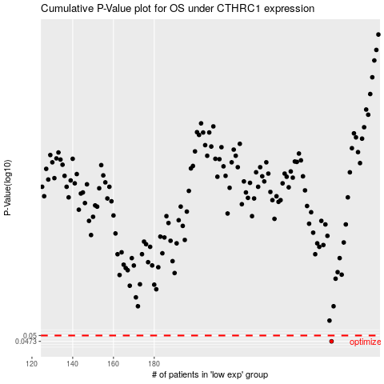

 |  |  |  |  |  | cases_OS | p_OS | rank | exp
 |  |  |  |  |  | 267 | 0.0473 | 115 | 0.0046053503978
 |  |  |  |  |  |  | cases_RFS | p_RFS | rank | exp
 |  |  |  |  |  |  | 266 | 0.0473 | 329 | 0.0041365481357

