CTNNA1 _multivariate
Reported by Tex Li-Hsing Chi. tex@gate.sinica.edu.tw 2019-08-20

Table 2. The clinicopathological features of HNSCC cohort and CTNNA1 expression. (Chi square test)
Cutoff at -0.177 (49.8%)
 |  | CTNNA1 expression |  | CTNNA1 expression |  | (Optimised)
 | Features | Low | (%) | High | (%) | Case no | P-value | Remark | Matthews
Gender | Female | 159 | 38.3 | 147 | 35.4 | 415 | 0.1905 | 0 | 0
2 | Male | 48 | 11.6 | 61 | 14.7
Age at diagnosis | <=65y | 144 | 34.7 | 130 | 31.3 | 415 | 0.1568 | 0 | 0
4 | >65y | 63 | 15.2 | 78 | 18.8
Clinical T Status | T1+T2 | 72 | 17.3 | 77 | 18.6 | 415 | 0.7095 | 0 | 0
6 | T3+T4 | 135 | 32.5 | 131 | 31.6
Clinical N Status | N0 | 107 | 25.8 | 109 | 26.3 | 415 | 0.9624 | 0 | 0
8 | N1-3 | 100 | 24.1 | 99 | 23.9
Clinical M Status | M0 | 206 | 49.6 | 206 | 49.6 | 415 | 1 | 0 | 0
10 | M1 | 1 | 0.2 | 2 | 0.5
Clinical Stage | Stage I+II | 53 | 12.8 | 49 | 11.8 | 415 | 0.7113 | 0 | 0
12 | Stage III+IV | 154 | 37.1 | 159 | 38.3
Surgical Margin status | Negative | 161 | 38.8 | 157 | 37.8 | 415 | 0.6429 | 0 | 0
14 | Positive | 46 | 11.1 | 51 | 12.3
Tobacco Exposure | Low | 70 | 16.9 | 91 | 21.9 | 415 | 0.0439 | 1 | 0
16 | High | 137 | 33 | 117 | 28.2

Table 3. Univariate/Multivariate Cox's proportional hazards regression analyses on OS time of CTNNA1 gene expression in HNSCC

 |  | Univariate |  |  |  | Multivariate
 | Features | HR | CI95%(L) | CI95%(H) | P-value | HR | CI95%(L) | CI95%(H) | P-value
1 | Female | 1 |  |  |  | 1
Gender | Male | 1.157 | 0.843 | 1.587 | 0.367 | 1.204 | 0.864 | 1.68 | 0.273
11 | <=65y | 1 |  |  |  | 1
Age at diagnosis | >65y | 1.329 | 0.99 | 1.784 | 0.058 | 1.403 | 1.031 | 1.909 | 0.031
12 | T1+T2 | 1 |  |  |  | 1
Clinical T Status | T3+T4 | 1.409 | 1.028 | 1.931 | 0.033 | 2.345 | 1.236 | 4.45 | 0.009
13 | N0 | 1 |  |  |  | 1
Clinical N Status | N1-3 | 1.185 | 0.89 | 1.577 | 0.246 | 1.278 | 0.895 | 1.826 | 0.177
14 | M0 | 1 |  |  |  | 1
Clinical M Status | M1 | 4.097 | 1.009 | 16.644 | 0.049 | 9.674 | 2.109 | 44.382 | 0.004
15 | Stage I+II | 1 |  |  |  | 1
Clinical Stage | Stage III+IV | 1.245 | 0.882 | 1.759 | 0.213 | 0.461 | 0.214 | 0.997 | 0.049
16 | Negative | 1 |  |  |  | 1
Surgical Margin status | Positive | 1.591 | 1.155 | 2.191 | 0.004 | 1.673 | 1.211 | 2.312 | 0.002
17 | Low | 1 |  |  |  | 1
Tobacco Exposure | High | 1.364 | 1.008 | 1.844 | 0.044 | 1.507 | 1.09 | 2.083 | 0.013
18 | Low | 1 |  |  |  | 1
RNAseq(z-score) | High | 1.182 | 0.885 | 1.579 | 0.257 | 1.294 | 0.964 | 1.738 | 0.086

Table 4. Univariate/Multivariate Cox's proportional hazards regression analyses on RFS time of CTNNA1 gene expression in HNSCC

 |  | Univariate |  |  |  | Multivariate
 | Features | HR | CI95%(L) | CI95%(H) | P-value | HR | CI95%(L) | CI95%(H) | P-value
1 | Female | 1 |  |  |  | 1
Gender | Male | 1.157 | 0.843 | 1.587 | 0.367 | 1.204 | 0.864 | 1.68 | 0.273
11 | <=65y | 1 |  |  |  | 1
Age at diagnosis | >65y | 1.329 | 0.99 | 1.784 | 0.058 | 1.403 | 1.031 | 1.909 | 0.031
12 | T1+T2 | 1 |  |  |  | 1
Clinical T Status | T3+T4 | 1.409 | 1.028 | 1.931 | 0.033 | 2.345 | 1.236 | 4.45 | 0.009
13 | N0 | 1 |  |  |  | 1
Clinical N Status | N1-3 | 1.185 | 0.89 | 1.577 | 0.246 | 1.278 | 0.895 | 1.826 | 0.177
14 | M0 | 1 |  |  |  | 1
Clinical M Status | M1 | 4.097 | 1.009 | 16.644 | 0.049 | 9.674 | 2.109 | 44.382 | 0.004
15 | Stage I+II | 1 |  |  |  | 1
Clinical Stage | Stage III+IV | 1.245 | 0.882 | 1.759 | 0.213 | 0.461 | 0.214 | 0.997 | 0.049
16 | Negative | 1 |  |  |  | 1
Surgical Margin status | Positive | 1.591 | 1.155 | 2.191 | 0.004 | 1.673 | 1.211 | 2.312 | 0.002
17 | Low | 1 |  |  |  | 1
Tobacco Exposure | High | 1.364 | 1.008 | 1.844 | 0.044 | 1.507 | 1.09 | 2.083 | 0.013
18 | Low | 1 |  |  |  | 1
RNAseq(z-score) | High | 1.182 | 0.885 | 1.579 | 0.257 | 1.294 | 0.964 | 1.738 | 0.086

Kaplan-Meier survival estimate: Cutoff at -0.177 (49.8%)



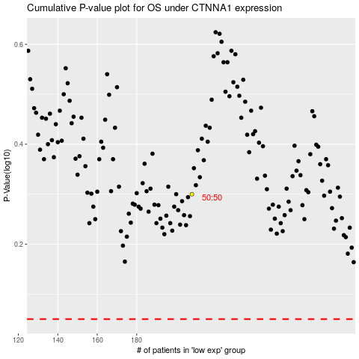

 |  |  |  |  |  | cases_OS | p_OS | rank | exp
 |  |  |  |  |  |  | cases_RFS | p_RFS | rank | exp

