CTNNB1 _multivariate
Reported by Tex Li-Hsing Chi. tex@gate.sinica.edu.tw 2019-08-20

Table 2. The clinicopathological features of HNSCC cohort and CTNNB1 expression. (Chi square test)
Cutoff at -0.04 (54.8%)
 |  | CTNNB1 expression |  | CTNNB1 expression |  | (Optimised)
 | Features | Low | (%) | High | (%) | Case no | P-value | Remark | Matthews
Gender | Female | 173 | 41.7 | 133 | 32 | 415 | 0.3257 | 0 | 0
2 | Male | 55 | 13.3 | 54 | 13
Age at diagnosis | <=65y | 159 | 38.3 | 115 | 27.7 | 415 | 0.0971 | 0 | 0
4 | >65y | 69 | 16.6 | 72 | 17.3
Clinical T Status | T1+T2 | 86 | 20.7 | 63 | 15.2 | 415 | 0.4541 | 0 | 0
6 | T3+T4 | 142 | 34.2 | 124 | 29.9
Clinical N Status | N0 | 121 | 29.2 | 95 | 22.9 | 415 | 0.7178 | 0 | 0
8 | N1-3 | 107 | 25.8 | 92 | 22.2
Clinical M Status | M0 | 226 | 54.5 | 186 | 44.8 | 415 | 1 | 0 | 0
10 | M1 | 2 | 0.5 | 1 | 0.2
Clinical Stage | Stage I+II | 56 | 13.5 | 46 | 11.1 | 415 | 1 | 0 | 0
12 | Stage III+IV | 172 | 41.4 | 141 | 34
Surgical Margin status | Negative | 172 | 41.4 | 146 | 35.2 | 415 | 0.5612 | 0 | 0
14 | Positive | 56 | 13.5 | 41 | 9.9
Tobacco Exposure | Low | 84 | 20.2 | 77 | 18.6 | 415 | 0.4181 | 0 | 0
16 | High | 144 | 34.7 | 110 | 26.5

Table 3. Univariate/Multivariate Cox's proportional hazards regression analyses on OS time of CTNNB1 gene expression in HNSCC

 |  | Univariate |  |  |  | Multivariate
 | Features | HR | CI95%(L) | CI95%(H) | P-value | HR | CI95%(L) | CI95%(H) | P-value
1 | Female | 1 |  |  |  | 1
Gender | Male | 1.157 | 0.843 | 1.587 | 0.367 | 1.208 | 0.865 | 1.689 | 0.268
11 | <=65y | 1 |  |  |  | 1
Age at diagnosis | >65y | 1.329 | 0.99 | 1.784 | 0.058 | 1.37 | 1.007 | 1.865 | 0.045
12 | T1+T2 | 1 |  |  |  | 1
Clinical T Status | T3+T4 | 1.409 | 1.028 | 1.931 | 0.033 | 2.135 | 1.128 | 4.043 | 0.02
13 | N0 | 1 |  |  |  | 1
Clinical N Status | N1-3 | 1.185 | 0.89 | 1.577 | 0.246 | 1.228 | 0.861 | 1.752 | 0.258
14 | M0 | 1 |  |  |  | 1
Clinical M Status | M1 | 4.097 | 1.009 | 16.644 | 0.049 | 10.026 | 2.184 | 46.036 | 0.003
15 | Stage I+II | 1 |  |  |  | 1
Clinical Stage | Stage III+IV | 1.245 | 0.882 | 1.759 | 0.213 | 0.524 | 0.244 | 1.124 | 0.097
16 | Negative | 1 |  |  |  | 1
Surgical Margin status | Positive | 1.591 | 1.155 | 2.191 | 0.004 | 1.734 | 1.252 | 2.402 | 0.001
17 | Low | 1 |  |  |  | 1
Tobacco Exposure | High | 1.364 | 1.008 | 1.844 | 0.044 | 1.483 | 1.076 | 2.045 | 0.016
18 | Low | 1 |  |  |  | 1
RNAseq(z-score) | High | 1.334 | 1 | 1.78 | 0.05 | 1.39 | 1.039 | 1.861 | 0.027

Table 4. Univariate/Multivariate Cox's proportional hazards regression analyses on RFS time of CTNNB1 gene expression in HNSCC

 |  | Univariate |  |  |  | Multivariate
 | Features | HR | CI95%(L) | CI95%(H) | P-value | HR | CI95%(L) | CI95%(H) | P-value
1 | Female | 1 |  |  |  | 1
Gender | Male | 1.157 | 0.843 | 1.587 | 0.367 | 1.208 | 0.865 | 1.689 | 0.268
11 | <=65y | 1 |  |  |  | 1
Age at diagnosis | >65y | 1.329 | 0.99 | 1.784 | 0.058 | 1.37 | 1.007 | 1.865 | 0.045
12 | T1+T2 | 1 |  |  |  | 1
Clinical T Status | T3+T4 | 1.409 | 1.028 | 1.931 | 0.033 | 2.135 | 1.128 | 4.043 | 0.02
13 | N0 | 1 |  |  |  | 1
Clinical N Status | N1-3 | 1.185 | 0.89 | 1.577 | 0.246 | 1.228 | 0.861 | 1.752 | 0.258
14 | M0 | 1 |  |  |  | 1
Clinical M Status | M1 | 4.097 | 1.009 | 16.644 | 0.049 | 10.026 | 2.184 | 46.036 | 0.003
15 | Stage I+II | 1 |  |  |  | 1
Clinical Stage | Stage III+IV | 1.245 | 0.882 | 1.759 | 0.213 | 0.524 | 0.244 | 1.124 | 0.097
16 | Negative | 1 |  |  |  | 1
Surgical Margin status | Positive | 1.591 | 1.155 | 2.191 | 0.004 | 1.734 | 1.252 | 2.402 | 0.001
17 | Low | 1 |  |  |  | 1
Tobacco Exposure | High | 1.364 | 1.008 | 1.844 | 0.044 | 1.483 | 1.076 | 2.045 | 0.016
18 | Low | 1 |  |  |  | 1
RNAseq(z-score) | High | 1.334 | 1 | 1.78 | 0.05 | 1.39 | 1.039 | 1.861 | 0.027

Kaplan-Meier survival estimate: Cutoff at -0.04 (54.8%)



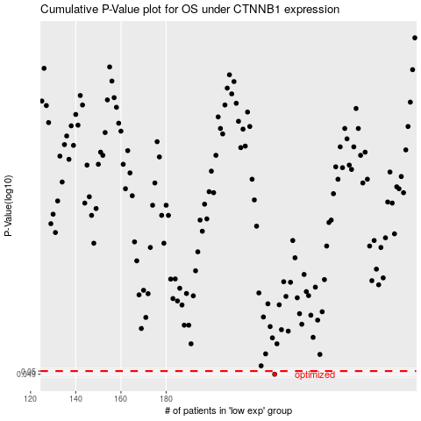

 |  |  |  |  |  | cases_OS | p_OS | rank | exp
 |  |  |  |  |  | 228 | 0.049 | 405 | -0.040325657471
 |  |  |  |  |  |  | cases_RFS | p_RFS | rank | exp
 |  |  |  |  |  |  | 227 | 0.049 | 71 | -0.041251488266

