CTSA _multivariate
Reported by Tex Li-Hsing Chi. tex@gate.sinica.edu.tw 2019-08-20

Table 2. The clinicopathological features of HNSCC cohort and CTSA expression. (Chi square test)
Cutoff at -0.481 (30.2%)
 |  | CTSA expression |  | CTSA expression |  | (Optimised)
 | Features | Low | (%) | High | (%) | Case no | P-value | Remark | Matthews
Gender | Female | 104 | 25.1 | 202 | 48.7 | 415 | 0.0059 | 1 | 0
2 | Male | 21 | 5.1 | 88 | 21.2
Age at diagnosis | <=65y | 85 | 20.5 | 189 | 45.5 | 415 | 0.6563 | 0 | 0
4 | >65y | 40 | 9.6 | 101 | 24.3
Clinical T Status | T1+T2 | 40 | 9.6 | 109 | 26.3 | 415 | 0.3287 | 0 | 0
6 | T3+T4 | 85 | 20.5 | 181 | 43.6
Clinical N Status | N0 | 69 | 16.6 | 147 | 35.4 | 415 | 0.4613 | 0 | 0
8 | N1-3 | 56 | 13.5 | 143 | 34.5
Clinical M Status | M0 | 124 | 29.9 | 288 | 69.4 | 415 | 1 | 0 | 0
10 | M1 | 1 | 0.2 | 2 | 0.5
Clinical Stage | Stage I+II | 29 | 7 | 73 | 17.6 | 415 | 0.7612 | 0 | 0
12 | Stage III+IV | 96 | 23.1 | 217 | 52.3
Surgical Margin status | Negative | 88 | 21.2 | 230 | 55.4 | 415 | 0.0579 | 0 | 0
14 | Positive | 37 | 8.9 | 60 | 14.5
Tobacco Exposure | Low | 32 | 7.7 | 129 | 31.1 | 415 | 3e-04 | 1 | 0
16 | High | 93 | 22.4 | 161 | 38.8

Table 3. Univariate/Multivariate Cox's proportional hazards regression analyses on OS time of CTSA gene expression in HNSCC

 |  | Univariate |  |  |  | Multivariate
 | Features | HR | CI95%(L) | CI95%(H) | P-value | HR | CI95%(L) | CI95%(H) | P-value
1 | Female | 1 |  |  |  | 1
Gender | Male | 1.157 | 0.843 | 1.587 | 0.367 | 1.304 | 0.924 | 1.841 | 0.131
11 | <=65y | 1 |  |  |  | 1
Age at diagnosis | >65y | 1.329 | 0.99 | 1.784 | 0.058 | 1.398 | 1.029 | 1.9 | 0.032
12 | T1+T2 | 1 |  |  |  | 1
Clinical T Status | T3+T4 | 1.409 | 1.028 | 1.931 | 0.033 | 2.174 | 1.148 | 4.113 | 0.017
13 | N0 | 1 |  |  |  | 1
Clinical N Status | N1-3 | 1.185 | 0.89 | 1.577 | 0.246 | 1.245 | 0.872 | 1.776 | 0.227
14 | M0 | 1 |  |  |  | 1
Clinical M Status | M1 | 4.097 | 1.009 | 16.644 | 0.049 | 9.826 | 2.14 | 45.11 | 0.003
15 | Stage I+II | 1 |  |  |  | 1
Clinical Stage | Stage III+IV | 1.245 | 0.882 | 1.759 | 0.213 | 0.515 | 0.24 | 1.105 | 0.088
16 | Negative | 1 |  |  |  | 1
Surgical Margin status | Positive | 1.591 | 1.155 | 2.191 | 0.004 | 1.647 | 1.191 | 2.278 | 0.003
17 | Low | 1 |  |  |  | 1
Tobacco Exposure | High | 1.364 | 1.008 | 1.844 | 0.044 | 1.405 | 1.018 | 1.938 | 0.039
18 | Low | 1 |  |  |  | 1
RNAseq(z-score) | High | 0.714 | 0.527 | 0.968 | 0.03 | 0.712 | 0.518 | 0.98 | 0.037

Table 4. Univariate/Multivariate Cox's proportional hazards regression analyses on RFS time of CTSA gene expression in HNSCC

 |  | Univariate |  |  |  | Multivariate
 | Features | HR | CI95%(L) | CI95%(H) | P-value | HR | CI95%(L) | CI95%(H) | P-value
1 | Female | 1 |  |  |  | 1
Gender | Male | 1.157 | 0.843 | 1.587 | 0.367 | 1.304 | 0.924 | 1.841 | 0.131
11 | <=65y | 1 |  |  |  | 1
Age at diagnosis | >65y | 1.329 | 0.99 | 1.784 | 0.058 | 1.398 | 1.029 | 1.9 | 0.032
12 | T1+T2 | 1 |  |  |  | 1
Clinical T Status | T3+T4 | 1.409 | 1.028 | 1.931 | 0.033 | 2.174 | 1.148 | 4.113 | 0.017
13 | N0 | 1 |  |  |  | 1
Clinical N Status | N1-3 | 1.185 | 0.89 | 1.577 | 0.246 | 1.245 | 0.872 | 1.776 | 0.227
14 | M0 | 1 |  |  |  | 1
Clinical M Status | M1 | 4.097 | 1.009 | 16.644 | 0.049 | 9.826 | 2.14 | 45.11 | 0.003
15 | Stage I+II | 1 |  |  |  | 1
Clinical Stage | Stage III+IV | 1.245 | 0.882 | 1.759 | 0.213 | 0.515 | 0.24 | 1.105 | 0.088
16 | Negative | 1 |  |  |  | 1
Surgical Margin status | Positive | 1.591 | 1.155 | 2.191 | 0.004 | 1.647 | 1.191 | 2.278 | 0.003
17 | Low | 1 |  |  |  | 1
Tobacco Exposure | High | 1.364 | 1.008 | 1.844 | 0.044 | 1.405 | 1.018 | 1.938 | 0.039
18 | Low | 1 |  |  |  | 1
RNAseq(z-score) | High | 0.714 | 0.527 | 0.968 | 0.03 | 0.712 | 0.518 | 0.98 | 0.037

Kaplan-Meier survival estimate: Cutoff at -0.481 (30.2%)



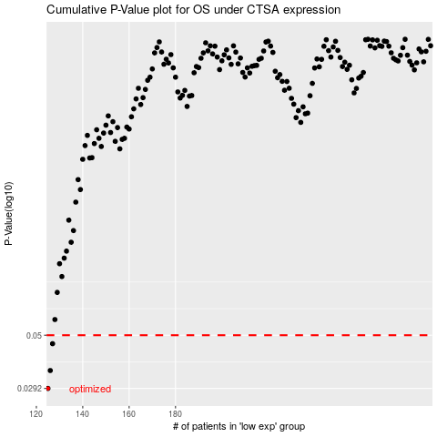

 |  |  |  |  |  | cases_OS | p_OS | rank | exp
 |  |  |  |  |  | 125 | 0.0292 | 340 | -0.48060143089
 |  |  |  |  |  | 126 | 0.035 | 262 | -0.48015392722
 |  |  |  |  |  | 127 | 0.0459 | 130 | -0.47587785544
 |  |  |  |  |  |  | cases_RFS | p_RFS | rank | exp
 |  |  |  |  |  |  |  | 0.0292 | 219 | -0.49739554706
 |  |  |  |  |  |  | 125 | 0.035 | 340 | -0.48060143089
 |  |  |  |  |  |  | 126 | 0.0459 | 262 | -0.48015392722

