CTSB _multivariate
Reported by Tex Li-Hsing Chi. tex@gate.sinica.edu.tw 2019-08-20

Table 2. The clinicopathological features of HNSCC cohort and CTSB expression. (Chi square test)
Cutoff at -0.201 (49.8%)
 |  | CTSB expression |  | CTSB expression |  | (Optimised)
 | Features | Low | (%) | High | (%) | Case no | P-value | Remark | Matthews
Gender | Female | 168 | 40.5 | 138 | 33.3 | 415 | 9e-04 | 1 | 0
2 | Male | 39 | 9.4 | 70 | 16.9
Age at diagnosis | <=65y | 150 | 36.1 | 124 | 29.9 | 415 | 0.0078 | 1 | 0
4 | >65y | 57 | 13.7 | 84 | 20.2
Clinical T Status | T1+T2 | 70 | 16.9 | 79 | 19 | 415 | 0.4343 | 0 | 0
6 | T3+T4 | 137 | 33 | 129 | 31.1
Clinical N Status | N0 | 103 | 24.8 | 113 | 27.2 | 415 | 0.4047 | 0 | 0
8 | N1-3 | 104 | 25.1 | 95 | 22.9
Clinical M Status | M0 | 205 | 49.4 | 207 | 49.9 | 415 | 0.6232 | 0 | 0
10 | M1 | 2 | 0.5 | 1 | 0.2
Clinical Stage | Stage I+II | 43 | 10.4 | 59 | 14.2 | 415 | 0.0925 | 0 | 0
12 | Stage III+IV | 164 | 39.5 | 149 | 35.9
Surgical Margin status | Negative | 150 | 36.1 | 168 | 40.5 | 415 | 0.0492 | 1 | 0
14 | Positive | 57 | 13.7 | 40 | 9.6
Tobacco Exposure | Low | 70 | 16.9 | 91 | 21.9 | 415 | 0.0439 | 1 | 0
16 | High | 137 | 33 | 117 | 28.2

Table 3. Univariate/Multivariate Cox's proportional hazards regression analyses on OS time of CTSB gene expression in HNSCC

 |  | Univariate |  |  |  | Multivariate
 | Features | HR | CI95%(L) | CI95%(H) | P-value | HR | CI95%(L) | CI95%(H) | P-value
1 | Female | 1 |  |  |  | 1
Gender | Male | 1.157 | 0.843 | 1.587 | 0.367 | 1.208 | 0.862 | 1.693 | 0.272
11 | <=65y | 1 |  |  |  | 1
Age at diagnosis | >65y | 1.329 | 0.99 | 1.784 | 0.058 | 1.398 | 1.026 | 1.904 | 0.034
12 | T1+T2 | 1 |  |  |  | 1
Clinical T Status | T3+T4 | 1.409 | 1.028 | 1.931 | 0.033 | 2.206 | 1.166 | 4.172 | 0.015
13 | N0 | 1 |  |  |  | 1
Clinical N Status | N1-3 | 1.185 | 0.89 | 1.577 | 0.246 | 1.244 | 0.871 | 1.777 | 0.229
14 | M0 | 1 |  |  |  | 1
Clinical M Status | M1 | 4.097 | 1.009 | 16.644 | 0.049 | 9.409 | 2.053 | 43.128 | 0.004
15 | Stage I+II | 1 |  |  |  | 1
Clinical Stage | Stage III+IV | 1.245 | 0.882 | 1.759 | 0.213 | 0.502 | 0.233 | 1.078 | 0.077
16 | Negative | 1 |  |  |  | 1
Surgical Margin status | Positive | 1.591 | 1.155 | 2.191 | 0.004 | 1.669 | 1.207 | 2.307 | 0.002
17 | Low | 1 |  |  |  | 1
Tobacco Exposure | High | 1.364 | 1.008 | 1.844 | 0.044 | 1.452 | 1.054 | 2 | 0.023
18 | Low | 1 |  |  |  | 1
RNAseq(z-score) | High | 1.001 | 0.752 | 1.334 | 0.993 | 0.966 | 0.719 | 1.298 | 0.819

Table 4. Univariate/Multivariate Cox's proportional hazards regression analyses on RFS time of CTSB gene expression in HNSCC

 |  | Univariate |  |  |  | Multivariate
 | Features | HR | CI95%(L) | CI95%(H) | P-value | HR | CI95%(L) | CI95%(H) | P-value
1 | Female | 1 |  |  |  | 1
Gender | Male | 1.157 | 0.843 | 1.587 | 0.367 | 1.208 | 0.862 | 1.693 | 0.272
11 | <=65y | 1 |  |  |  | 1
Age at diagnosis | >65y | 1.329 | 0.99 | 1.784 | 0.058 | 1.398 | 1.026 | 1.904 | 0.034
12 | T1+T2 | 1 |  |  |  | 1
Clinical T Status | T3+T4 | 1.409 | 1.028 | 1.931 | 0.033 | 2.206 | 1.166 | 4.172 | 0.015
13 | N0 | 1 |  |  |  | 1
Clinical N Status | N1-3 | 1.185 | 0.89 | 1.577 | 0.246 | 1.244 | 0.871 | 1.777 | 0.229
14 | M0 | 1 |  |  |  | 1
Clinical M Status | M1 | 4.097 | 1.009 | 16.644 | 0.049 | 9.409 | 2.053 | 43.128 | 0.004
15 | Stage I+II | 1 |  |  |  | 1
Clinical Stage | Stage III+IV | 1.245 | 0.882 | 1.759 | 0.213 | 0.502 | 0.233 | 1.078 | 0.077
16 | Negative | 1 |  |  |  | 1
Surgical Margin status | Positive | 1.591 | 1.155 | 2.191 | 0.004 | 1.669 | 1.207 | 2.307 | 0.002
17 | Low | 1 |  |  |  | 1
Tobacco Exposure | High | 1.364 | 1.008 | 1.844 | 0.044 | 1.452 | 1.054 | 2 | 0.023
18 | Low | 1 |  |  |  | 1
RNAseq(z-score) | High | 1.001 | 0.752 | 1.334 | 0.993 | 0.966 | 0.719 | 1.298 | 0.819

Kaplan-Meier survival estimate: Cutoff at -0.201 (49.8%)



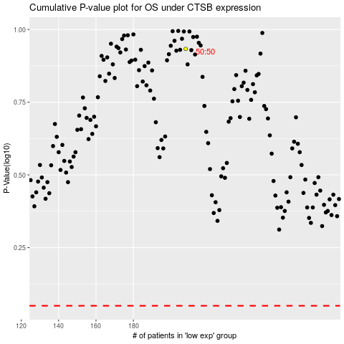

 |  |  |  |  |  | cases_OS | p_OS | rank | exp
 |  |  |  |  |  |  | cases_RFS | p_RFS | rank | exp

