CTSC _multivariate
Reported by Tex Li-Hsing Chi. tex@gate.sinica.edu.tw 2019-08-20

Table 2. The clinicopathological features of HNSCC cohort and CTSC expression. (Chi square test)
Cutoff at -0.188 (50.0%)
 |  | CTSC expression |  | CTSC expression |  | (Optimised)
 | Features | Low | (%) | High | (%) | Case no | P-value | Remark | Matthews
Gender | Female | 164 | 39.5 | 142 | 34.2 | 415 | 0.0153 | 1 | 0
2 | Male | 43 | 10.4 | 66 | 15.9
Age at diagnosis | <=65y | 145 | 34.9 | 129 | 31.1 | 415 | 0.1046 | 0 | 0
4 | >65y | 62 | 14.9 | 79 | 19
Clinical T Status | T1+T2 | 77 | 18.6 | 72 | 17.3 | 415 | 0.6556 | 0 | 0
6 | T3+T4 | 130 | 31.3 | 136 | 32.8
Clinical N Status | N0 | 100 | 24.1 | 116 | 28 | 415 | 0.1548 | 0 | 0
8 | N1-3 | 107 | 25.8 | 92 | 22.2
Clinical M Status | M0 | 207 | 49.9 | 205 | 49.4 | 415 | 0.2482 | 0 | 0
10 | M1 | 0 | 0 | 3 | 0.7
Clinical Stage | Stage I+II | 48 | 11.6 | 54 | 13 | 415 | 0.5878 | 0 | 0
12 | Stage III+IV | 159 | 38.3 | 154 | 37.1
Surgical Margin status | Negative | 161 | 38.8 | 157 | 37.8 | 415 | 0.6429 | 0 | 0
14 | Positive | 46 | 11.1 | 51 | 12.3
Tobacco Exposure | Low | 61 | 14.7 | 100 | 24.1 | 415 | 1e-04 | 1 | 0
16 | High | 146 | 35.2 | 108 | 26

Table 3. Univariate/Multivariate Cox's proportional hazards regression analyses on OS time of CTSC gene expression in HNSCC

 |  | Univariate |  |  |  | Multivariate
 | Features | HR | CI95%(L) | CI95%(H) | P-value | HR | CI95%(L) | CI95%(H) | P-value
1 | Female | 1 |  |  |  | 1
Gender | Male | 1.157 | 0.843 | 1.587 | 0.367 | 1.2 | 0.859 | 1.677 | 0.286
11 | <=65y | 1 |  |  |  | 1
Age at diagnosis | >65y | 1.329 | 0.99 | 1.784 | 0.058 | 1.393 | 1.025 | 1.894 | 0.034
12 | T1+T2 | 1 |  |  |  | 1
Clinical T Status | T3+T4 | 1.409 | 1.028 | 1.931 | 0.033 | 2.196 | 1.161 | 4.156 | 0.016
13 | N0 | 1 |  |  |  | 1
Clinical N Status | N1-3 | 1.185 | 0.89 | 1.577 | 0.246 | 1.245 | 0.871 | 1.781 | 0.23
14 | M0 | 1 |  |  |  | 1
Clinical M Status | M1 | 4.097 | 1.009 | 16.644 | 0.049 | 9.246 | 1.991 | 42.935 | 0.005
15 | Stage I+II | 1 |  |  |  | 1
Clinical Stage | Stage III+IV | 1.245 | 0.882 | 1.759 | 0.213 | 0.506 | 0.236 | 1.088 | 0.081
16 | Negative | 1 |  |  |  | 1
Surgical Margin status | Positive | 1.591 | 1.155 | 2.191 | 0.004 | 1.669 | 1.208 | 2.308 | 0.002
17 | Low | 1 |  |  |  | 1
Tobacco Exposure | High | 1.364 | 1.008 | 1.844 | 0.044 | 1.46 | 1.054 | 2.023 | 0.023
18 | Low | 1 |  |  |  | 1
RNAseq(z-score) | High | 0.995 | 0.747 | 1.326 | 0.972 | 1.026 | 0.761 | 1.384 | 0.866

Table 4. Univariate/Multivariate Cox's proportional hazards regression analyses on RFS time of CTSC gene expression in HNSCC

 |  | Univariate |  |  |  | Multivariate
 | Features | HR | CI95%(L) | CI95%(H) | P-value | HR | CI95%(L) | CI95%(H) | P-value
1 | Female | 1 |  |  |  | 1
Gender | Male | 1.157 | 0.843 | 1.587 | 0.367 | 1.2 | 0.859 | 1.677 | 0.286
11 | <=65y | 1 |  |  |  | 1
Age at diagnosis | >65y | 1.329 | 0.99 | 1.784 | 0.058 | 1.393 | 1.025 | 1.894 | 0.034
12 | T1+T2 | 1 |  |  |  | 1
Clinical T Status | T3+T4 | 1.409 | 1.028 | 1.931 | 0.033 | 2.196 | 1.161 | 4.156 | 0.016
13 | N0 | 1 |  |  |  | 1
Clinical N Status | N1-3 | 1.185 | 0.89 | 1.577 | 0.246 | 1.245 | 0.871 | 1.781 | 0.23
14 | M0 | 1 |  |  |  | 1
Clinical M Status | M1 | 4.097 | 1.009 | 16.644 | 0.049 | 9.246 | 1.991 | 42.935 | 0.005
15 | Stage I+II | 1 |  |  |  | 1
Clinical Stage | Stage III+IV | 1.245 | 0.882 | 1.759 | 0.213 | 0.506 | 0.236 | 1.088 | 0.081
16 | Negative | 1 |  |  |  | 1
Surgical Margin status | Positive | 1.591 | 1.155 | 2.191 | 0.004 | 1.669 | 1.208 | 2.308 | 0.002
17 | Low | 1 |  |  |  | 1
Tobacco Exposure | High | 1.364 | 1.008 | 1.844 | 0.044 | 1.46 | 1.054 | 2.023 | 0.023
18 | Low | 1 |  |  |  | 1
RNAseq(z-score) | High | 0.995 | 0.747 | 1.326 | 0.972 | 1.026 | 0.761 | 1.384 | 0.866

Kaplan-Meier survival estimate: Cutoff at -0.188 (50.0%)



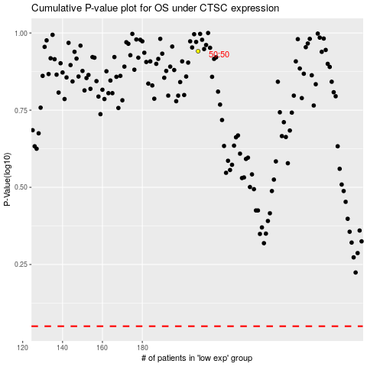

 |  |  |  |  |  | cases_OS | p_OS | rank | exp
 |  |  |  |  |  |  | cases_RFS | p_RFS | rank | exp

