CTSD _multivariate
Reported by Tex Li-Hsing Chi. tex@gate.sinica.edu.tw 2019-08-20

Table 2. The clinicopathological features of HNSCC cohort and CTSD expression. (Chi square test)
Cutoff at -0.181 (50.0%)
 |  | CTSD expression |  | CTSD expression |  | (Optimised)
 | Features | Low | (%) | High | (%) | Case no | P-value | Remark | Matthews
Gender | Female | 157 | 37.8 | 149 | 35.9 | 415 | 0.3881 | 0 | 0
2 | Male | 50 | 12 | 59 | 14.2
Age at diagnosis | <=65y | 144 | 34.7 | 130 | 31.3 | 415 | 0.1568 | 0 | 0
4 | >65y | 63 | 15.2 | 78 | 18.8
Clinical T Status | T1+T2 | 71 | 17.1 | 78 | 18.8 | 415 | 0.5638 | 0 | 0
6 | T3+T4 | 136 | 32.8 | 130 | 31.3
Clinical N Status | N0 | 114 | 27.5 | 102 | 24.6 | 415 | 0.2576 | 1 | 0
8 | N1-3 | 93 | 22.4 | 106 | 25.5
Clinical M Status | M0 | 206 | 49.6 | 206 | 49.6 | 415 | 1 | 0 | 0
10 | M1 | 1 | 0.2 | 2 | 0.5
Clinical Stage | Stage I+II | 50 | 12 | 52 | 12.5 | 415 | 0.9315 | 0 | 0
12 | Stage III+IV | 157 | 37.8 | 156 | 37.6
Surgical Margin status | Negative | 153 | 36.9 | 165 | 39.8 | 415 | 0.2036 | 0 | 0
14 | Positive | 54 | 13 | 43 | 10.4
Tobacco Exposure | Low | 69 | 16.6 | 92 | 22.2 | 415 | 0.0266 | 1 | 0
16 | High | 138 | 33.3 | 116 | 28

Table 3. Univariate/Multivariate Cox's proportional hazards regression analyses on OS time of CTSD gene expression in HNSCC

 |  | Univariate |  |  |  | Multivariate
 | Features | HR | CI95%(L) | CI95%(H) | P-value | HR | CI95%(L) | CI95%(H) | P-value
1 | Female | 1 |  |  |  | 1
Gender | Male | 1.157 | 0.843 | 1.587 | 0.367 | 1.19 | 0.852 | 1.664 | 0.307
11 | <=65y | 1 |  |  |  | 1
Age at diagnosis | >65y | 1.329 | 0.99 | 1.784 | 0.058 | 1.345 | 0.986 | 1.834 | 0.061
12 | T1+T2 | 1 |  |  |  | 1
Clinical T Status | T3+T4 | 1.409 | 1.028 | 1.931 | 0.033 | 2.206 | 1.167 | 4.172 | 0.015
13 | N0 | 1 |  |  |  | 1
Clinical N Status | N1-3 | 1.185 | 0.89 | 1.577 | 0.246 | 1.198 | 0.838 | 1.713 | 0.321
14 | M0 | 1 |  |  |  | 1
Clinical M Status | M1 | 4.097 | 1.009 | 16.644 | 0.049 | 8.797 | 1.916 | 40.399 | 0.005
15 | Stage I+II | 1 |  |  |  | 1
Clinical Stage | Stage III+IV | 1.245 | 0.882 | 1.759 | 0.213 | 0.508 | 0.236 | 1.09 | 0.082
16 | Negative | 1 |  |  |  | 1
Surgical Margin status | Positive | 1.591 | 1.155 | 2.191 | 0.004 | 1.708 | 1.234 | 2.363 | 0.001
17 | Low | 1 |  |  |  | 1
Tobacco Exposure | High | 1.364 | 1.008 | 1.844 | 0.044 | 1.498 | 1.084 | 2.071 | 0.014
18 | Low | 1 |  |  |  | 1
RNAseq(z-score) | High | 1.302 | 0.977 | 1.737 | 0.072 | 1.317 | 0.98 | 1.769 | 0.068

Table 4. Univariate/Multivariate Cox's proportional hazards regression analyses on RFS time of CTSD gene expression in HNSCC

 |  | Univariate |  |  |  | Multivariate
 | Features | HR | CI95%(L) | CI95%(H) | P-value | HR | CI95%(L) | CI95%(H) | P-value
1 | Female | 1 |  |  |  | 1
Gender | Male | 1.157 | 0.843 | 1.587 | 0.367 | 1.19 | 0.852 | 1.664 | 0.307
11 | <=65y | 1 |  |  |  | 1
Age at diagnosis | >65y | 1.329 | 0.99 | 1.784 | 0.058 | 1.345 | 0.986 | 1.834 | 0.061
12 | T1+T2 | 1 |  |  |  | 1
Clinical T Status | T3+T4 | 1.409 | 1.028 | 1.931 | 0.033 | 2.206 | 1.167 | 4.172 | 0.015
13 | N0 | 1 |  |  |  | 1
Clinical N Status | N1-3 | 1.185 | 0.89 | 1.577 | 0.246 | 1.198 | 0.838 | 1.713 | 0.321
14 | M0 | 1 |  |  |  | 1
Clinical M Status | M1 | 4.097 | 1.009 | 16.644 | 0.049 | 8.797 | 1.916 | 40.399 | 0.005
15 | Stage I+II | 1 |  |  |  | 1
Clinical Stage | Stage III+IV | 1.245 | 0.882 | 1.759 | 0.213 | 0.508 | 0.236 | 1.09 | 0.082
16 | Negative | 1 |  |  |  | 1
Surgical Margin status | Positive | 1.591 | 1.155 | 2.191 | 0.004 | 1.708 | 1.234 | 2.363 | 0.001
17 | Low | 1 |  |  |  | 1
Tobacco Exposure | High | 1.364 | 1.008 | 1.844 | 0.044 | 1.498 | 1.084 | 2.071 | 0.014
18 | Low | 1 |  |  |  | 1
RNAseq(z-score) | High | 1.302 | 0.977 | 1.737 | 0.072 | 1.317 | 0.98 | 1.769 | 0.068

Kaplan-Meier survival estimate: Cutoff at -0.181 (50.0%)



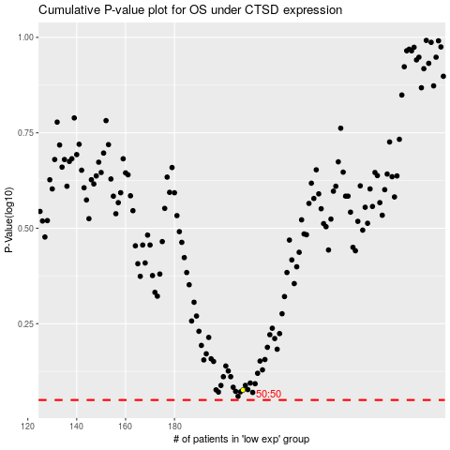

 |  |  |  |  |  | cases_OS | p_OS | rank | exp
 |  |  |  |  |  |  | cases_RFS | p_RFS | rank | exp

