CTSK _multivariate
Reported by Tex Li-Hsing Chi. tex@gate.sinica.edu.tw 2019-08-20

Table 2. The clinicopathological features of HNSCC cohort and CTSK expression. (Chi square test)
Cutoff at -0.272 (49.8%)
 |  | CTSK expression |  | CTSK expression |  | (Optimised)
 | Features | Low | (%) | High | (%) | Case no | P-value | Remark | Matthews
Gender | Female | 153 | 36.9 | 153 | 36.9 | 415 | 1 | 0 | 0
2 | Male | 54 | 13 | 55 | 13.3
Age at diagnosis | <=65y | 139 | 33.5 | 135 | 32.5 | 415 | 0.7044 | 0 | 0
4 | >65y | 68 | 16.4 | 73 | 17.6
Clinical T Status | T1+T2 | 83 | 20 | 66 | 15.9 | 415 | 0.0941 | 0 | 0
6 | T3+T4 | 124 | 29.9 | 142 | 34.2
Clinical N Status | N0 | 108 | 26 | 108 | 26 | 415 | 1 | 0 | 0
8 | N1-3 | 99 | 23.9 | 100 | 24.1
Clinical M Status | M0 | 204 | 49.2 | 208 | 50.1 | 415 | 0.1232 | 0 | 0
10 | M1 | 3 | 0.7 | 0 | 0
Clinical Stage | Stage I+II | 52 | 12.5 | 50 | 12 | 415 | 0.8871 | 0 | 0
12 | Stage III+IV | 155 | 37.3 | 158 | 38.1
Surgical Margin status | Negative | 157 | 37.8 | 161 | 38.8 | 415 | 0.729 | 0 | 0
14 | Positive | 50 | 12 | 47 | 11.3
Tobacco Exposure | Low | 85 | 20.5 | 76 | 18.3 | 415 | 0.3655 | 0 | 0
16 | High | 122 | 29.4 | 132 | 31.8

Table 3. Univariate/Multivariate Cox's proportional hazards regression analyses on OS time of CTSK gene expression in HNSCC

 |  | Univariate |  |  |  | Multivariate
 | Features | HR | CI95%(L) | CI95%(H) | P-value | HR | CI95%(L) | CI95%(H) | P-value
1 | Female | 1 |  |  |  | 1
Gender | Male | 1.157 | 0.843 | 1.587 | 0.367 | 1.223 | 0.873 | 1.712 | 0.241
11 | <=65y | 1 |  |  |  | 1
Age at diagnosis | >65y | 1.329 | 0.99 | 1.784 | 0.058 | 1.381 | 1.016 | 1.878 | 0.039
12 | T1+T2 | 1 |  |  |  | 1
Clinical T Status | T3+T4 | 1.409 | 1.028 | 1.931 | 0.033 | 2.318 | 1.221 | 4.402 | 0.01
13 | N0 | 1 |  |  |  | 1
Clinical N Status | N1-3 | 1.185 | 0.89 | 1.577 | 0.246 | 1.252 | 0.877 | 1.787 | 0.215
14 | M0 | 1 |  |  |  | 1
Clinical M Status | M1 | 4.097 | 1.009 | 16.644 | 0.049 | 8.871 | 1.931 | 40.76 | 0.005
15 | Stage I+II | 1 |  |  |  | 1
Clinical Stage | Stage III+IV | 1.245 | 0.882 | 1.759 | 0.213 | 0.476 | 0.221 | 1.026 | 0.058
16 | Negative | 1 |  |  |  | 1
Surgical Margin status | Positive | 1.591 | 1.155 | 2.191 | 0.004 | 1.687 | 1.22 | 2.332 | 0.002
17 | Low | 1 |  |  |  | 1
Tobacco Exposure | High | 1.364 | 1.008 | 1.844 | 0.044 | 1.482 | 1.073 | 2.047 | 0.017
18 | Low | 1 |  |  |  | 1
RNAseq(z-score) | High | 0.852 | 0.64 | 1.135 | 0.274 | 0.804 | 0.6 | 1.076 | 0.142

Table 4. Univariate/Multivariate Cox's proportional hazards regression analyses on RFS time of CTSK gene expression in HNSCC

 |  | Univariate |  |  |  | Multivariate
 | Features | HR | CI95%(L) | CI95%(H) | P-value | HR | CI95%(L) | CI95%(H) | P-value
1 | Female | 1 |  |  |  | 1
Gender | Male | 1.157 | 0.843 | 1.587 | 0.367 | 1.223 | 0.873 | 1.712 | 0.241
11 | <=65y | 1 |  |  |  | 1
Age at diagnosis | >65y | 1.329 | 0.99 | 1.784 | 0.058 | 1.381 | 1.016 | 1.878 | 0.039
12 | T1+T2 | 1 |  |  |  | 1
Clinical T Status | T3+T4 | 1.409 | 1.028 | 1.931 | 0.033 | 2.318 | 1.221 | 4.402 | 0.01
13 | N0 | 1 |  |  |  | 1
Clinical N Status | N1-3 | 1.185 | 0.89 | 1.577 | 0.246 | 1.252 | 0.877 | 1.787 | 0.215
14 | M0 | 1 |  |  |  | 1
Clinical M Status | M1 | 4.097 | 1.009 | 16.644 | 0.049 | 8.871 | 1.931 | 40.76 | 0.005
15 | Stage I+II | 1 |  |  |  | 1
Clinical Stage | Stage III+IV | 1.245 | 0.882 | 1.759 | 0.213 | 0.476 | 0.221 | 1.026 | 0.058
16 | Negative | 1 |  |  |  | 1
Surgical Margin status | Positive | 1.591 | 1.155 | 2.191 | 0.004 | 1.687 | 1.22 | 2.332 | 0.002
17 | Low | 1 |  |  |  | 1
Tobacco Exposure | High | 1.364 | 1.008 | 1.844 | 0.044 | 1.482 | 1.073 | 2.047 | 0.017
18 | Low | 1 |  |  |  | 1
RNAseq(z-score) | High | 0.852 | 0.64 | 1.135 | 0.274 | 0.804 | 0.6 | 1.076 | 0.142

Kaplan-Meier survival estimate: Cutoff at -0.272 (49.8%)



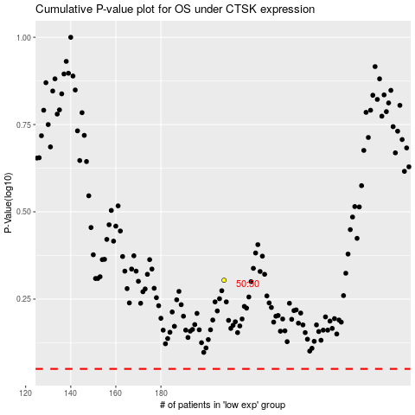

 |  |  |  |  |  | cases_OS | p_OS | rank | exp
 |  |  |  |  |  |  | cases_RFS | p_RFS | rank | exp

