CTSL2 _multivariate
Reported by Tex Li-Hsing Chi. tex@gate.sinica.edu.tw 2019-08-20

Table 2. The clinicopathological features of HNSCC cohort and CTSL2 expression. (Chi square test)
Cutoff at -0.431 (34.8%)
 |  | CTSL2 expression |  | CTSL2 expression |  | (Optimised)
 | Features | Low | (%) | High | (%) | Case no | P-value | Remark | Matthews
Gender | Female | 115 | 27.7 | 191 | 46 | 415 | 0.0512 | 0 | 0
2 | Male | 29 | 7 | 80 | 19.3
Age at diagnosis | <=65y | 97 | 23.4 | 177 | 42.7 | 415 | 0.7563 | 0 | 0
4 | >65y | 47 | 11.3 | 94 | 22.7
Clinical T Status | T1+T2 | 55 | 13.3 | 94 | 22.7 | 415 | 0.5474 | 0 | 0
6 | T3+T4 | 89 | 21.4 | 177 | 42.7
Clinical N Status | N0 | 71 | 17.1 | 145 | 34.9 | 415 | 0.4764 | 0 | 0
8 | N1-3 | 73 | 17.6 | 126 | 30.4
Clinical M Status | M0 | 144 | 34.7 | 268 | 64.6 | 415 | 0.5545 | 0 | 0
10 | M1 | 0 | 0 | 3 | 0.7
Clinical Stage | Stage I+II | 29 | 7 | 73 | 17.6 | 415 | 0.1581 | 0 | 0
12 | Stage III+IV | 115 | 27.7 | 198 | 47.7
Surgical Margin status | Negative | 110 | 26.5 | 208 | 50.1 | 415 | 1 | 0 | 0
14 | Positive | 34 | 8.2 | 63 | 15.2
Tobacco Exposure | Low | 50 | 12 | 111 | 26.7 | 415 | 0.2446 | 0 | 0
16 | High | 94 | 22.7 | 160 | 38.6

Table 3. Univariate/Multivariate Cox's proportional hazards regression analyses on OS time of CTSL2 gene expression in HNSCC

 |  | Univariate |  |  |  | Multivariate
 | Features | HR | CI95%(L) | CI95%(H) | P-value | HR | CI95%(L) | CI95%(H) | P-value
1 | Female | 1 |  |  |  | 1
Gender | Male | 1.157 | 0.843 | 1.587 | 0.367 | 1.161 | 0.83 | 1.626 | 0.384
11 | <=65y | 1 |  |  |  | 1
Age at diagnosis | >65y | 1.329 | 0.99 | 1.784 | 0.058 | 1.394 | 1.027 | 1.894 | 0.033
12 | T1+T2 | 1 |  |  |  | 1
Clinical T Status | T3+T4 | 1.409 | 1.028 | 1.931 | 0.033 | 2.047 | 1.076 | 3.891 | 0.029
13 | N0 | 1 |  |  |  | 1
Clinical N Status | N1-3 | 1.185 | 0.89 | 1.577 | 0.246 | 1.252 | 0.878 | 1.786 | 0.214
14 | M0 | 1 |  |  |  | 1
Clinical M Status | M1 | 4.097 | 1.009 | 16.644 | 0.049 | 7.925 | 1.71 | 36.737 | 0.008
15 | Stage I+II | 1 |  |  |  | 1
Clinical Stage | Stage III+IV | 1.245 | 0.882 | 1.759 | 0.213 | 0.549 | 0.254 | 1.184 | 0.126
16 | Negative | 1 |  |  |  | 1
Surgical Margin status | Positive | 1.591 | 1.155 | 2.191 | 0.004 | 1.661 | 1.202 | 2.295 | 0.002
17 | Low | 1 |  |  |  | 1
Tobacco Exposure | High | 1.364 | 1.008 | 1.844 | 0.044 | 1.479 | 1.072 | 2.04 | 0.017
18 | Low | 1 |  |  |  | 1
RNAseq(z-score) | High | 1.37 | 1.004 | 1.869 | 0.047 | 1.328 | 0.965 | 1.826 | 0.081

Table 4. Univariate/Multivariate Cox's proportional hazards regression analyses on RFS time of CTSL2 gene expression in HNSCC

 |  | Univariate |  |  |  | Multivariate
 | Features | HR | CI95%(L) | CI95%(H) | P-value | HR | CI95%(L) | CI95%(H) | P-value
1 | Female | 1 |  |  |  | 1
Gender | Male | 1.157 | 0.843 | 1.587 | 0.367 | 1.161 | 0.83 | 1.626 | 0.384
11 | <=65y | 1 |  |  |  | 1
Age at diagnosis | >65y | 1.329 | 0.99 | 1.784 | 0.058 | 1.394 | 1.027 | 1.894 | 0.033
12 | T1+T2 | 1 |  |  |  | 1
Clinical T Status | T3+T4 | 1.409 | 1.028 | 1.931 | 0.033 | 2.047 | 1.076 | 3.891 | 0.029
13 | N0 | 1 |  |  |  | 1
Clinical N Status | N1-3 | 1.185 | 0.89 | 1.577 | 0.246 | 1.252 | 0.878 | 1.786 | 0.214
14 | M0 | 1 |  |  |  | 1
Clinical M Status | M1 | 4.097 | 1.009 | 16.644 | 0.049 | 7.925 | 1.71 | 36.737 | 0.008
15 | Stage I+II | 1 |  |  |  | 1
Clinical Stage | Stage III+IV | 1.245 | 0.882 | 1.759 | 0.213 | 0.549 | 0.254 | 1.184 | 0.126
16 | Negative | 1 |  |  |  | 1
Surgical Margin status | Positive | 1.591 | 1.155 | 2.191 | 0.004 | 1.661 | 1.202 | 2.295 | 0.002
17 | Low | 1 |  |  |  | 1
Tobacco Exposure | High | 1.364 | 1.008 | 1.844 | 0.044 | 1.479 | 1.072 | 2.04 | 0.017
18 | Low | 1 |  |  |  | 1
RNAseq(z-score) | High | 1.37 | 1.004 | 1.869 | 0.047 | 1.328 | 0.965 | 1.826 | 0.081

Kaplan-Meier survival estimate: Cutoff at -0.431 (34.8%)

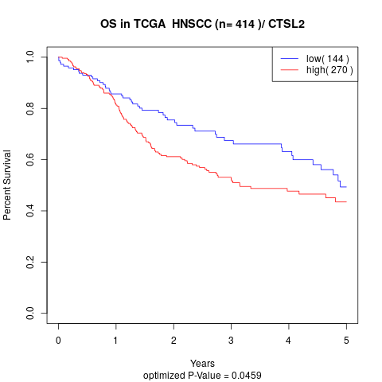

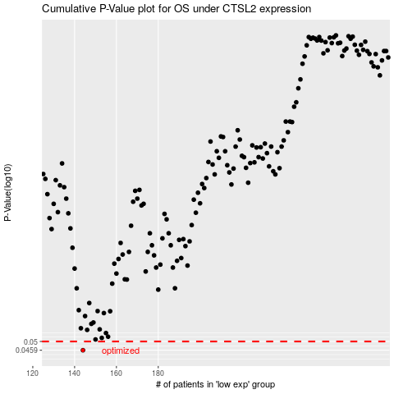

 |  |  |  |  |  | cases_OS | p_OS | rank | exp
 |  |  |  |  |  | 144 | 0.0459 | 394 | -0.43133845039
 |  |  |  |  |  |  | cases_RFS | p_RFS | rank | exp
 |  |  |  |  |  |  | 143 | 0.0459 | 149 | -0.43371087664

