CTTNBP2 _multivariate
Reported by Tex Li-Hsing Chi. tex@gate.sinica.edu.tw 2019-08-20

Table 2. The clinicopathological features of HNSCC cohort and CTTNBP2 expression. (Chi square test)
Cutoff at -0.438 (49.8%)
 |  | CTTNBP2 expression |  | CTTNBP2 expression |  | (Optimised)
 | Features | Low | (%) | High | (%) | Case no | P-value | Remark | Matthews
Gender | Female | 144 | 34.7 | 162 | 39 | 415 | 0.0697 | 0 | 0
2 | Male | 63 | 15.2 | 46 | 11.1
Age at diagnosis | <=65y | 133 | 32 | 141 | 34 | 415 | 0.5111 | 0 | 0
4 | >65y | 74 | 17.8 | 67 | 16.1
Clinical T Status | T1+T2 | 64 | 15.4 | 85 | 20.5 | 415 | 0.0445 | 1 | 0
6 | T3+T4 | 143 | 34.5 | 123 | 29.6
Clinical N Status | N0 | 105 | 25.3 | 111 | 26.7 | 415 | 0.6598 | 0 | 0
8 | N1-3 | 102 | 24.6 | 97 | 23.4
Clinical M Status | M0 | 204 | 49.2 | 208 | 50.1 | 415 | 0.1232 | 0 | 0
10 | M1 | 3 | 0.7 | 0 | 0
Clinical Stage | Stage I+II | 44 | 10.6 | 58 | 14 | 415 | 0.1459 | 0 | 0
12 | Stage III+IV | 163 | 39.3 | 150 | 36.1
Surgical Margin status | Negative | 158 | 38.1 | 160 | 38.6 | 415 | 0.9081 | 0 | 0
14 | Positive | 49 | 11.8 | 48 | 11.6
Tobacco Exposure | Low | 98 | 23.6 | 63 | 15.2 | 415 | 4e-04 | 1 | 0
16 | High | 109 | 26.3 | 145 | 34.9

Table 3. Univariate/Multivariate Cox's proportional hazards regression analyses on OS time of CTTNBP2 gene expression in HNSCC

 |  | Univariate |  |  |  | Multivariate
 | Features | HR | CI95%(L) | CI95%(H) | P-value | HR | CI95%(L) | CI95%(H) | P-value
1 | Female | 1 |  |  |  | 1
Gender | Male | 1.157 | 0.843 | 1.587 | 0.367 | 1.189 | 0.85 | 1.664 | 0.312
11 | <=65y | 1 |  |  |  | 1
Age at diagnosis | >65y | 1.329 | 0.99 | 1.784 | 0.058 | 1.397 | 1.027 | 1.899 | 0.033
12 | T1+T2 | 1 |  |  |  | 1
Clinical T Status | T3+T4 | 1.409 | 1.028 | 1.931 | 0.033 | 2.172 | 1.149 | 4.108 | 0.017
13 | N0 | 1 |  |  |  | 1
Clinical N Status | N1-3 | 1.185 | 0.89 | 1.577 | 0.246 | 1.254 | 0.878 | 1.79 | 0.213
14 | M0 | 1 |  |  |  | 1
Clinical M Status | M1 | 4.097 | 1.009 | 16.644 | 0.049 | 8.616 | 1.862 | 39.857 | 0.006
15 | Stage I+II | 1 |  |  |  | 1
Clinical Stage | Stage III+IV | 1.245 | 0.882 | 1.759 | 0.213 | 0.501 | 0.234 | 1.077 | 0.077
16 | Negative | 1 |  |  |  | 1
Surgical Margin status | Positive | 1.591 | 1.155 | 2.191 | 0.004 | 1.661 | 1.202 | 2.295 | 0.002
17 | Low | 1 |  |  |  | 1
Tobacco Exposure | High | 1.364 | 1.008 | 1.844 | 0.044 | 1.51 | 1.084 | 2.102 | 0.015
18 | Low | 1 |  |  |  | 1
RNAseq(z-score) | High | 0.871 | 0.654 | 1.16 | 0.344 | 0.859 | 0.637 | 1.158 | 0.317

Table 4. Univariate/Multivariate Cox's proportional hazards regression analyses on RFS time of CTTNBP2 gene expression in HNSCC

 |  | Univariate |  |  |  | Multivariate
 | Features | HR | CI95%(L) | CI95%(H) | P-value | HR | CI95%(L) | CI95%(H) | P-value
1 | Female | 1 |  |  |  | 1
Gender | Male | 1.157 | 0.843 | 1.587 | 0.367 | 1.189 | 0.85 | 1.664 | 0.312
11 | <=65y | 1 |  |  |  | 1
Age at diagnosis | >65y | 1.329 | 0.99 | 1.784 | 0.058 | 1.397 | 1.027 | 1.899 | 0.033
12 | T1+T2 | 1 |  |  |  | 1
Clinical T Status | T3+T4 | 1.409 | 1.028 | 1.931 | 0.033 | 2.172 | 1.149 | 4.108 | 0.017
13 | N0 | 1 |  |  |  | 1
Clinical N Status | N1-3 | 1.185 | 0.89 | 1.577 | 0.246 | 1.254 | 0.878 | 1.79 | 0.213
14 | M0 | 1 |  |  |  | 1
Clinical M Status | M1 | 4.097 | 1.009 | 16.644 | 0.049 | 8.616 | 1.862 | 39.857 | 0.006
15 | Stage I+II | 1 |  |  |  | 1
Clinical Stage | Stage III+IV | 1.245 | 0.882 | 1.759 | 0.213 | 0.501 | 0.234 | 1.077 | 0.077
16 | Negative | 1 |  |  |  | 1
Surgical Margin status | Positive | 1.591 | 1.155 | 2.191 | 0.004 | 1.661 | 1.202 | 2.295 | 0.002
17 | Low | 1 |  |  |  | 1
Tobacco Exposure | High | 1.364 | 1.008 | 1.844 | 0.044 | 1.51 | 1.084 | 2.102 | 0.015
18 | Low | 1 |  |  |  | 1
RNAseq(z-score) | High | 0.871 | 0.654 | 1.16 | 0.344 | 0.859 | 0.637 | 1.158 | 0.317

Kaplan-Meier survival estimate: Cutoff at -0.438 (49.8%)



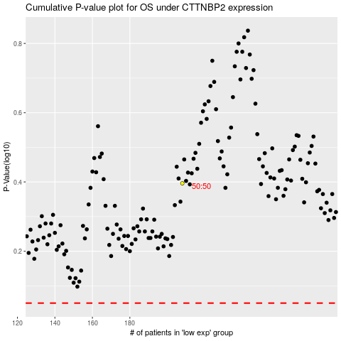

 |  |  |  |  |  | cases_OS | p_OS | rank | exp
 |  |  |  |  |  |  | cases_RFS | p_RFS | rank | exp

