CTTNBP2NL _multivariate
Reported by Tex Li-Hsing Chi. tex@gate.sinica.edu.tw 2019-08-20

Table 2. The clinicopathological features of HNSCC cohort and CTTNBP2NL expression. (Chi square test)
Cutoff at -0.095 (51.2%)
 |  | CTTNBP2NL expression |  | CTTNBP2NL expression |  | (Optimised)
 | Features | Low | (%) | High | (%) | Case no | P-value | Remark | Matthews
Gender | Female | 159 | 38.3 | 147 | 35.4 | 415 | 0.6263 | 0 | 0
2 | Male | 53 | 12.8 | 56 | 13.5
Age at diagnosis | <=65y | 138 | 33.3 | 136 | 32.8 | 415 | 0.7604 | 0 | 0
4 | >65y | 74 | 17.8 | 67 | 16.1
Clinical T Status | T1+T2 | 80 | 19.3 | 69 | 16.6 | 415 | 0.4884 | 0 | 0
6 | T3+T4 | 132 | 31.8 | 134 | 32.3
Clinical N Status | N0 | 117 | 28.2 | 99 | 23.9 | 415 | 0.2261 | 1 | 0
8 | N1-3 | 95 | 22.9 | 104 | 25.1
Clinical M Status | M0 | 209 | 50.4 | 203 | 48.9 | 415 | 0.2485 | 0 | 0
10 | M1 | 3 | 0.7 | 0 | 0
Clinical Stage | Stage I+II | 56 | 13.5 | 46 | 11.1 | 415 | 0.4389 | 0 | 0
12 | Stage III+IV | 156 | 37.6 | 157 | 37.8
Surgical Margin status | Negative | 161 | 38.8 | 157 | 37.8 | 415 | 0.8166 | 0 | 0
14 | Positive | 51 | 12.3 | 46 | 11.1
Tobacco Exposure | Low | 75 | 18.1 | 86 | 20.7 | 415 | 0.1588 | 0 | 0
16 | High | 137 | 33 | 117 | 28.2

Table 3. Univariate/Multivariate Cox's proportional hazards regression analyses on OS time of CTTNBP2NL gene expression in HNSCC

 |  | Univariate |  |  |  | Multivariate
 | Features | HR | CI95%(L) | CI95%(H) | P-value | HR | CI95%(L) | CI95%(H) | P-value
1 | Female | 1 |  |  |  | 1
Gender | Male | 1.157 | 0.843 | 1.587 | 0.367 | 1.195 | 0.853 | 1.672 | 0.3
11 | <=65y | 1 |  |  |  | 1
Age at diagnosis | >65y | 1.329 | 0.99 | 1.784 | 0.058 | 1.376 | 1.013 | 1.87 | 0.041
12 | T1+T2 | 1 |  |  |  | 1
Clinical T Status | T3+T4 | 1.409 | 1.028 | 1.931 | 0.033 | 2.204 | 1.166 | 4.166 | 0.015
13 | N0 | 1 |  |  |  | 1
Clinical N Status | N1-3 | 1.185 | 0.89 | 1.577 | 0.246 | 1.255 | 0.88 | 1.791 | 0.21
14 | M0 | 1 |  |  |  | 1
Clinical M Status | M1 | 4.097 | 1.009 | 16.644 | 0.049 | 8.235 | 1.783 | 38.033 | 0.007
15 | Stage I+II | 1 |  |  |  | 1
Clinical Stage | Stage III+IV | 1.245 | 0.882 | 1.759 | 0.213 | 0.514 | 0.24 | 1.103 | 0.088
16 | Negative | 1 |  |  |  | 1
Surgical Margin status | Positive | 1.591 | 1.155 | 2.191 | 0.004 | 1.633 | 1.181 | 2.259 | 0.003
17 | Low | 1 |  |  |  | 1
Tobacco Exposure | High | 1.364 | 1.008 | 1.844 | 0.044 | 1.421 | 1.03 | 1.96 | 0.032
18 | Low | 1 |  |  |  | 1
RNAseq(z-score) | High | 0.738 | 0.553 | 0.985 | 0.039 | 0.781 | 0.583 | 1.047 | 0.099

Table 4. Univariate/Multivariate Cox's proportional hazards regression analyses on RFS time of CTTNBP2NL gene expression in HNSCC

 |  | Univariate |  |  |  | Multivariate
 | Features | HR | CI95%(L) | CI95%(H) | P-value | HR | CI95%(L) | CI95%(H) | P-value
1 | Female | 1 |  |  |  | 1
Gender | Male | 1.157 | 0.843 | 1.587 | 0.367 | 1.195 | 0.853 | 1.672 | 0.3
11 | <=65y | 1 |  |  |  | 1
Age at diagnosis | >65y | 1.329 | 0.99 | 1.784 | 0.058 | 1.376 | 1.013 | 1.87 | 0.041
12 | T1+T2 | 1 |  |  |  | 1
Clinical T Status | T3+T4 | 1.409 | 1.028 | 1.931 | 0.033 | 2.204 | 1.166 | 4.166 | 0.015
13 | N0 | 1 |  |  |  | 1
Clinical N Status | N1-3 | 1.185 | 0.89 | 1.577 | 0.246 | 1.255 | 0.88 | 1.791 | 0.21
14 | M0 | 1 |  |  |  | 1
Clinical M Status | M1 | 4.097 | 1.009 | 16.644 | 0.049 | 8.235 | 1.783 | 38.033 | 0.007
15 | Stage I+II | 1 |  |  |  | 1
Clinical Stage | Stage III+IV | 1.245 | 0.882 | 1.759 | 0.213 | 0.514 | 0.24 | 1.103 | 0.088
16 | Negative | 1 |  |  |  | 1
Surgical Margin status | Positive | 1.591 | 1.155 | 2.191 | 0.004 | 1.633 | 1.181 | 2.259 | 0.003
17 | Low | 1 |  |  |  | 1
Tobacco Exposure | High | 1.364 | 1.008 | 1.844 | 0.044 | 1.421 | 1.03 | 1.96 | 0.032
18 | Low | 1 |  |  |  | 1
RNAseq(z-score) | High | 0.738 | 0.553 | 0.985 | 0.039 | 0.781 | 0.583 | 1.047 | 0.099

Kaplan-Meier survival estimate: Cutoff at -0.095 (51.2%)

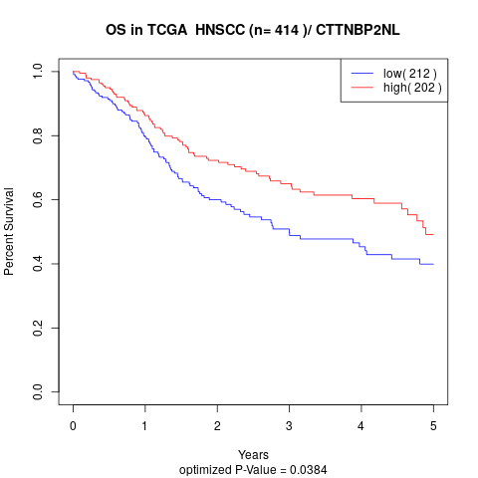

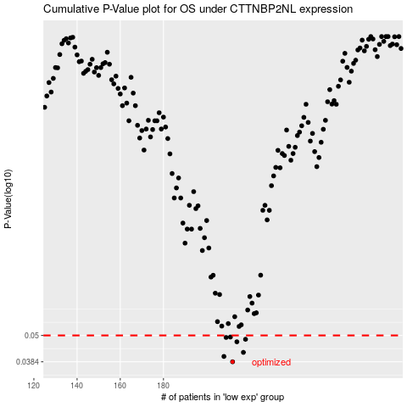

 |  |  |  |  |  | cases_OS | p_OS | rank | exp
 |  |  |  |  |  | 212 | 0.0384 | 26 | -0.095058428353
 |  |  |  |  |  | 208 | 0.0405 | 83 | -0.10907842779
 |  |  |  |  |  | 217 | 0.0422 | 294 | -0.068211115455
 |  |  |  |  |  | 214 | 0.0469 | 381 | -0.089504754342
 |  |  |  |  |  | 218 | 0.0481 | 120 | -0.064518056791
 |  |  |  |  |  | 209 | 0.049 | 336 | -0.10200262326
 |  |  |  |  |  | 211 | 0.0492 | 65 | -0.10071133518
 |  |  |  |  |  |  | cases_RFS | p_RFS | rank | exp
 |  |  |  |  |  |  | 211 | 0.0384 | 65 | -0.10071133518
 |  |  |  |  |  |  | 207 | 0.0405 | 61 | -0.11672566198
 |  |  |  |  |  |  | 216 | 0.0422 | 97 | -0.078671768244
 |  |  |  |  |  |  | 213 | 0.0469 | 339 | -0.092114871803
 |  |  |  |  |  |  | 217 | 0.0481 | 294 | -0.068211115455
 |  |  |  |  |  |  | 208 | 0.049 | 83 | -0.10907842779
 |  |  |  |  |  |  | 210 | 0.0492 | 3 | -0.10087868544

