CTU1 _multivariate
Reported by Tex Li-Hsing Chi. tex@gate.sinica.edu.tw 2019-08-20

Table 2. The clinicopathological features of HNSCC cohort and CTU1 expression. (Chi square test)
Cutoff at 0.062 (65.0%)
 |  | CTU1 expression |  | CTU1 expression |  | (Optimised)
 | Features | Low | (%) | High | (%) | Case no | P-value | Remark | Matthews
Gender | Female | 194 | 46.7 | 112 | 27 | 415 | 0.2835 | 0 | 0
2 | Male | 76 | 18.3 | 33 | 8
Age at diagnosis | <=65y | 179 | 43.1 | 95 | 22.9 | 415 | 0.9593 | 0 | 0
4 | >65y | 91 | 21.9 | 50 | 12
Clinical T Status | T1+T2 | 102 | 24.6 | 47 | 11.3 | 415 | 0.3277 | 0 | 0
6 | T3+T4 | 168 | 40.5 | 98 | 23.6
Clinical N Status | N0 | 141 | 34 | 75 | 18.1 | 415 | 1 | 0 | 0
8 | N1-3 | 129 | 31.1 | 70 | 16.9
Clinical M Status | M0 | 269 | 64.8 | 143 | 34.5 | 415 | 0.2804 | 0 | 0
10 | M1 | 1 | 0.2 | 2 | 0.5
Clinical Stage | Stage I+II | 71 | 17.1 | 31 | 7.5 | 415 | 0.3223 | 0 | 0
12 | Stage III+IV | 199 | 48 | 114 | 27.5
Surgical Margin status | Negative | 214 | 51.6 | 104 | 25.1 | 415 | 0.0896 | 0 | 0
14 | Positive | 56 | 13.5 | 41 | 9.9
Tobacco Exposure | Low | 109 | 26.3 | 52 | 12.5 | 415 | 0.3988 | 0 | 0
16 | High | 161 | 38.8 | 93 | 22.4

Table 3. Univariate/Multivariate Cox's proportional hazards regression analyses on OS time of CTU1 gene expression in HNSCC

 |  | Univariate |  |  |  | Multivariate
 | Features | HR | CI95%(L) | CI95%(H) | P-value | HR | CI95%(L) | CI95%(H) | P-value
1 | Female | 1 |  |  |  | 1
Gender | Male | 1.157 | 0.843 | 1.587 | 0.367 | 1.211 | 0.869 | 1.687 | 0.258
11 | <=65y | 1 |  |  |  | 1
Age at diagnosis | >65y | 1.329 | 0.99 | 1.784 | 0.058 | 1.424 | 1.047 | 1.938 | 0.024
12 | T1+T2 | 1 |  |  |  | 1
Clinical T Status | T3+T4 | 1.409 | 1.028 | 1.931 | 0.033 | 2.301 | 1.216 | 4.353 | 0.01
13 | N0 | 1 |  |  |  | 1
Clinical N Status | N1-3 | 1.185 | 0.89 | 1.577 | 0.246 | 1.246 | 0.874 | 1.777 | 0.224
14 | M0 | 1 |  |  |  | 1
Clinical M Status | M1 | 4.097 | 1.009 | 16.644 | 0.049 | 11.133 | 2.417 | 51.276 | 0.002
15 | Stage I+II | 1 |  |  |  | 1
Clinical Stage | Stage III+IV | 1.245 | 0.882 | 1.759 | 0.213 | 0.495 | 0.231 | 1.064 | 0.072
16 | Negative | 1 |  |  |  | 1
Surgical Margin status | Positive | 1.591 | 1.155 | 2.191 | 0.004 | 1.775 | 1.28 | 2.46 | 0.001
17 | Low | 1 |  |  |  | 1
Tobacco Exposure | High | 1.364 | 1.008 | 1.844 | 0.044 | 1.471 | 1.068 | 2.027 | 0.018
18 | Low | 1 |  |  |  | 1
RNAseq(z-score) | High | 0.707 | 0.511 | 0.977 | 0.036 | 0.621 | 0.447 | 0.863 | 0.004

Table 4. Univariate/Multivariate Cox's proportional hazards regression analyses on RFS time of CTU1 gene expression in HNSCC

 |  | Univariate |  |  |  | Multivariate
 | Features | HR | CI95%(L) | CI95%(H) | P-value | HR | CI95%(L) | CI95%(H) | P-value
1 | Female | 1 |  |  |  | 1
Gender | Male | 1.157 | 0.843 | 1.587 | 0.367 | 1.211 | 0.869 | 1.687 | 0.258
11 | <=65y | 1 |  |  |  | 1
Age at diagnosis | >65y | 1.329 | 0.99 | 1.784 | 0.058 | 1.424 | 1.047 | 1.938 | 0.024
12 | T1+T2 | 1 |  |  |  | 1
Clinical T Status | T3+T4 | 1.409 | 1.028 | 1.931 | 0.033 | 2.301 | 1.216 | 4.353 | 0.01
13 | N0 | 1 |  |  |  | 1
Clinical N Status | N1-3 | 1.185 | 0.89 | 1.577 | 0.246 | 1.246 | 0.874 | 1.777 | 0.224
14 | M0 | 1 |  |  |  | 1
Clinical M Status | M1 | 4.097 | 1.009 | 16.644 | 0.049 | 11.133 | 2.417 | 51.276 | 0.002
15 | Stage I+II | 1 |  |  |  | 1
Clinical Stage | Stage III+IV | 1.245 | 0.882 | 1.759 | 0.213 | 0.495 | 0.231 | 1.064 | 0.072
16 | Negative | 1 |  |  |  | 1
Surgical Margin status | Positive | 1.591 | 1.155 | 2.191 | 0.004 | 1.775 | 1.28 | 2.46 | 0.001
17 | Low | 1 |  |  |  | 1
Tobacco Exposure | High | 1.364 | 1.008 | 1.844 | 0.044 | 1.471 | 1.068 | 2.027 | 0.018
18 | Low | 1 |  |  |  | 1
RNAseq(z-score) | High | 0.707 | 0.511 | 0.977 | 0.036 | 0.621 | 0.447 | 0.863 | 0.004

Kaplan-Meier survival estimate: Cutoff at 0.062 (65.0%)

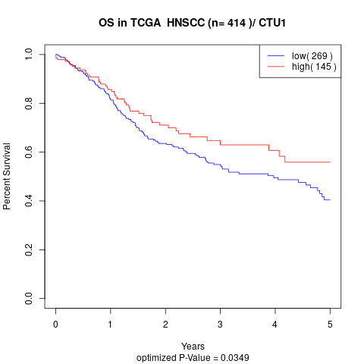

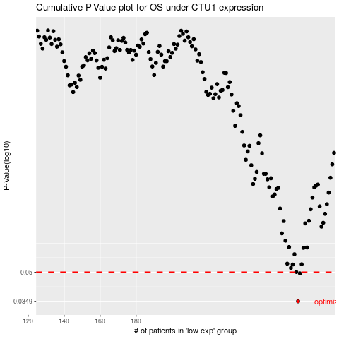

 |  |  |  |  |  | cases_OS | p_OS | rank | exp
 |  |  |  |  |  | 270 | 0.0349 | 231 | 0.06213603757
 |  |  |  |  |  | 271 | 0.0493 | 178 | 0.064846850038
 |  |  |  |  |  |  | cases_RFS | p_RFS | rank | exp
 |  |  |  |  |  |  | 269 | 0.0349 | 274 | 0.057171695846
 |  |  |  |  |  |  | 270 | 0.0493 | 231 | 0.06213603757

