CTU2 _multivariate
Reported by Tex Li-Hsing Chi. tex@gate.sinica.edu.tw 2019-08-20

Table 2. The clinicopathological features of HNSCC cohort and CTU2 expression. (Chi square test)
Cutoff at -0.086 (49.8%)
 |  | CTU2 expression |  | CTU2 expression |  | (Optimised)
 | Features | Low | (%) | High | (%) | Case no | P-value | Remark | Matthews
Gender | Female | 140 | 33.7 | 166 | 40 | 415 | 0.0068 | 1 | 0
2 | Male | 67 | 16.1 | 42 | 10.1
Age at diagnosis | <=65y | 129 | 31.1 | 145 | 34.9 | 415 | 0.1372 | 0 | 0
4 | >65y | 78 | 18.8 | 63 | 15.2
Clinical T Status | T1+T2 | 80 | 19.3 | 69 | 16.6 | 415 | 0.2891 | 0 | 0
6 | T3+T4 | 127 | 30.6 | 139 | 33.5
Clinical N Status | N0 | 109 | 26.3 | 107 | 25.8 | 415 | 0.8812 | 0 | 0
8 | N1-3 | 98 | 23.6 | 101 | 24.3
Clinical M Status | M0 | 206 | 49.6 | 206 | 49.6 | 415 | 1 | 0 | 0
10 | M1 | 1 | 0.2 | 2 | 0.5
Clinical Stage | Stage I+II | 52 | 12.5 | 50 | 12 | 415 | 0.8871 | 0 | 0
12 | Stage III+IV | 155 | 37.3 | 158 | 38.1
Surgical Margin status | Negative | 163 | 39.3 | 155 | 37.3 | 415 | 0.3537 | 0 | 0
14 | Positive | 44 | 10.6 | 53 | 12.8
Tobacco Exposure | Low | 93 | 22.4 | 68 | 16.4 | 415 | 0.0118 | 1 | 0
16 | High | 114 | 27.5 | 140 | 33.7

Table 3. Univariate/Multivariate Cox's proportional hazards regression analyses on OS time of CTU2 gene expression in HNSCC

 |  | Univariate |  |  |  | Multivariate
 | Features | HR | CI95%(L) | CI95%(H) | P-value | HR | CI95%(L) | CI95%(H) | P-value
1 | Female | 1 |  |  |  | 1
Gender | Male | 1.157 | 0.843 | 1.587 | 0.367 | 1.21 | 0.865 | 1.694 | 0.265
11 | <=65y | 1 |  |  |  | 1
Age at diagnosis | >65y | 1.329 | 0.99 | 1.784 | 0.058 | 1.399 | 1.029 | 1.903 | 0.032
12 | T1+T2 | 1 |  |  |  | 1
Clinical T Status | T3+T4 | 1.409 | 1.028 | 1.931 | 0.033 | 2.157 | 1.135 | 4.099 | 0.019
13 | N0 | 1 |  |  |  | 1
Clinical N Status | N1-3 | 1.185 | 0.89 | 1.577 | 0.246 | 1.229 | 0.859 | 1.756 | 0.259
14 | M0 | 1 |  |  |  | 1
Clinical M Status | M1 | 4.097 | 1.009 | 16.644 | 0.049 | 9.188 | 1.999 | 42.22 | 0.004
15 | Stage I+II | 1 |  |  |  | 1
Clinical Stage | Stage III+IV | 1.245 | 0.882 | 1.759 | 0.213 | 0.52 | 0.24 | 1.124 | 0.096
16 | Negative | 1 |  |  |  | 1
Surgical Margin status | Positive | 1.591 | 1.155 | 2.191 | 0.004 | 1.656 | 1.197 | 2.293 | 0.002
17 | Low | 1 |  |  |  | 1
Tobacco Exposure | High | 1.364 | 1.008 | 1.844 | 0.044 | 1.444 | 1.046 | 1.992 | 0.025
18 | Low | 1 |  |  |  | 1
RNAseq(z-score) | High | 1.169 | 0.877 | 1.559 | 0.286 | 1.081 | 0.804 | 1.455 | 0.606

Table 4. Univariate/Multivariate Cox's proportional hazards regression analyses on RFS time of CTU2 gene expression in HNSCC

 |  | Univariate |  |  |  | Multivariate
 | Features | HR | CI95%(L) | CI95%(H) | P-value | HR | CI95%(L) | CI95%(H) | P-value
1 | Female | 1 |  |  |  | 1
Gender | Male | 1.157 | 0.843 | 1.587 | 0.367 | 1.21 | 0.865 | 1.694 | 0.265
11 | <=65y | 1 |  |  |  | 1
Age at diagnosis | >65y | 1.329 | 0.99 | 1.784 | 0.058 | 1.399 | 1.029 | 1.903 | 0.032
12 | T1+T2 | 1 |  |  |  | 1
Clinical T Status | T3+T4 | 1.409 | 1.028 | 1.931 | 0.033 | 2.157 | 1.135 | 4.099 | 0.019
13 | N0 | 1 |  |  |  | 1
Clinical N Status | N1-3 | 1.185 | 0.89 | 1.577 | 0.246 | 1.229 | 0.859 | 1.756 | 0.259
14 | M0 | 1 |  |  |  | 1
Clinical M Status | M1 | 4.097 | 1.009 | 16.644 | 0.049 | 9.188 | 1.999 | 42.22 | 0.004
15 | Stage I+II | 1 |  |  |  | 1
Clinical Stage | Stage III+IV | 1.245 | 0.882 | 1.759 | 0.213 | 0.52 | 0.24 | 1.124 | 0.096
16 | Negative | 1 |  |  |  | 1
Surgical Margin status | Positive | 1.591 | 1.155 | 2.191 | 0.004 | 1.656 | 1.197 | 2.293 | 0.002
17 | Low | 1 |  |  |  | 1
Tobacco Exposure | High | 1.364 | 1.008 | 1.844 | 0.044 | 1.444 | 1.046 | 1.992 | 0.025
18 | Low | 1 |  |  |  | 1
RNAseq(z-score) | High | 1.169 | 0.877 | 1.559 | 0.286 | 1.081 | 0.804 | 1.455 | 0.606

Kaplan-Meier survival estimate: Cutoff at -0.086 (49.8%)



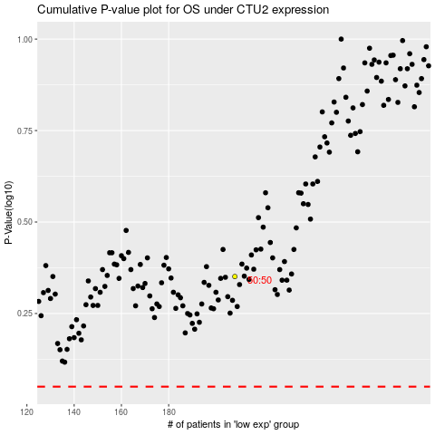

 |  |  |  |  |  | cases_OS | p_OS | rank | exp
 |  |  |  |  |  |  | cases_RFS | p_RFS | rank | exp

