CUBN _multivariate
Reported by Tex Li-Hsing Chi. tex@gate.sinica.edu.tw 2019-08-20

Table 2. The clinicopathological features of HNSCC cohort and CUBN expression. (Chi square test)
Cutoff at -0.103 (59.4%)
 |  | CUBN expression |  | CUBN expression |  | (Optimised)
 | Features | Low | (%) | High | (%) | Case no | P-value | Remark | Matthews
Gender | Female | 186 | 44.8 | 120 | 28.9 | 415 | 0.4432 | 0 | 0
2 | Male | 61 | 14.7 | 48 | 11.6
Age at diagnosis | <=65y | 167 | 40.2 | 107 | 25.8 | 415 | 0.4702 | 0 | 0
4 | >65y | 80 | 19.3 | 61 | 14.7
Clinical T Status | T1+T2 | 79 | 19 | 70 | 16.9 | 415 | 0.0556 | 0 | 0
6 | T3+T4 | 168 | 40.5 | 98 | 23.6
Clinical N Status | N0 | 125 | 30.1 | 91 | 21.9 | 415 | 0.5403 | 0 | 0
8 | N1-3 | 122 | 29.4 | 77 | 18.6
Clinical M Status | M0 | 244 | 58.8 | 168 | 40.5 | 415 | 0.2754 | 0 | 0
10 | M1 | 3 | 0.7 | 0 | 0
Clinical Stage | Stage I+II | 55 | 13.3 | 47 | 11.3 | 415 | 0.2264 | 0 | 0
12 | Stage III+IV | 192 | 46.3 | 121 | 29.2
Surgical Margin status | Negative | 195 | 47 | 123 | 29.6 | 415 | 0.1943 | 0 | 0
14 | Positive | 52 | 12.5 | 45 | 10.8
Tobacco Exposure | Low | 88 | 21.2 | 73 | 17.6 | 415 | 0.1238 | 0 | 0
16 | High | 159 | 38.3 | 95 | 22.9

Table 3. Univariate/Multivariate Cox's proportional hazards regression analyses on OS time of CUBN gene expression in HNSCC

 |  | Univariate |  |  |  | Multivariate
 | Features | HR | CI95%(L) | CI95%(H) | P-value | HR | CI95%(L) | CI95%(H) | P-value
1 | Female | 1 |  |  |  | 1
Gender | Male | 1.157 | 0.843 | 1.587 | 0.367 | 1.199 | 0.856 | 1.679 | 0.291
11 | <=65y | 1 |  |  |  | 1
Age at diagnosis | >65y | 1.329 | 0.99 | 1.784 | 0.058 | 1.393 | 1.024 | 1.895 | 0.035
12 | T1+T2 | 1 |  |  |  | 1
Clinical T Status | T3+T4 | 1.409 | 1.028 | 1.931 | 0.033 | 2.063 | 1.087 | 3.913 | 0.027
13 | N0 | 1 |  |  |  | 1
Clinical N Status | N1-3 | 1.185 | 0.89 | 1.577 | 0.246 | 1.225 | 0.858 | 1.748 | 0.263
14 | M0 | 1 |  |  |  | 1
Clinical M Status | M1 | 4.097 | 1.009 | 16.644 | 0.049 | 8.033 | 1.739 | 37.101 | 0.008
15 | Stage I+II | 1 |  |  |  | 1
Clinical Stage | Stage III+IV | 1.245 | 0.882 | 1.759 | 0.213 | 0.525 | 0.245 | 1.128 | 0.099
16 | Negative | 1 |  |  |  | 1
Surgical Margin status | Positive | 1.591 | 1.155 | 2.191 | 0.004 | 1.715 | 1.239 | 2.373 | 0.001
17 | Low | 1 |  |  |  | 1
Tobacco Exposure | High | 1.364 | 1.008 | 1.844 | 0.044 | 1.439 | 1.041 | 1.987 | 0.027
18 | Low | 1 |  |  |  | 1
RNAseq(z-score) | High | 0.712 | 0.527 | 0.96 | 0.026 | 0.745 | 0.549 | 1.01 | 0.058

Table 4. Univariate/Multivariate Cox's proportional hazards regression analyses on RFS time of CUBN gene expression in HNSCC

 |  | Univariate |  |  |  | Multivariate
 | Features | HR | CI95%(L) | CI95%(H) | P-value | HR | CI95%(L) | CI95%(H) | P-value
1 | Female | 1 |  |  |  | 1
Gender | Male | 1.157 | 0.843 | 1.587 | 0.367 | 1.199 | 0.856 | 1.679 | 0.291
11 | <=65y | 1 |  |  |  | 1
Age at diagnosis | >65y | 1.329 | 0.99 | 1.784 | 0.058 | 1.393 | 1.024 | 1.895 | 0.035
12 | T1+T2 | 1 |  |  |  | 1
Clinical T Status | T3+T4 | 1.409 | 1.028 | 1.931 | 0.033 | 2.063 | 1.087 | 3.913 | 0.027
13 | N0 | 1 |  |  |  | 1
Clinical N Status | N1-3 | 1.185 | 0.89 | 1.577 | 0.246 | 1.225 | 0.858 | 1.748 | 0.263
14 | M0 | 1 |  |  |  | 1
Clinical M Status | M1 | 4.097 | 1.009 | 16.644 | 0.049 | 8.033 | 1.739 | 37.101 | 0.008
15 | Stage I+II | 1 |  |  |  | 1
Clinical Stage | Stage III+IV | 1.245 | 0.882 | 1.759 | 0.213 | 0.525 | 0.245 | 1.128 | 0.099
16 | Negative | 1 |  |  |  | 1
Surgical Margin status | Positive | 1.591 | 1.155 | 2.191 | 0.004 | 1.715 | 1.239 | 2.373 | 0.001
17 | Low | 1 |  |  |  | 1
Tobacco Exposure | High | 1.364 | 1.008 | 1.844 | 0.044 | 1.439 | 1.041 | 1.987 | 0.027
18 | Low | 1 |  |  |  | 1
RNAseq(z-score) | High | 0.712 | 0.527 | 0.96 | 0.026 | 0.745 | 0.549 | 1.01 | 0.058

Kaplan-Meier survival estimate: Cutoff at -0.103 (59.4%)



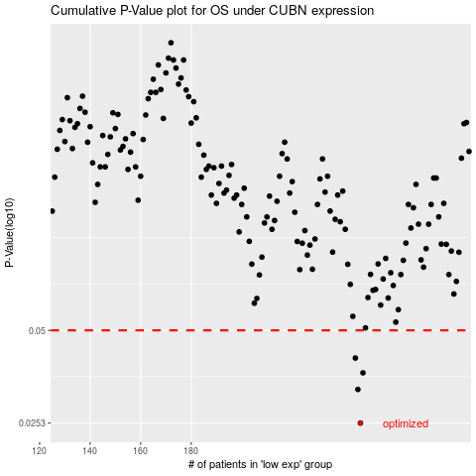

 |  |  |  |  |  | cases_OS | p_OS | rank | exp
 |  |  |  |  |  | 247 | 0.0253 | 272 | -0.10291679464
 |  |  |  |  |  | 246 | 0.0324 | 236 | -0.10311114135
 |  |  |  |  |  | 248 | 0.0366 | 368 | -0.096188196156
 |  |  |  |  |  | 245 | 0.0408 | 260 | -0.10462389417
 |  |  |  |  |  |  | cases_RFS | p_RFS | rank | exp
 |  |  |  |  |  |  | 246 | 0.0253 | 236 | -0.10311114135
 |  |  |  |  |  |  | 245 | 0.0324 | 260 | -0.10462389417
 |  |  |  |  |  |  | 247 | 0.0366 | 272 | -0.10291679464
 |  |  |  |  |  |  | 244 | 0.0408 | 223 | -0.10879972227

