CUEDC2 _multivariate
Reported by Tex Li-Hsing Chi. tex@gate.sinica.edu.tw 2019-08-20

Table 2. The clinicopathological features of HNSCC cohort and CUEDC2 expression. (Chi square test)
Cutoff at -0.316 (50.0%)
 |  | CUEDC2 expression |  | CUEDC2 expression |  | (Optimised)
 | Features | Low | (%) | High | (%) | Case no | P-value | Remark | Matthews
Gender | Female | 143 | 34.5 | 163 | 39.3 | 415 | 0.0416 | 1 | 0
2 | Male | 64 | 15.4 | 45 | 10.8
Age at diagnosis | <=65y | 139 | 33.5 | 135 | 32.5 | 415 | 0.7044 | 0 | 0
4 | >65y | 68 | 16.4 | 73 | 17.6
Clinical T Status | T1+T2 | 83 | 20 | 66 | 15.9 | 415 | 0.0941 | 0 | 0
6 | T3+T4 | 124 | 29.9 | 142 | 34.2
Clinical N Status | N0 | 119 | 28.7 | 97 | 23.4 | 415 | 0.0345 | 1 | 0
8 | N1-3 | 88 | 21.2 | 111 | 26.7
Clinical M Status | M0 | 205 | 49.4 | 207 | 49.9 | 415 | 0.6232 | 0 | 0
10 | M1 | 2 | 0.5 | 1 | 0.2
Clinical Stage | Stage I+II | 61 | 14.7 | 41 | 9.9 | 415 | 0.0282 | 1 | 0
12 | Stage III+IV | 146 | 35.2 | 167 | 40.2
Surgical Margin status | Negative | 168 | 40.5 | 150 | 36.1 | 415 | 0.0366 | 1 | 0
14 | Positive | 39 | 9.4 | 58 | 14
Tobacco Exposure | Low | 94 | 22.7 | 67 | 16.1 | 415 | 0.0065 | 1 | 0
16 | High | 113 | 27.2 | 141 | 34

Table 3. Univariate/Multivariate Cox's proportional hazards regression analyses on OS time of CUEDC2 gene expression in HNSCC

 |  | Univariate |  |  |  | Multivariate
 | Features | HR | CI95%(L) | CI95%(H) | P-value | HR | CI95%(L) | CI95%(H) | P-value
1 | Female | 1 |  |  |  | 1
Gender | Male | 1.157 | 0.843 | 1.587 | 0.367 | 1.199 | 0.858 | 1.676 | 0.287
11 | <=65y | 1 |  |  |  | 1
Age at diagnosis | >65y | 1.329 | 0.99 | 1.784 | 0.058 | 1.396 | 1.026 | 1.899 | 0.034
12 | T1+T2 | 1 |  |  |  | 1
Clinical T Status | T3+T4 | 1.409 | 1.028 | 1.931 | 0.033 | 2.205 | 1.166 | 4.169 | 0.015
13 | N0 | 1 |  |  |  | 1
Clinical N Status | N1-3 | 1.185 | 0.89 | 1.577 | 0.246 | 1.247 | 0.872 | 1.783 | 0.226
14 | M0 | 1 |  |  |  | 1
Clinical M Status | M1 | 4.097 | 1.009 | 16.644 | 0.049 | 9.35 | 2.038 | 42.887 | 0.004
15 | Stage I+II | 1 |  |  |  | 1
Clinical Stage | Stage III+IV | 1.245 | 0.882 | 1.759 | 0.213 | 0.504 | 0.235 | 1.083 | 0.079
16 | Negative | 1 |  |  |  | 1
Surgical Margin status | Positive | 1.591 | 1.155 | 2.191 | 0.004 | 1.68 | 1.213 | 2.327 | 0.002
17 | Low | 1 |  |  |  | 1
Tobacco Exposure | High | 1.364 | 1.008 | 1.844 | 0.044 | 1.462 | 1.057 | 2.021 | 0.022
18 | Low | 1 |  |  |  | 1
RNAseq(z-score) | High | 1.094 | 0.821 | 1.456 | 0.54 | 0.962 | 0.716 | 1.294 | 0.8

Table 4. Univariate/Multivariate Cox's proportional hazards regression analyses on RFS time of CUEDC2 gene expression in HNSCC

 |  | Univariate |  |  |  | Multivariate
 | Features | HR | CI95%(L) | CI95%(H) | P-value | HR | CI95%(L) | CI95%(H) | P-value
1 | Female | 1 |  |  |  | 1
Gender | Male | 1.157 | 0.843 | 1.587 | 0.367 | 1.199 | 0.858 | 1.676 | 0.287
11 | <=65y | 1 |  |  |  | 1
Age at diagnosis | >65y | 1.329 | 0.99 | 1.784 | 0.058 | 1.396 | 1.026 | 1.899 | 0.034
12 | T1+T2 | 1 |  |  |  | 1
Clinical T Status | T3+T4 | 1.409 | 1.028 | 1.931 | 0.033 | 2.205 | 1.166 | 4.169 | 0.015
13 | N0 | 1 |  |  |  | 1
Clinical N Status | N1-3 | 1.185 | 0.89 | 1.577 | 0.246 | 1.247 | 0.872 | 1.783 | 0.226
14 | M0 | 1 |  |  |  | 1
Clinical M Status | M1 | 4.097 | 1.009 | 16.644 | 0.049 | 9.35 | 2.038 | 42.887 | 0.004
15 | Stage I+II | 1 |  |  |  | 1
Clinical Stage | Stage III+IV | 1.245 | 0.882 | 1.759 | 0.213 | 0.504 | 0.235 | 1.083 | 0.079
16 | Negative | 1 |  |  |  | 1
Surgical Margin status | Positive | 1.591 | 1.155 | 2.191 | 0.004 | 1.68 | 1.213 | 2.327 | 0.002
17 | Low | 1 |  |  |  | 1
Tobacco Exposure | High | 1.364 | 1.008 | 1.844 | 0.044 | 1.462 | 1.057 | 2.021 | 0.022
18 | Low | 1 |  |  |  | 1
RNAseq(z-score) | High | 1.094 | 0.821 | 1.456 | 0.54 | 0.962 | 0.716 | 1.294 | 0.8

Kaplan-Meier survival estimate: Cutoff at -0.316 (50.0%)



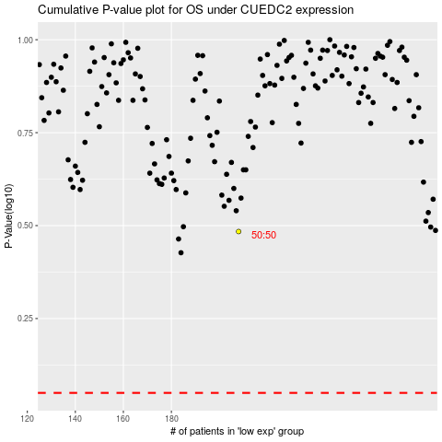

 |  |  |  |  |  | cases_OS | p_OS | rank | exp
 |  |  |  |  |  |  | cases_RFS | p_RFS | rank | exp

