CUL1 _multivariate
Reported by Tex Li-Hsing Chi. tex@gate.sinica.edu.tw 2019-08-20

Table 2. The clinicopathological features of HNSCC cohort and CUL1 expression. (Chi square test)
Cutoff at -0.006 (50.0%)
 |  | CUL1 expression |  | CUL1 expression |  | (Optimised)
 | Features | Low | (%) | High | (%) | Case no | P-value | Remark | Matthews
Gender | Female | 157 | 37.8 | 149 | 35.9 | 415 | 0.3881 | 0 | 0
2 | Male | 50 | 12 | 59 | 14.2
Age at diagnosis | <=65y | 144 | 34.7 | 130 | 31.3 | 415 | 0.1568 | 0 | 0
4 | >65y | 63 | 15.2 | 78 | 18.8
Clinical T Status | T1+T2 | 84 | 20.2 | 65 | 15.7 | 415 | 0.0603 | 0 | 0
6 | T3+T4 | 123 | 29.6 | 143 | 34.5
Clinical N Status | N0 | 96 | 23.1 | 120 | 28.9 | 415 | 0.0272 | 1 | 0
8 | N1-3 | 111 | 26.7 | 88 | 21.2
Clinical M Status | M0 | 206 | 49.6 | 206 | 49.6 | 415 | 1 | 0 | 0
10 | M1 | 1 | 0.2 | 2 | 0.5
Clinical Stage | Stage I+II | 51 | 12.3 | 51 | 12.3 | 415 | 1 | 0 | 0
12 | Stage III+IV | 156 | 37.6 | 157 | 37.8
Surgical Margin status | Negative | 160 | 38.6 | 158 | 38.1 | 415 | 0.8167 | 0 | 0
14 | Positive | 47 | 11.3 | 50 | 12
Tobacco Exposure | Low | 84 | 20.2 | 77 | 18.6 | 415 | 0.4816 | 0 | 0
16 | High | 123 | 29.6 | 131 | 31.6

Table 3. Univariate/Multivariate Cox's proportional hazards regression analyses on OS time of CUL1 gene expression in HNSCC

 |  | Univariate |  |  |  | Multivariate
 | Features | HR | CI95%(L) | CI95%(H) | P-value | HR | CI95%(L) | CI95%(H) | P-value
1 | Female | 1 |  |  |  | 1
Gender | Male | 1.157 | 0.843 | 1.587 | 0.367 | 1.207 | 0.864 | 1.688 | 0.271
11 | <=65y | 1 |  |  |  | 1
Age at diagnosis | >65y | 1.329 | 0.99 | 1.784 | 0.058 | 1.4 | 1.029 | 1.905 | 0.032
12 | T1+T2 | 1 |  |  |  | 1
Clinical T Status | T3+T4 | 1.409 | 1.028 | 1.931 | 0.033 | 2.231 | 1.178 | 4.227 | 0.014
13 | N0 | 1 |  |  |  | 1
Clinical N Status | N1-3 | 1.185 | 0.89 | 1.577 | 0.246 | 1.215 | 0.846 | 1.745 | 0.292
14 | M0 | 1 |  |  |  | 1
Clinical M Status | M1 | 4.097 | 1.009 | 16.644 | 0.049 | 9.687 | 2.106 | 44.548 | 0.004
15 | Stage I+II | 1 |  |  |  | 1
Clinical Stage | Stage III+IV | 1.245 | 0.882 | 1.759 | 0.213 | 0.501 | 0.234 | 1.076 | 0.076
16 | Negative | 1 |  |  |  | 1
Surgical Margin status | Positive | 1.591 | 1.155 | 2.191 | 0.004 | 1.678 | 1.214 | 2.32 | 0.002
17 | Low | 1 |  |  |  | 1
Tobacco Exposure | High | 1.364 | 1.008 | 1.844 | 0.044 | 1.458 | 1.057 | 2.01 | 0.021
18 | Low | 1 |  |  |  | 1
RNAseq(z-score) | High | 0.968 | 0.727 | 1.29 | 0.826 | 0.914 | 0.679 | 1.229 | 0.552

Table 4. Univariate/Multivariate Cox's proportional hazards regression analyses on RFS time of CUL1 gene expression in HNSCC

 |  | Univariate |  |  |  | Multivariate
 | Features | HR | CI95%(L) | CI95%(H) | P-value | HR | CI95%(L) | CI95%(H) | P-value
1 | Female | 1 |  |  |  | 1
Gender | Male | 1.157 | 0.843 | 1.587 | 0.367 | 1.207 | 0.864 | 1.688 | 0.271
11 | <=65y | 1 |  |  |  | 1
Age at diagnosis | >65y | 1.329 | 0.99 | 1.784 | 0.058 | 1.4 | 1.029 | 1.905 | 0.032
12 | T1+T2 | 1 |  |  |  | 1
Clinical T Status | T3+T4 | 1.409 | 1.028 | 1.931 | 0.033 | 2.231 | 1.178 | 4.227 | 0.014
13 | N0 | 1 |  |  |  | 1
Clinical N Status | N1-3 | 1.185 | 0.89 | 1.577 | 0.246 | 1.215 | 0.846 | 1.745 | 0.292
14 | M0 | 1 |  |  |  | 1
Clinical M Status | M1 | 4.097 | 1.009 | 16.644 | 0.049 | 9.687 | 2.106 | 44.548 | 0.004
15 | Stage I+II | 1 |  |  |  | 1
Clinical Stage | Stage III+IV | 1.245 | 0.882 | 1.759 | 0.213 | 0.501 | 0.234 | 1.076 | 0.076
16 | Negative | 1 |  |  |  | 1
Surgical Margin status | Positive | 1.591 | 1.155 | 2.191 | 0.004 | 1.678 | 1.214 | 2.32 | 0.002
17 | Low | 1 |  |  |  | 1
Tobacco Exposure | High | 1.364 | 1.008 | 1.844 | 0.044 | 1.458 | 1.057 | 2.01 | 0.021
18 | Low | 1 |  |  |  | 1
RNAseq(z-score) | High | 0.968 | 0.727 | 1.29 | 0.826 | 0.914 | 0.679 | 1.229 | 0.552

Kaplan-Meier survival estimate: Cutoff at -0.006 (50.0%)

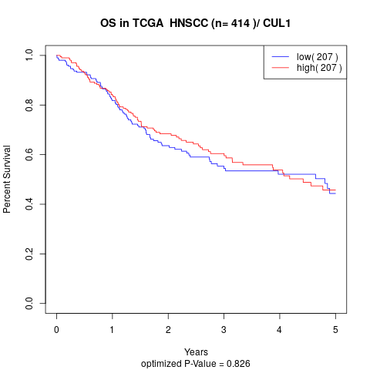

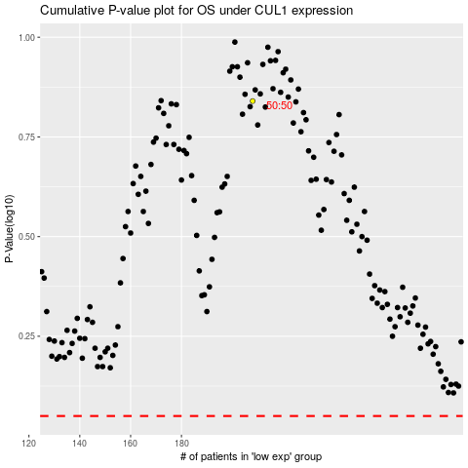

 |  |  |  |  |  | cases_OS | p_OS | rank | exp
 |  |  |  |  |  |  | cases_RFS | p_RFS | rank | exp

