CUL4B _multivariate
Reported by Tex Li-Hsing Chi. tex@gate.sinica.edu.tw 2019-08-20

Table 2. The clinicopathological features of HNSCC cohort and CUL4B expression. (Chi square test)
Cutoff at -0.196 (49.8%)
 |  | CUL4B expression |  | CUL4B expression |  | (Optimised)
 | Features | Low | (%) | High | (%) | Case no | P-value | Remark | Matthews
Gender | Female | 148 | 35.7 | 158 | 38.1 | 415 | 0.3567 | 0 | 0
2 | Male | 59 | 14.2 | 50 | 12
Age at diagnosis | <=65y | 128 | 30.8 | 146 | 35.2 | 415 | 0.0904 | 0 | 0
4 | >65y | 79 | 19 | 62 | 14.9
Clinical T Status | T1+T2 | 66 | 15.9 | 83 | 20 | 415 | 0.1095 | 0 | 0
6 | T3+T4 | 141 | 34 | 125 | 30.1
Clinical N Status | N0 | 109 | 26.3 | 107 | 25.8 | 415 | 0.8812 | 0 | 0
8 | N1-3 | 98 | 23.6 | 101 | 24.3
Clinical M Status | M0 | 206 | 49.6 | 206 | 49.6 | 415 | 1 | 0 | 0
10 | M1 | 1 | 0.2 | 2 | 0.5
Clinical Stage | Stage I+II | 48 | 11.6 | 54 | 13 | 415 | 0.5878 | 0 | 0
12 | Stage III+IV | 159 | 38.3 | 154 | 37.1
Surgical Margin status | Negative | 161 | 38.8 | 157 | 37.8 | 415 | 0.6429 | 0 | 0
14 | Positive | 46 | 11.1 | 51 | 12.3
Tobacco Exposure | Low | 83 | 20 | 78 | 18.8 | 415 | 0.6152 | 0 | 0
16 | High | 124 | 29.9 | 130 | 31.3

Table 3. Univariate/Multivariate Cox's proportional hazards regression analyses on OS time of CUL4B gene expression in HNSCC

 |  | Univariate |  |  |  | Multivariate
 | Features | HR | CI95%(L) | CI95%(H) | P-value | HR | CI95%(L) | CI95%(H) | P-value
1 | Female | 1 |  |  |  | 1
Gender | Male | 1.157 | 0.843 | 1.587 | 0.367 | 1.207 | 0.865 | 1.685 | 0.269
11 | <=65y | 1 |  |  |  | 1
Age at diagnosis | >65y | 1.329 | 0.99 | 1.784 | 0.058 | 1.427 | 1.046 | 1.948 | 0.025
12 | T1+T2 | 1 |  |  |  | 1
Clinical T Status | T3+T4 | 1.409 | 1.028 | 1.931 | 0.033 | 2.283 | 1.203 | 4.332 | 0.012
13 | N0 | 1 |  |  |  | 1
Clinical N Status | N1-3 | 1.185 | 0.89 | 1.577 | 0.246 | 1.255 | 0.879 | 1.792 | 0.212
14 | M0 | 1 |  |  |  | 1
Clinical M Status | M1 | 4.097 | 1.009 | 16.644 | 0.049 | 9.508 | 2.074 | 43.597 | 0.004
15 | Stage I+II | 1 |  |  |  | 1
Clinical Stage | Stage III+IV | 1.245 | 0.882 | 1.759 | 0.213 | 0.49 | 0.228 | 1.054 | 0.068
16 | Negative | 1 |  |  |  | 1
Surgical Margin status | Positive | 1.591 | 1.155 | 2.191 | 0.004 | 1.657 | 1.198 | 2.29 | 0.002
17 | Low | 1 |  |  |  | 1
Tobacco Exposure | High | 1.364 | 1.008 | 1.844 | 0.044 | 1.458 | 1.059 | 2.007 | 0.021
18 | Low | 1 |  |  |  | 1
RNAseq(z-score) | High | 1.067 | 0.801 | 1.421 | 0.657 | 1.163 | 0.867 | 1.56 | 0.314

Table 4. Univariate/Multivariate Cox's proportional hazards regression analyses on RFS time of CUL4B gene expression in HNSCC

 |  | Univariate |  |  |  | Multivariate
 | Features | HR | CI95%(L) | CI95%(H) | P-value | HR | CI95%(L) | CI95%(H) | P-value
1 | Female | 1 |  |  |  | 1
Gender | Male | 1.157 | 0.843 | 1.587 | 0.367 | 1.207 | 0.865 | 1.685 | 0.269
11 | <=65y | 1 |  |  |  | 1
Age at diagnosis | >65y | 1.329 | 0.99 | 1.784 | 0.058 | 1.427 | 1.046 | 1.948 | 0.025
12 | T1+T2 | 1 |  |  |  | 1
Clinical T Status | T3+T4 | 1.409 | 1.028 | 1.931 | 0.033 | 2.283 | 1.203 | 4.332 | 0.012
13 | N0 | 1 |  |  |  | 1
Clinical N Status | N1-3 | 1.185 | 0.89 | 1.577 | 0.246 | 1.255 | 0.879 | 1.792 | 0.212
14 | M0 | 1 |  |  |  | 1
Clinical M Status | M1 | 4.097 | 1.009 | 16.644 | 0.049 | 9.508 | 2.074 | 43.597 | 0.004
15 | Stage I+II | 1 |  |  |  | 1
Clinical Stage | Stage III+IV | 1.245 | 0.882 | 1.759 | 0.213 | 0.49 | 0.228 | 1.054 | 0.068
16 | Negative | 1 |  |  |  | 1
Surgical Margin status | Positive | 1.591 | 1.155 | 2.191 | 0.004 | 1.657 | 1.198 | 2.29 | 0.002
17 | Low | 1 |  |  |  | 1
Tobacco Exposure | High | 1.364 | 1.008 | 1.844 | 0.044 | 1.458 | 1.059 | 2.007 | 0.021
18 | Low | 1 |  |  |  | 1
RNAseq(z-score) | High | 1.067 | 0.801 | 1.421 | 0.657 | 1.163 | 0.867 | 1.56 | 0.314

Kaplan-Meier survival estimate: Cutoff at -0.196 (49.8%)



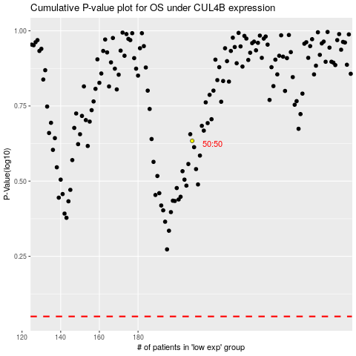

 |  |  |  |  |  | cases_OS | p_OS | rank | exp
 |  |  |  |  |  |  | cases_RFS | p_RFS | rank | exp

