CUL5 _multivariate
Reported by Tex Li-Hsing Chi. tex@gate.sinica.edu.tw 2019-08-20

Table 2. The clinicopathological features of HNSCC cohort and CUL5 expression. (Chi square test)
Cutoff at -0.135 (49.8%)
 |  | CUL5 expression |  | CUL5 expression |  | (Optimised)
 | Features | Low | (%) | High | (%) | Case no | P-value | Remark | Matthews
Gender | Female | 161 | 38.8 | 145 | 34.9 | 415 | 0.0792 | 0 | 0
2 | Male | 46 | 11.1 | 63 | 15.2
Age at diagnosis | <=65y | 142 | 34.2 | 132 | 31.8 | 415 | 0.3167 | 0 | 0
4 | >65y | 65 | 15.7 | 76 | 18.3
Clinical T Status | T1+T2 | 74 | 17.8 | 75 | 18.1 | 415 | 1 | 0 | 0
6 | T3+T4 | 133 | 32 | 133 | 32
Clinical N Status | N0 | 93 | 22.4 | 123 | 29.6 | 415 | 0.0051 | 1 | 0
8 | N1-3 | 114 | 27.5 | 85 | 20.5
Clinical M Status | M0 | 204 | 49.2 | 208 | 50.1 | 415 | 0.1232 | 0 | 0
10 | M1 | 3 | 0.7 | 0 | 0
Clinical Stage | Stage I+II | 44 | 10.6 | 58 | 14 | 415 | 0.1459 | 0 | 0
12 | Stage III+IV | 163 | 39.3 | 150 | 36.1
Surgical Margin status | Negative | 160 | 38.6 | 158 | 38.1 | 415 | 0.8167 | 0 | 0
14 | Positive | 47 | 11.3 | 50 | 12
Tobacco Exposure | Low | 78 | 18.8 | 83 | 20 | 415 | 0.6873 | 0 | 0
16 | High | 129 | 31.1 | 125 | 30.1

Table 3. Univariate/Multivariate Cox's proportional hazards regression analyses on OS time of CUL5 gene expression in HNSCC

 |  | Univariate |  |  |  | Multivariate
 | Features | HR | CI95%(L) | CI95%(H) | P-value | HR | CI95%(L) | CI95%(H) | P-value
1 | Female | 1 |  |  |  | 1
Gender | Male | 1.157 | 0.843 | 1.587 | 0.367 | 1.192 | 0.853 | 1.666 | 0.304
11 | <=65y | 1 |  |  |  | 1
Age at diagnosis | >65y | 1.329 | 0.99 | 1.784 | 0.058 | 1.389 | 1.021 | 1.888 | 0.036
12 | T1+T2 | 1 |  |  |  | 1
Clinical T Status | T3+T4 | 1.409 | 1.028 | 1.931 | 0.033 | 2.195 | 1.16 | 4.151 | 0.016
13 | N0 | 1 |  |  |  | 1
Clinical N Status | N1-3 | 1.185 | 0.89 | 1.577 | 0.246 | 1.258 | 0.88 | 1.798 | 0.207
14 | M0 | 1 |  |  |  | 1
Clinical M Status | M1 | 4.097 | 1.009 | 16.644 | 0.049 | 9.937 | 2.156 | 45.807 | 0.003
15 | Stage I+II | 1 |  |  |  | 1
Clinical Stage | Stage III+IV | 1.245 | 0.882 | 1.759 | 0.213 | 0.506 | 0.236 | 1.087 | 0.081
16 | Negative | 1 |  |  |  | 1
Surgical Margin status | Positive | 1.591 | 1.155 | 2.191 | 0.004 | 1.683 | 1.217 | 2.328 | 0.002
17 | Low | 1 |  |  |  | 1
Tobacco Exposure | High | 1.364 | 1.008 | 1.844 | 0.044 | 1.456 | 1.057 | 2.007 | 0.022
18 | Low | 1 |  |  |  | 1
RNAseq(z-score) | High | 1.088 | 0.817 | 1.45 | 0.564 | 1.136 | 0.848 | 1.521 | 0.392

Table 4. Univariate/Multivariate Cox's proportional hazards regression analyses on RFS time of CUL5 gene expression in HNSCC

 |  | Univariate |  |  |  | Multivariate
 | Features | HR | CI95%(L) | CI95%(H) | P-value | HR | CI95%(L) | CI95%(H) | P-value
1 | Female | 1 |  |  |  | 1
Gender | Male | 1.157 | 0.843 | 1.587 | 0.367 | 1.192 | 0.853 | 1.666 | 0.304
11 | <=65y | 1 |  |  |  | 1
Age at diagnosis | >65y | 1.329 | 0.99 | 1.784 | 0.058 | 1.389 | 1.021 | 1.888 | 0.036
12 | T1+T2 | 1 |  |  |  | 1
Clinical T Status | T3+T4 | 1.409 | 1.028 | 1.931 | 0.033 | 2.195 | 1.16 | 4.151 | 0.016
13 | N0 | 1 |  |  |  | 1
Clinical N Status | N1-3 | 1.185 | 0.89 | 1.577 | 0.246 | 1.258 | 0.88 | 1.798 | 0.207
14 | M0 | 1 |  |  |  | 1
Clinical M Status | M1 | 4.097 | 1.009 | 16.644 | 0.049 | 9.937 | 2.156 | 45.807 | 0.003
15 | Stage I+II | 1 |  |  |  | 1
Clinical Stage | Stage III+IV | 1.245 | 0.882 | 1.759 | 0.213 | 0.506 | 0.236 | 1.087 | 0.081
16 | Negative | 1 |  |  |  | 1
Surgical Margin status | Positive | 1.591 | 1.155 | 2.191 | 0.004 | 1.683 | 1.217 | 2.328 | 0.002
17 | Low | 1 |  |  |  | 1
Tobacco Exposure | High | 1.364 | 1.008 | 1.844 | 0.044 | 1.456 | 1.057 | 2.007 | 0.022
18 | Low | 1 |  |  |  | 1
RNAseq(z-score) | High | 1.088 | 0.817 | 1.45 | 0.564 | 1.136 | 0.848 | 1.521 | 0.392

Kaplan-Meier survival estimate: Cutoff at -0.135 (49.8%)



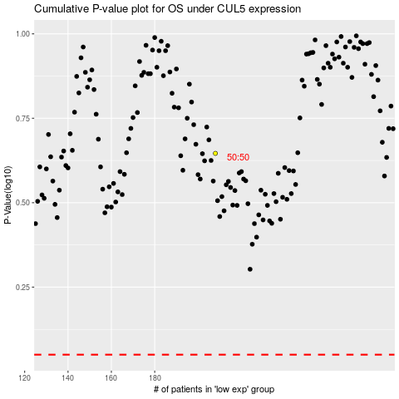

 |  |  |  |  |  | cases_OS | p_OS | rank | exp
 |  |  |  |  |  |  | cases_RFS | p_RFS | rank | exp

