CUTA _multivariate
Reported by Tex Li-Hsing Chi. tex@gate.sinica.edu.tw 2019-08-20

Table 2. The clinicopathological features of HNSCC cohort and CUTA expression. (Chi square test)
Cutoff at -0.295 (50.0%)
 |  | CUTA expression |  | CUTA expression |  | (Optimised)
 | Features | Low | (%) | High | (%) | Case no | P-value | Remark | Matthews
Gender | Female | 151 | 36.4 | 155 | 37.3 | 415 | 0.8007 | 0 | 0
2 | Male | 56 | 13.5 | 53 | 12.8
Age at diagnosis | <=65y | 136 | 32.8 | 138 | 33.3 | 415 | 0.9719 | 0 | 0
4 | >65y | 71 | 17.1 | 70 | 16.9
Clinical T Status | T1+T2 | 79 | 19 | 70 | 16.9 | 415 | 0.3924 | 0 | 0
6 | T3+T4 | 128 | 30.8 | 138 | 33.3
Clinical N Status | N0 | 115 | 27.7 | 101 | 24.3 | 415 | 0.184 | 1 | 0
8 | N1-3 | 92 | 22.2 | 107 | 25.8
Clinical M Status | M0 | 206 | 49.6 | 206 | 49.6 | 415 | 1 | 0 | 0
10 | M1 | 1 | 0.2 | 2 | 0.5
Clinical Stage | Stage I+II | 56 | 13.5 | 46 | 11.1 | 415 | 0.2918 | 0 | 0
12 | Stage III+IV | 151 | 36.4 | 162 | 39
Surgical Margin status | Negative | 165 | 39.8 | 153 | 36.9 | 415 | 0.1639 | 0 | 0
14 | Positive | 42 | 10.1 | 55 | 13.3
Tobacco Exposure | Low | 83 | 20 | 78 | 18.8 | 415 | 0.6152 | 0 | 0
16 | High | 124 | 29.9 | 130 | 31.3

Table 3. Univariate/Multivariate Cox's proportional hazards regression analyses on OS time of CUTA gene expression in HNSCC

 |  | Univariate |  |  |  | Multivariate
 | Features | HR | CI95%(L) | CI95%(H) | P-value | HR | CI95%(L) | CI95%(H) | P-value
1 | Female | 1 |  |  |  | 1
Gender | Male | 1.157 | 0.843 | 1.587 | 0.367 | 1.208 | 0.865 | 1.687 | 0.268
11 | <=65y | 1 |  |  |  | 1
Age at diagnosis | >65y | 1.329 | 0.99 | 1.784 | 0.058 | 1.381 | 1.016 | 1.879 | 0.04
12 | T1+T2 | 1 |  |  |  | 1
Clinical T Status | T3+T4 | 1.409 | 1.028 | 1.931 | 0.033 | 2.216 | 1.172 | 4.193 | 0.014
13 | N0 | 1 |  |  |  | 1
Clinical N Status | N1-3 | 1.185 | 0.89 | 1.577 | 0.246 | 1.249 | 0.875 | 1.782 | 0.221
14 | M0 | 1 |  |  |  | 1
Clinical M Status | M1 | 4.097 | 1.009 | 16.644 | 0.049 | 9.797 | 2.13 | 45.054 | 0.003
15 | Stage I+II | 1 |  |  |  | 1
Clinical Stage | Stage III+IV | 1.245 | 0.882 | 1.759 | 0.213 | 0.5 | 0.233 | 1.075 | 0.076
16 | Negative | 1 |  |  |  | 1
Surgical Margin status | Positive | 1.591 | 1.155 | 2.191 | 0.004 | 1.695 | 1.224 | 2.347 | 0.001
17 | Low | 1 |  |  |  | 1
Tobacco Exposure | High | 1.364 | 1.008 | 1.844 | 0.044 | 1.463 | 1.062 | 2.016 | 0.02
18 | Low | 1 |  |  |  | 1
RNAseq(z-score) | High | 0.968 | 0.724 | 1.293 | 0.826 | 0.888 | 0.661 | 1.192 | 0.428

Table 4. Univariate/Multivariate Cox's proportional hazards regression analyses on RFS time of CUTA gene expression in HNSCC

 |  | Univariate |  |  |  | Multivariate
 | Features | HR | CI95%(L) | CI95%(H) | P-value | HR | CI95%(L) | CI95%(H) | P-value
1 | Female | 1 |  |  |  | 1
Gender | Male | 1.157 | 0.843 | 1.587 | 0.367 | 1.208 | 0.865 | 1.687 | 0.268
11 | <=65y | 1 |  |  |  | 1
Age at diagnosis | >65y | 1.329 | 0.99 | 1.784 | 0.058 | 1.381 | 1.016 | 1.879 | 0.04
12 | T1+T2 | 1 |  |  |  | 1
Clinical T Status | T3+T4 | 1.409 | 1.028 | 1.931 | 0.033 | 2.216 | 1.172 | 4.193 | 0.014
13 | N0 | 1 |  |  |  | 1
Clinical N Status | N1-3 | 1.185 | 0.89 | 1.577 | 0.246 | 1.249 | 0.875 | 1.782 | 0.221
14 | M0 | 1 |  |  |  | 1
Clinical M Status | M1 | 4.097 | 1.009 | 16.644 | 0.049 | 9.797 | 2.13 | 45.054 | 0.003
15 | Stage I+II | 1 |  |  |  | 1
Clinical Stage | Stage III+IV | 1.245 | 0.882 | 1.759 | 0.213 | 0.5 | 0.233 | 1.075 | 0.076
16 | Negative | 1 |  |  |  | 1
Surgical Margin status | Positive | 1.591 | 1.155 | 2.191 | 0.004 | 1.695 | 1.224 | 2.347 | 0.001
17 | Low | 1 |  |  |  | 1
Tobacco Exposure | High | 1.364 | 1.008 | 1.844 | 0.044 | 1.463 | 1.062 | 2.016 | 0.02
18 | Low | 1 |  |  |  | 1
RNAseq(z-score) | High | 0.968 | 0.724 | 1.293 | 0.826 | 0.888 | 0.661 | 1.192 | 0.428

Kaplan-Meier survival estimate: Cutoff at -0.295 (50.0%)



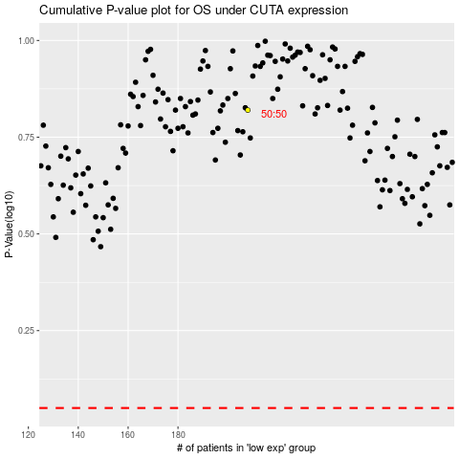

 |  |  |  |  |  | cases_OS | p_OS | rank | exp
 |  |  |  |  |  |  | cases_RFS | p_RFS | rank | exp

