CUTC _multivariate
Reported by Tex Li-Hsing Chi. tex@gate.sinica.edu.tw 2019-08-20

Table 2. The clinicopathological features of HNSCC cohort and CUTC expression. (Chi square test)
Cutoff at -0.226 (50.0%)
 |  | CUTC expression |  | CUTC expression |  | (Optimised)
 | Features | Low | (%) | High | (%) | Case no | P-value | Remark | Matthews
Gender | Female | 148 | 35.7 | 158 | 38.1 | 415 | 0.3567 | 0 | 0
2 | Male | 59 | 14.2 | 50 | 12
Age at diagnosis | <=65y | 133 | 32 | 141 | 34 | 415 | 0.5111 | 0 | 0
4 | >65y | 74 | 17.8 | 67 | 16.1
Clinical T Status | T1+T2 | 64 | 15.4 | 85 | 20.5 | 415 | 0.0445 | 1 | 0
6 | T3+T4 | 143 | 34.5 | 123 | 29.6
Clinical N Status | N0 | 116 | 28 | 100 | 24.1 | 415 | 0.1273 | 1 | 0
8 | N1-3 | 91 | 21.9 | 108 | 26
Clinical M Status | M0 | 207 | 49.9 | 205 | 49.4 | 415 | 0.2482 | 0 | 0
10 | M1 | 0 | 0 | 3 | 0.7
Clinical Stage | Stage I+II | 46 | 11.1 | 56 | 13.5 | 415 | 0.3182 | 0 | 0
12 | Stage III+IV | 161 | 38.8 | 152 | 36.6
Surgical Margin status | Negative | 167 | 40.2 | 151 | 36.4 | 415 | 0.0632 | 0 | 0
14 | Positive | 40 | 9.6 | 57 | 13.7
Tobacco Exposure | Low | 75 | 18.1 | 86 | 20.7 | 415 | 0.3141 | 0 | 0
16 | High | 132 | 31.8 | 122 | 29.4

Table 3. Univariate/Multivariate Cox's proportional hazards regression analyses on OS time of CUTC gene expression in HNSCC

 |  | Univariate |  |  |  | Multivariate
 | Features | HR | CI95%(L) | CI95%(H) | P-value | HR | CI95%(L) | CI95%(H) | P-value
1 | Female | 1 |  |  |  | 1
Gender | Male | 1.157 | 0.843 | 1.587 | 0.367 | 1.207 | 0.863 | 1.686 | 0.272
11 | <=65y | 1 |  |  |  | 1
Age at diagnosis | >65y | 1.329 | 0.99 | 1.784 | 0.058 | 1.4 | 1.029 | 1.905 | 0.032
12 | T1+T2 | 1 |  |  |  | 1
Clinical T Status | T3+T4 | 1.409 | 1.028 | 1.931 | 0.033 | 2.2 | 1.164 | 4.16 | 0.015
13 | N0 | 1 |  |  |  | 1
Clinical N Status | N1-3 | 1.185 | 0.89 | 1.577 | 0.246 | 1.22 | 0.849 | 1.752 | 0.283
14 | M0 | 1 |  |  |  | 1
Clinical M Status | M1 | 4.097 | 1.009 | 16.644 | 0.049 | 9.121 | 1.98 | 42.02 | 0.005
15 | Stage I+II | 1 |  |  |  | 1
Clinical Stage | Stage III+IV | 1.245 | 0.882 | 1.759 | 0.213 | 0.511 | 0.238 | 1.098 | 0.085
16 | Negative | 1 |  |  |  | 1
Surgical Margin status | Positive | 1.591 | 1.155 | 2.191 | 0.004 | 1.649 | 1.188 | 2.289 | 0.003
17 | Low | 1 |  |  |  | 1
Tobacco Exposure | High | 1.364 | 1.008 | 1.844 | 0.044 | 1.459 | 1.058 | 2.011 | 0.021
18 | Low | 1 |  |  |  | 1
RNAseq(z-score) | High | 1.135 | 0.852 | 1.512 | 0.387 | 1.077 | 0.797 | 1.456 | 0.63

Table 4. Univariate/Multivariate Cox's proportional hazards regression analyses on RFS time of CUTC gene expression in HNSCC

 |  | Univariate |  |  |  | Multivariate
 | Features | HR | CI95%(L) | CI95%(H) | P-value | HR | CI95%(L) | CI95%(H) | P-value
1 | Female | 1 |  |  |  | 1
Gender | Male | 1.157 | 0.843 | 1.587 | 0.367 | 1.207 | 0.863 | 1.686 | 0.272
11 | <=65y | 1 |  |  |  | 1
Age at diagnosis | >65y | 1.329 | 0.99 | 1.784 | 0.058 | 1.4 | 1.029 | 1.905 | 0.032
12 | T1+T2 | 1 |  |  |  | 1
Clinical T Status | T3+T4 | 1.409 | 1.028 | 1.931 | 0.033 | 2.2 | 1.164 | 4.16 | 0.015
13 | N0 | 1 |  |  |  | 1
Clinical N Status | N1-3 | 1.185 | 0.89 | 1.577 | 0.246 | 1.22 | 0.849 | 1.752 | 0.283
14 | M0 | 1 |  |  |  | 1
Clinical M Status | M1 | 4.097 | 1.009 | 16.644 | 0.049 | 9.121 | 1.98 | 42.02 | 0.005
15 | Stage I+II | 1 |  |  |  | 1
Clinical Stage | Stage III+IV | 1.245 | 0.882 | 1.759 | 0.213 | 0.511 | 0.238 | 1.098 | 0.085
16 | Negative | 1 |  |  |  | 1
Surgical Margin status | Positive | 1.591 | 1.155 | 2.191 | 0.004 | 1.649 | 1.188 | 2.289 | 0.003
17 | Low | 1 |  |  |  | 1
Tobacco Exposure | High | 1.364 | 1.008 | 1.844 | 0.044 | 1.459 | 1.058 | 2.011 | 0.021
18 | Low | 1 |  |  |  | 1
RNAseq(z-score) | High | 1.135 | 0.852 | 1.512 | 0.387 | 1.077 | 0.797 | 1.456 | 0.63

Kaplan-Meier survival estimate: Cutoff at -0.226 (50.0%)



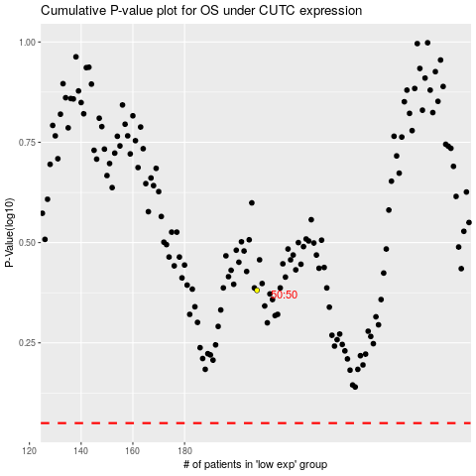

 |  |  |  |  |  | cases_OS | p_OS | rank | exp
 |  |  |  |  |  |  | cases_RFS | p_RFS | rank | exp

