CUX1 _multivariate
Reported by Tex Li-Hsing Chi. tex@gate.sinica.edu.tw 2019-08-20

Table 2. The clinicopathological features of HNSCC cohort and CUX1 expression. (Chi square test)
Cutoff at -0.024 (52.7%)
 |  | CUX1 expression |  | CUX1 expression |  | (Optimised)
 | Features | Low | (%) | High | (%) | Case no | P-value | Remark | Matthews
Gender | Female | 161 | 38.8 | 145 | 34.9 | 415 | 1 | 0 | 0
2 | Male | 57 | 13.7 | 52 | 12.5
Age at diagnosis | <=65y | 148 | 35.7 | 126 | 30.4 | 415 | 0.459 | 0 | 0
4 | >65y | 70 | 16.9 | 71 | 17.1
Clinical T Status | T1+T2 | 91 | 21.9 | 58 | 14 | 415 | 0.0122 | 1 | 0
6 | T3+T4 | 127 | 30.6 | 139 | 33.5
Clinical N Status | N0 | 106 | 25.5 | 110 | 26.5 | 415 | 0.1705 | 0 | 0
8 | N1-3 | 112 | 27 | 87 | 21
Clinical M Status | M0 | 216 | 52 | 196 | 47.2 | 415 | 1 | 0 | 0
10 | M1 | 2 | 0.5 | 1 | 0.2
Clinical Stage | Stage I+II | 58 | 14 | 44 | 10.6 | 415 | 0.3709 | 0 | 0
12 | Stage III+IV | 160 | 38.6 | 153 | 36.9
Surgical Margin status | Negative | 154 | 37.1 | 164 | 39.5 | 415 | 0.0025 | 1 | 0
14 | Positive | 64 | 15.4 | 33 | 8
Tobacco Exposure | Low | 76 | 18.3 | 85 | 20.5 | 415 | 0.0874 | 0 | 0
16 | High | 142 | 34.2 | 112 | 27

Table 3. Univariate/Multivariate Cox's proportional hazards regression analyses on OS time of CUX1 gene expression in HNSCC

 |  | Univariate |  |  |  | Multivariate
 | Features | HR | CI95%(L) | CI95%(H) | P-value | HR | CI95%(L) | CI95%(H) | P-value
1 | Female | 1 |  |  |  | 1
Gender | Male | 1.157 | 0.843 | 1.587 | 0.367 | 1.183 | 0.847 | 1.653 | 0.324
11 | <=65y | 1 |  |  |  | 1
Age at diagnosis | >65y | 1.329 | 0.99 | 1.784 | 0.058 | 1.395 | 1.027 | 1.896 | 0.033
12 | T1+T2 | 1 |  |  |  | 1
Clinical T Status | T3+T4 | 1.409 | 1.028 | 1.931 | 0.033 | 2.281 | 1.204 | 4.322 | 0.011
13 | N0 | 1 |  |  |  | 1
Clinical N Status | N1-3 | 1.185 | 0.89 | 1.577 | 0.246 | 1.22 | 0.854 | 1.741 | 0.274
14 | M0 | 1 |  |  |  | 1
Clinical M Status | M1 | 4.097 | 1.009 | 16.644 | 0.049 | 9.399 | 2.051 | 43.075 | 0.004
15 | Stage I+II | 1 |  |  |  | 1
Clinical Stage | Stage III+IV | 1.245 | 0.882 | 1.759 | 0.213 | 0.501 | 0.233 | 1.075 | 0.076
16 | Negative | 1 |  |  |  | 1
Surgical Margin status | Positive | 1.591 | 1.155 | 2.191 | 0.004 | 1.594 | 1.149 | 2.214 | 0.005
17 | Low | 1 |  |  |  | 1
Tobacco Exposure | High | 1.364 | 1.008 | 1.844 | 0.044 | 1.399 | 1.013 | 1.932 | 0.042
18 | Low | 1 |  |  |  | 1
RNAseq(z-score) | High | 0.738 | 0.552 | 0.986 | 0.04 | 0.781 | 0.579 | 1.054 | 0.106

Table 4. Univariate/Multivariate Cox's proportional hazards regression analyses on RFS time of CUX1 gene expression in HNSCC

 |  | Univariate |  |  |  | Multivariate
 | Features | HR | CI95%(L) | CI95%(H) | P-value | HR | CI95%(L) | CI95%(H) | P-value
1 | Female | 1 |  |  |  | 1
Gender | Male | 1.157 | 0.843 | 1.587 | 0.367 | 1.183 | 0.847 | 1.653 | 0.324
11 | <=65y | 1 |  |  |  | 1
Age at diagnosis | >65y | 1.329 | 0.99 | 1.784 | 0.058 | 1.395 | 1.027 | 1.896 | 0.033
12 | T1+T2 | 1 |  |  |  | 1
Clinical T Status | T3+T4 | 1.409 | 1.028 | 1.931 | 0.033 | 2.281 | 1.204 | 4.322 | 0.011
13 | N0 | 1 |  |  |  | 1
Clinical N Status | N1-3 | 1.185 | 0.89 | 1.577 | 0.246 | 1.22 | 0.854 | 1.741 | 0.274
14 | M0 | 1 |  |  |  | 1
Clinical M Status | M1 | 4.097 | 1.009 | 16.644 | 0.049 | 9.399 | 2.051 | 43.075 | 0.004
15 | Stage I+II | 1 |  |  |  | 1
Clinical Stage | Stage III+IV | 1.245 | 0.882 | 1.759 | 0.213 | 0.501 | 0.233 | 1.075 | 0.076
16 | Negative | 1 |  |  |  | 1
Surgical Margin status | Positive | 1.591 | 1.155 | 2.191 | 0.004 | 1.594 | 1.149 | 2.214 | 0.005
17 | Low | 1 |  |  |  | 1
Tobacco Exposure | High | 1.364 | 1.008 | 1.844 | 0.044 | 1.399 | 1.013 | 1.932 | 0.042
18 | Low | 1 |  |  |  | 1
RNAseq(z-score) | High | 0.738 | 0.552 | 0.986 | 0.04 | 0.781 | 0.579 | 1.054 | 0.106

Kaplan-Meier survival estimate: Cutoff at -0.024 (52.7%)



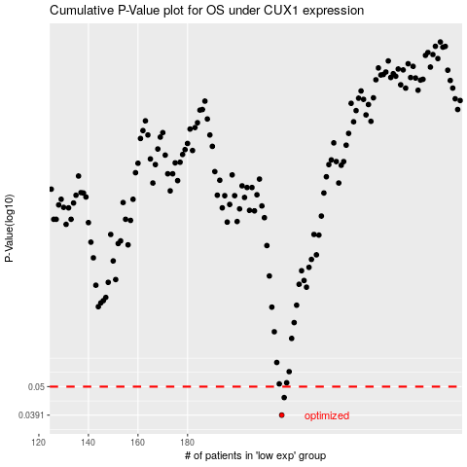

 |  |  |  |  |  | cases_OS | p_OS | rank | exp
 |  |  |  |  |  | 218 | 0.0391 | 171 | -0.023676322841
 |  |  |  |  |  | 219 | 0.0455 | 294 | -0.023380310304
 |  |  |  |  |  |  | cases_RFS | p_RFS | rank | exp
 |  |  |  |  |  |  | 217 | 0.0391 | 302 | -0.033194128542
 |  |  |  |  |  |  | 218 | 0.0455 | 171 | -0.023676322841

