CWC27 _multivariate
Reported by Tex Li-Hsing Chi. tex@gate.sinica.edu.tw 2019-08-20

Table 2. The clinicopathological features of HNSCC cohort and CWC27 expression. (Chi square test)
Cutoff at -0.168 (50.0%)
 |  | CWC27 expression |  | CWC27 expression |  | (Optimised)
 | Features | Low | (%) | High | (%) | Case no | P-value | Remark | Matthews
Gender | Female | 145 | 34.9 | 161 | 38.8 | 415 | 0.1116 | 0 | 0
2 | Male | 62 | 14.9 | 47 | 11.3
Age at diagnosis | <=65y | 131 | 31.6 | 143 | 34.5 | 415 | 0.2839 | 0 | 0
4 | >65y | 76 | 18.3 | 65 | 15.7
Clinical T Status | T1+T2 | 70 | 16.9 | 79 | 19 | 415 | 0.4343 | 0 | 0
6 | T3+T4 | 137 | 33 | 129 | 31.1
Clinical N Status | N0 | 116 | 28 | 100 | 24.1 | 415 | 0.1273 | 1 | 0
8 | N1-3 | 91 | 21.9 | 108 | 26
Clinical M Status | M0 | 206 | 49.6 | 206 | 49.6 | 415 | 1 | 0 | 0
10 | M1 | 1 | 0.2 | 2 | 0.5
Clinical Stage | Stage I+II | 59 | 14.2 | 43 | 10.4 | 415 | 0.0822 | 0 | 0
12 | Stage III+IV | 148 | 35.7 | 165 | 39.8
Surgical Margin status | Negative | 163 | 39.3 | 155 | 37.3 | 415 | 0.3537 | 0 | 0
14 | Positive | 44 | 10.6 | 53 | 12.8
Tobacco Exposure | Low | 82 | 19.8 | 79 | 19 | 415 | 0.763 | 0 | 0
16 | High | 125 | 30.1 | 129 | 31.1

Table 3. Univariate/Multivariate Cox's proportional hazards regression analyses on OS time of CWC27 gene expression in HNSCC

 |  | Univariate |  |  |  | Multivariate
 | Features | HR | CI95%(L) | CI95%(H) | P-value | HR | CI95%(L) | CI95%(H) | P-value
1 | Female | 1 |  |  |  | 1
Gender | Male | 1.157 | 0.843 | 1.587 | 0.367 | 1.212 | 0.866 | 1.697 | 0.262
11 | <=65y | 1 |  |  |  | 1
Age at diagnosis | >65y | 1.329 | 0.99 | 1.784 | 0.058 | 1.39 | 1.023 | 1.89 | 0.035
12 | T1+T2 | 1 |  |  |  | 1
Clinical T Status | T3+T4 | 1.409 | 1.028 | 1.931 | 0.033 | 2.242 | 1.18 | 4.259 | 0.014
13 | N0 | 1 |  |  |  | 1
Clinical N Status | N1-3 | 1.185 | 0.89 | 1.577 | 0.246 | 1.239 | 0.868 | 1.768 | 0.237
14 | M0 | 1 |  |  |  | 1
Clinical M Status | M1 | 4.097 | 1.009 | 16.644 | 0.049 | 9.545 | 2.079 | 43.815 | 0.004
15 | Stage I+II | 1 |  |  |  | 1
Clinical Stage | Stage III+IV | 1.245 | 0.882 | 1.759 | 0.213 | 0.493 | 0.228 | 1.065 | 0.072
16 | Negative | 1 |  |  |  | 1
Surgical Margin status | Positive | 1.591 | 1.155 | 2.191 | 0.004 | 1.664 | 1.203 | 2.301 | 0.002
17 | Low | 1 |  |  |  | 1
Tobacco Exposure | High | 1.364 | 1.008 | 1.844 | 0.044 | 1.454 | 1.055 | 2.003 | 0.022
18 | Low | 1 |  |  |  | 1
RNAseq(z-score) | High | 1.02 | 0.765 | 1.358 | 0.895 | 1.067 | 0.794 | 1.434 | 0.667

Table 4. Univariate/Multivariate Cox's proportional hazards regression analyses on RFS time of CWC27 gene expression in HNSCC

 |  | Univariate |  |  |  | Multivariate
 | Features | HR | CI95%(L) | CI95%(H) | P-value | HR | CI95%(L) | CI95%(H) | P-value
1 | Female | 1 |  |  |  | 1
Gender | Male | 1.157 | 0.843 | 1.587 | 0.367 | 1.212 | 0.866 | 1.697 | 0.262
11 | <=65y | 1 |  |  |  | 1
Age at diagnosis | >65y | 1.329 | 0.99 | 1.784 | 0.058 | 1.39 | 1.023 | 1.89 | 0.035
12 | T1+T2 | 1 |  |  |  | 1
Clinical T Status | T3+T4 | 1.409 | 1.028 | 1.931 | 0.033 | 2.242 | 1.18 | 4.259 | 0.014
13 | N0 | 1 |  |  |  | 1
Clinical N Status | N1-3 | 1.185 | 0.89 | 1.577 | 0.246 | 1.239 | 0.868 | 1.768 | 0.237
14 | M0 | 1 |  |  |  | 1
Clinical M Status | M1 | 4.097 | 1.009 | 16.644 | 0.049 | 9.545 | 2.079 | 43.815 | 0.004
15 | Stage I+II | 1 |  |  |  | 1
Clinical Stage | Stage III+IV | 1.245 | 0.882 | 1.759 | 0.213 | 0.493 | 0.228 | 1.065 | 0.072
16 | Negative | 1 |  |  |  | 1
Surgical Margin status | Positive | 1.591 | 1.155 | 2.191 | 0.004 | 1.664 | 1.203 | 2.301 | 0.002
17 | Low | 1 |  |  |  | 1
Tobacco Exposure | High | 1.364 | 1.008 | 1.844 | 0.044 | 1.454 | 1.055 | 2.003 | 0.022
18 | Low | 1 |  |  |  | 1
RNAseq(z-score) | High | 1.02 | 0.765 | 1.358 | 0.895 | 1.067 | 0.794 | 1.434 | 0.667

Kaplan-Meier survival estimate: Cutoff at -0.168 (50.0%)



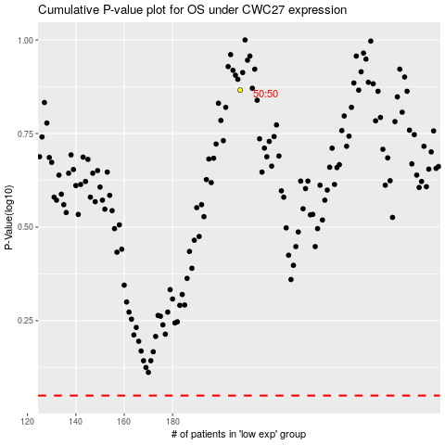

 |  |  |  |  |  | cases_OS | p_OS | rank | exp
 |  |  |  |  |  |  | cases_RFS | p_RFS | rank | exp

