CWF19L1 _multivariate
Reported by Tex Li-Hsing Chi. tex@gate.sinica.edu.tw 2019-08-20

Table 2. The clinicopathological features of HNSCC cohort and CWF19L1 expression. (Chi square test)
Cutoff at -0.148 (50.0%)
 |  | CWF19L1 expression |  | CWF19L1 expression |  | (Optimised)
 | Features | Low | (%) | High | (%) | Case no | P-value | Remark | Matthews
Gender | Female | 138 | 33.3 | 168 | 40.5 | 415 | 0.0016 | 1 | 0
2 | Male | 69 | 16.6 | 40 | 9.6
Age at diagnosis | <=65y | 139 | 33.5 | 135 | 32.5 | 415 | 0.7044 | 0 | 0
4 | >65y | 68 | 16.4 | 73 | 17.6
Clinical T Status | T1+T2 | 69 | 16.6 | 80 | 19.3 | 415 | 0.3239 | 0 | 0
6 | T3+T4 | 138 | 33.3 | 128 | 30.8
Clinical N Status | N0 | 116 | 28 | 100 | 24.1 | 415 | 0.1273 | 1 | 0
8 | N1-3 | 91 | 21.9 | 108 | 26
Clinical M Status | M0 | 207 | 49.9 | 205 | 49.4 | 415 | 0.2482 | 0 | 0
10 | M1 | 0 | 0 | 3 | 0.7
Clinical Stage | Stage I+II | 50 | 12 | 52 | 12.5 | 415 | 0.9315 | 0 | 0
12 | Stage III+IV | 157 | 37.8 | 156 | 37.6
Surgical Margin status | Negative | 163 | 39.3 | 155 | 37.3 | 415 | 0.3537 | 0 | 0
14 | Positive | 44 | 10.6 | 53 | 12.8
Tobacco Exposure | Low | 88 | 21.2 | 73 | 17.6 | 415 | 0.1314 | 0 | 0
16 | High | 119 | 28.7 | 135 | 32.5

Table 3. Univariate/Multivariate Cox's proportional hazards regression analyses on OS time of CWF19L1 gene expression in HNSCC

 |  | Univariate |  |  |  | Multivariate
 | Features | HR | CI95%(L) | CI95%(H) | P-value | HR | CI95%(L) | CI95%(H) | P-value
1 | Female | 1 |  |  |  | 1
Gender | Male | 1.157 | 0.843 | 1.587 | 0.367 | 1.201 | 0.857 | 1.683 | 0.286
11 | <=65y | 1 |  |  |  | 1
Age at diagnosis | >65y | 1.329 | 0.99 | 1.784 | 0.058 | 1.392 | 1.022 | 1.897 | 0.036
12 | T1+T2 | 1 |  |  |  | 1
Clinical T Status | T3+T4 | 1.409 | 1.028 | 1.931 | 0.033 | 2.202 | 1.165 | 4.164 | 0.015
13 | N0 | 1 |  |  |  | 1
Clinical N Status | N1-3 | 1.185 | 0.89 | 1.577 | 0.246 | 1.241 | 0.866 | 1.778 | 0.239
14 | M0 | 1 |  |  |  | 1
Clinical M Status | M1 | 4.097 | 1.009 | 16.644 | 0.049 | 9.415 | 2.043 | 43.376 | 0.004
15 | Stage I+II | 1 |  |  |  | 1
Clinical Stage | Stage III+IV | 1.245 | 0.882 | 1.759 | 0.213 | 0.504 | 0.235 | 1.084 | 0.079
16 | Negative | 1 |  |  |  | 1
Surgical Margin status | Positive | 1.591 | 1.155 | 2.191 | 0.004 | 1.672 | 1.209 | 2.311 | 0.002
17 | Low | 1 |  |  |  | 1
Tobacco Exposure | High | 1.364 | 1.008 | 1.844 | 0.044 | 1.453 | 1.054 | 2.004 | 0.023
18 | Low | 1 |  |  |  | 1
RNAseq(z-score) | High | 1.083 | 0.812 | 1.445 | 0.588 | 0.998 | 0.74 | 1.346 | 0.989

Table 4. Univariate/Multivariate Cox's proportional hazards regression analyses on RFS time of CWF19L1 gene expression in HNSCC

 |  | Univariate |  |  |  | Multivariate
 | Features | HR | CI95%(L) | CI95%(H) | P-value | HR | CI95%(L) | CI95%(H) | P-value
1 | Female | 1 |  |  |  | 1
Gender | Male | 1.157 | 0.843 | 1.587 | 0.367 | 1.201 | 0.857 | 1.683 | 0.286
11 | <=65y | 1 |  |  |  | 1
Age at diagnosis | >65y | 1.329 | 0.99 | 1.784 | 0.058 | 1.392 | 1.022 | 1.897 | 0.036
12 | T1+T2 | 1 |  |  |  | 1
Clinical T Status | T3+T4 | 1.409 | 1.028 | 1.931 | 0.033 | 2.202 | 1.165 | 4.164 | 0.015
13 | N0 | 1 |  |  |  | 1
Clinical N Status | N1-3 | 1.185 | 0.89 | 1.577 | 0.246 | 1.241 | 0.866 | 1.778 | 0.239
14 | M0 | 1 |  |  |  | 1
Clinical M Status | M1 | 4.097 | 1.009 | 16.644 | 0.049 | 9.415 | 2.043 | 43.376 | 0.004
15 | Stage I+II | 1 |  |  |  | 1
Clinical Stage | Stage III+IV | 1.245 | 0.882 | 1.759 | 0.213 | 0.504 | 0.235 | 1.084 | 0.079
16 | Negative | 1 |  |  |  | 1
Surgical Margin status | Positive | 1.591 | 1.155 | 2.191 | 0.004 | 1.672 | 1.209 | 2.311 | 0.002
17 | Low | 1 |  |  |  | 1
Tobacco Exposure | High | 1.364 | 1.008 | 1.844 | 0.044 | 1.453 | 1.054 | 2.004 | 0.023
18 | Low | 1 |  |  |  | 1
RNAseq(z-score) | High | 1.083 | 0.812 | 1.445 | 0.588 | 0.998 | 0.74 | 1.346 | 0.989

Kaplan-Meier survival estimate: Cutoff at -0.148 (50.0%)



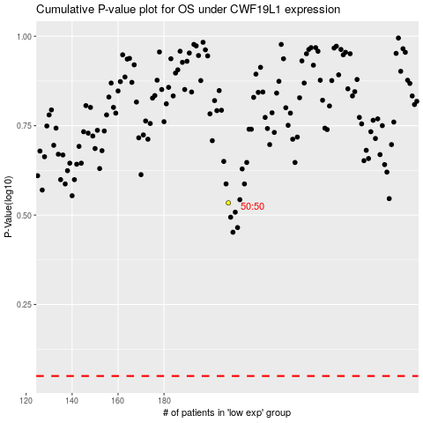

 |  |  |  |  |  | cases_OS | p_OS | rank | exp
 |  |  |  |  |  |  | cases_RFS | p_RFS | rank | exp

