CWH43 _multivariate
Reported by Tex Li-Hsing Chi. tex@gate.sinica.edu.tw 2019-08-20

Table 2. The clinicopathological features of HNSCC cohort and CWH43 expression. (Chi square test)
Cutoff at -0.467 (50.0%)
 |  | CWH43 expression |  | CWH43 expression |  | (Optimised)
 | Features | Low | (%) | High | (%) | Case no | P-value | Remark | Matthews
Gender | Female | 157 | 37.8 | 149 | 35.9 | 415 | 0.3881 | 0 | 0
2 | Male | 50 | 12 | 59 | 14.2
Age at diagnosis | <=65y | 131 | 31.6 | 143 | 34.5 | 415 | 0.2839 | 0 | 0
4 | >65y | 76 | 18.3 | 65 | 15.7
Clinical T Status | T1+T2 | 81 | 19.5 | 68 | 16.4 | 415 | 0.206 | 0 | 0
6 | T3+T4 | 126 | 30.4 | 140 | 33.7
Clinical N Status | N0 | 99 | 23.9 | 117 | 28.2 | 415 | 0.1054 | 0 | 0
8 | N1-3 | 108 | 26 | 91 | 21.9
Clinical M Status | M0 | 205 | 49.4 | 207 | 49.9 | 415 | 0.6232 | 0 | 0
10 | M1 | 2 | 0.5 | 1 | 0.2
Clinical Stage | Stage I+II | 49 | 11.8 | 53 | 12.8 | 415 | 0.7535 | 0 | 0
12 | Stage III+IV | 158 | 38.1 | 155 | 37.3
Surgical Margin status | Negative | 157 | 37.8 | 161 | 38.8 | 415 | 0.729 | 0 | 0
14 | Positive | 50 | 12 | 47 | 11.3
Tobacco Exposure | Low | 77 | 18.6 | 84 | 20.2 | 415 | 0.5459 | 0 | 0
16 | High | 130 | 31.3 | 124 | 29.9

Table 3. Univariate/Multivariate Cox's proportional hazards regression analyses on OS time of CWH43 gene expression in HNSCC

 |  | Univariate |  |  |  | Multivariate
 | Features | HR | CI95%(L) | CI95%(H) | P-value | HR | CI95%(L) | CI95%(H) | P-value
1 | Female | 1 |  |  |  | 1
Gender | Male | 1.157 | 0.843 | 1.587 | 0.367 | 1.209 | 0.865 | 1.692 | 0.267
11 | <=65y | 1 |  |  |  | 1
Age at diagnosis | >65y | 1.329 | 0.99 | 1.784 | 0.058 | 1.381 | 1.014 | 1.881 | 0.04
12 | T1+T2 | 1 |  |  |  | 1
Clinical T Status | T3+T4 | 1.409 | 1.028 | 1.931 | 0.033 | 2.225 | 1.175 | 4.21 | 0.014
13 | N0 | 1 |  |  |  | 1
Clinical N Status | N1-3 | 1.185 | 0.89 | 1.577 | 0.246 | 1.232 | 0.863 | 1.76 | 0.251
14 | M0 | 1 |  |  |  | 1
Clinical M Status | M1 | 4.097 | 1.009 | 16.644 | 0.049 | 9.47 | 2.066 | 43.411 | 0.004
15 | Stage I+II | 1 |  |  |  | 1
Clinical Stage | Stage III+IV | 1.245 | 0.882 | 1.759 | 0.213 | 0.499 | 0.232 | 1.073 | 0.075
16 | Negative | 1 |  |  |  | 1
Surgical Margin status | Positive | 1.591 | 1.155 | 2.191 | 0.004 | 1.669 | 1.208 | 2.306 | 0.002
17 | Low | 1 |  |  |  | 1
Tobacco Exposure | High | 1.364 | 1.008 | 1.844 | 0.044 | 1.457 | 1.057 | 2.009 | 0.022
18 | Low | 1 |  |  |  | 1
RNAseq(z-score) | High | 0.928 | 0.696 | 1.237 | 0.611 | 0.926 | 0.692 | 1.239 | 0.604

Table 4. Univariate/Multivariate Cox's proportional hazards regression analyses on RFS time of CWH43 gene expression in HNSCC

 |  | Univariate |  |  |  | Multivariate
 | Features | HR | CI95%(L) | CI95%(H) | P-value | HR | CI95%(L) | CI95%(H) | P-value
1 | Female | 1 |  |  |  | 1
Gender | Male | 1.157 | 0.843 | 1.587 | 0.367 | 1.209 | 0.865 | 1.692 | 0.267
11 | <=65y | 1 |  |  |  | 1
Age at diagnosis | >65y | 1.329 | 0.99 | 1.784 | 0.058 | 1.381 | 1.014 | 1.881 | 0.04
12 | T1+T2 | 1 |  |  |  | 1
Clinical T Status | T3+T4 | 1.409 | 1.028 | 1.931 | 0.033 | 2.225 | 1.175 | 4.21 | 0.014
13 | N0 | 1 |  |  |  | 1
Clinical N Status | N1-3 | 1.185 | 0.89 | 1.577 | 0.246 | 1.232 | 0.863 | 1.76 | 0.251
14 | M0 | 1 |  |  |  | 1
Clinical M Status | M1 | 4.097 | 1.009 | 16.644 | 0.049 | 9.47 | 2.066 | 43.411 | 0.004
15 | Stage I+II | 1 |  |  |  | 1
Clinical Stage | Stage III+IV | 1.245 | 0.882 | 1.759 | 0.213 | 0.499 | 0.232 | 1.073 | 0.075
16 | Negative | 1 |  |  |  | 1
Surgical Margin status | Positive | 1.591 | 1.155 | 2.191 | 0.004 | 1.669 | 1.208 | 2.306 | 0.002
17 | Low | 1 |  |  |  | 1
Tobacco Exposure | High | 1.364 | 1.008 | 1.844 | 0.044 | 1.457 | 1.057 | 2.009 | 0.022
18 | Low | 1 |  |  |  | 1
RNAseq(z-score) | High | 0.928 | 0.696 | 1.237 | 0.611 | 0.926 | 0.692 | 1.239 | 0.604

Kaplan-Meier survival estimate: Cutoff at -0.467 (50.0%)



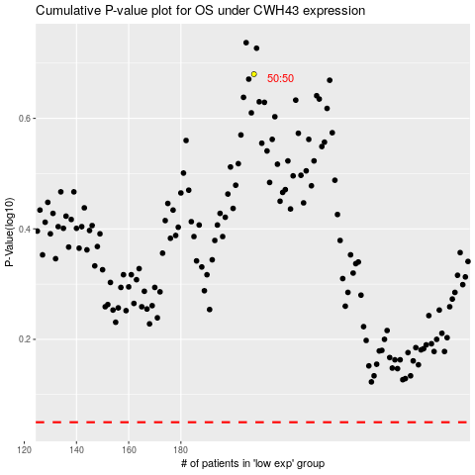

 |  |  |  |  |  | cases_OS | p_OS | rank | exp
 |  |  |  |  |  |  | cases_RFS | p_RFS | rank | exp

