CX3CL1 _multivariate
Reported by Tex Li-Hsing Chi. tex@gate.sinica.edu.tw 2019-08-20

Table 2. The clinicopathological features of HNSCC cohort and CX3CL1 expression. (Chi square test)
Cutoff at -0.388 (49.8%)
 |  | CX3CL1 expression |  | CX3CL1 expression |  | (Optimised)
 | Features | Low | (%) | High | (%) | Case no | P-value | Remark | Matthews
Gender | Female | 145 | 34.9 | 161 | 38.8 | 415 | 0.1116 | 0 | 0
2 | Male | 62 | 14.9 | 47 | 11.3
Age at diagnosis | <=65y | 141 | 34 | 133 | 32 | 415 | 0.4272 | 0 | 0
4 | >65y | 66 | 15.9 | 75 | 18.1
Clinical T Status | T1+T2 | 69 | 16.6 | 80 | 19.3 | 415 | 0.3239 | 0 | 0
6 | T3+T4 | 138 | 33.3 | 128 | 30.8
Clinical N Status | N0 | 113 | 27.2 | 103 | 24.8 | 415 | 0.3495 | 1 | 0
8 | N1-3 | 94 | 22.7 | 105 | 25.3
Clinical M Status | M0 | 206 | 49.6 | 206 | 49.6 | 415 | 1 | 0 | 0
10 | M1 | 1 | 0.2 | 2 | 0.5
Clinical Stage | Stage I+II | 52 | 12.5 | 50 | 12 | 415 | 0.8871 | 0 | 0
12 | Stage III+IV | 155 | 37.3 | 158 | 38.1
Surgical Margin status | Negative | 154 | 37.1 | 164 | 39.5 | 415 | 0.2984 | 0 | 0
14 | Positive | 53 | 12.8 | 44 | 10.6
Tobacco Exposure | Low | 88 | 21.2 | 73 | 17.6 | 415 | 0.1314 | 0 | 0
16 | High | 119 | 28.7 | 135 | 32.5

Table 3. Univariate/Multivariate Cox's proportional hazards regression analyses on OS time of CX3CL1 gene expression in HNSCC

 |  | Univariate |  |  |  | Multivariate
 | Features | HR | CI95%(L) | CI95%(H) | P-value | HR | CI95%(L) | CI95%(H) | P-value
1 | Female | 1 |  |  |  | 1
Gender | Male | 1.157 | 0.843 | 1.587 | 0.367 | 1.22 | 0.871 | 1.708 | 0.248
11 | <=65y | 1 |  |  |  | 1
Age at diagnosis | >65y | 1.329 | 0.99 | 1.784 | 0.058 | 1.38 | 1.015 | 1.877 | 0.04
12 | T1+T2 | 1 |  |  |  | 1
Clinical T Status | T3+T4 | 1.409 | 1.028 | 1.931 | 0.033 | 2.247 | 1.185 | 4.261 | 0.013
13 | N0 | 1 |  |  |  | 1
Clinical N Status | N1-3 | 1.185 | 0.89 | 1.577 | 0.246 | 1.233 | 0.863 | 1.76 | 0.25
14 | M0 | 1 |  |  |  | 1
Clinical M Status | M1 | 4.097 | 1.009 | 16.644 | 0.049 | 9.515 | 2.075 | 43.639 | 0.004
15 | Stage I+II | 1 |  |  |  | 1
Clinical Stage | Stage III+IV | 1.245 | 0.882 | 1.759 | 0.213 | 0.495 | 0.23 | 1.065 | 0.072
16 | Negative | 1 |  |  |  | 1
Surgical Margin status | Positive | 1.591 | 1.155 | 2.191 | 0.004 | 1.691 | 1.221 | 2.342 | 0.002
17 | Low | 1 |  |  |  | 1
Tobacco Exposure | High | 1.364 | 1.008 | 1.844 | 0.044 | 1.434 | 1.039 | 1.98 | 0.028
18 | Low | 1 |  |  |  | 1
RNAseq(z-score) | High | 1.078 | 0.807 | 1.441 | 0.609 | 1.106 | 0.82 | 1.492 | 0.508

Table 4. Univariate/Multivariate Cox's proportional hazards regression analyses on RFS time of CX3CL1 gene expression in HNSCC

 |  | Univariate |  |  |  | Multivariate
 | Features | HR | CI95%(L) | CI95%(H) | P-value | HR | CI95%(L) | CI95%(H) | P-value
1 | Female | 1 |  |  |  | 1
Gender | Male | 1.157 | 0.843 | 1.587 | 0.367 | 1.22 | 0.871 | 1.708 | 0.248
11 | <=65y | 1 |  |  |  | 1
Age at diagnosis | >65y | 1.329 | 0.99 | 1.784 | 0.058 | 1.38 | 1.015 | 1.877 | 0.04
12 | T1+T2 | 1 |  |  |  | 1
Clinical T Status | T3+T4 | 1.409 | 1.028 | 1.931 | 0.033 | 2.247 | 1.185 | 4.261 | 0.013
13 | N0 | 1 |  |  |  | 1
Clinical N Status | N1-3 | 1.185 | 0.89 | 1.577 | 0.246 | 1.233 | 0.863 | 1.76 | 0.25
14 | M0 | 1 |  |  |  | 1
Clinical M Status | M1 | 4.097 | 1.009 | 16.644 | 0.049 | 9.515 | 2.075 | 43.639 | 0.004
15 | Stage I+II | 1 |  |  |  | 1
Clinical Stage | Stage III+IV | 1.245 | 0.882 | 1.759 | 0.213 | 0.495 | 0.23 | 1.065 | 0.072
16 | Negative | 1 |  |  |  | 1
Surgical Margin status | Positive | 1.591 | 1.155 | 2.191 | 0.004 | 1.691 | 1.221 | 2.342 | 0.002
17 | Low | 1 |  |  |  | 1
Tobacco Exposure | High | 1.364 | 1.008 | 1.844 | 0.044 | 1.434 | 1.039 | 1.98 | 0.028
18 | Low | 1 |  |  |  | 1
RNAseq(z-score) | High | 1.078 | 0.807 | 1.441 | 0.609 | 1.106 | 0.82 | 1.492 | 0.508

Kaplan-Meier survival estimate: Cutoff at -0.388 (49.8%)



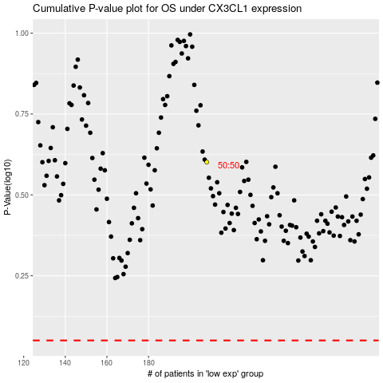

 |  |  |  |  |  | cases_OS | p_OS | rank | exp
 |  |  |  |  |  |  | cases_RFS | p_RFS | rank | exp

