CXADRP3 _multivariate
Reported by Tex Li-Hsing Chi. tex@gate.sinica.edu.tw 2019-08-20

Table 2. The clinicopathological features of HNSCC cohort and CXADRP3 expression. (Chi square test)
Cutoff at -0.238 (49.8%)
 |  | CXADRP3 expression |  | CXADRP3 expression |  | (Optimised)
 | Features | Low | (%) | High | (%) | Case no | P-value | Remark | Matthews
Gender | Female | 159 | 38.3 | 147 | 35.4 | 415 | 0.1905 | 0 | 0
2 | Male | 48 | 11.6 | 61 | 14.7
Age at diagnosis | <=65y | 138 | 33.3 | 136 | 32.8 | 415 | 0.8634 | 0 | 0
4 | >65y | 69 | 16.6 | 72 | 17.3
Clinical T Status | T1+T2 | 80 | 19.3 | 69 | 16.6 | 415 | 0.2891 | 0 | 0
6 | T3+T4 | 127 | 30.6 | 139 | 33.5
Clinical N Status | N0 | 103 | 24.8 | 113 | 27.2 | 415 | 0.4047 | 0 | 0
8 | N1-3 | 104 | 25.1 | 95 | 22.9
Clinical M Status | M0 | 205 | 49.4 | 207 | 49.9 | 415 | 0.6232 | 0 | 0
10 | M1 | 2 | 0.5 | 1 | 0.2
Clinical Stage | Stage I+II | 51 | 12.3 | 51 | 12.3 | 415 | 1 | 0 | 0
12 | Stage III+IV | 156 | 37.6 | 157 | 37.8
Surgical Margin status | Negative | 153 | 36.9 | 165 | 39.8 | 415 | 0.2036 | 0 | 0
14 | Positive | 54 | 13 | 43 | 10.4
Tobacco Exposure | Low | 79 | 19 | 82 | 19.8 | 415 | 0.8405 | 0 | 0
16 | High | 128 | 30.8 | 126 | 30.4

Table 3. Univariate/Multivariate Cox's proportional hazards regression analyses on OS time of CXADRP3 gene expression in HNSCC

 |  | Univariate |  |  |  | Multivariate
 | Features | HR | CI95%(L) | CI95%(H) | P-value | HR | CI95%(L) | CI95%(H) | P-value
1 | Female | 1 |  |  |  | 1
Gender | Male | 1.157 | 0.843 | 1.587 | 0.367 | 1.202 | 0.86 | 1.68 | 0.281
11 | <=65y | 1 |  |  |  | 1
Age at diagnosis | >65y | 1.329 | 0.99 | 1.784 | 0.058 | 1.39 | 1.022 | 1.889 | 0.036
12 | T1+T2 | 1 |  |  |  | 1
Clinical T Status | T3+T4 | 1.409 | 1.028 | 1.931 | 0.033 | 2.211 | 1.168 | 4.184 | 0.015
13 | N0 | 1 |  |  |  | 1
Clinical N Status | N1-3 | 1.185 | 0.89 | 1.577 | 0.246 | 1.241 | 0.87 | 1.77 | 0.234
14 | M0 | 1 |  |  |  | 1
Clinical M Status | M1 | 4.097 | 1.009 | 16.644 | 0.049 | 9.401 | 2.051 | 43.095 | 0.004
15 | Stage I+II | 1 |  |  |  | 1
Clinical Stage | Stage III+IV | 1.245 | 0.882 | 1.759 | 0.213 | 0.503 | 0.234 | 1.081 | 0.078
16 | Negative | 1 |  |  |  | 1
Surgical Margin status | Positive | 1.591 | 1.155 | 2.191 | 0.004 | 1.668 | 1.207 | 2.306 | 0.002
17 | Low | 1 |  |  |  | 1
Tobacco Exposure | High | 1.364 | 1.008 | 1.844 | 0.044 | 1.449 | 1.05 | 1.998 | 0.024
18 | Low | 1 |  |  |  | 1
RNAseq(z-score) | High | 0.944 | 0.709 | 1.258 | 0.696 | 0.967 | 0.724 | 1.291 | 0.819

Table 4. Univariate/Multivariate Cox's proportional hazards regression analyses on RFS time of CXADRP3 gene expression in HNSCC

 |  | Univariate |  |  |  | Multivariate
 | Features | HR | CI95%(L) | CI95%(H) | P-value | HR | CI95%(L) | CI95%(H) | P-value
1 | Female | 1 |  |  |  | 1
Gender | Male | 1.157 | 0.843 | 1.587 | 0.367 | 1.202 | 0.86 | 1.68 | 0.281
11 | <=65y | 1 |  |  |  | 1
Age at diagnosis | >65y | 1.329 | 0.99 | 1.784 | 0.058 | 1.39 | 1.022 | 1.889 | 0.036
12 | T1+T2 | 1 |  |  |  | 1
Clinical T Status | T3+T4 | 1.409 | 1.028 | 1.931 | 0.033 | 2.211 | 1.168 | 4.184 | 0.015
13 | N0 | 1 |  |  |  | 1
Clinical N Status | N1-3 | 1.185 | 0.89 | 1.577 | 0.246 | 1.241 | 0.87 | 1.77 | 0.234
14 | M0 | 1 |  |  |  | 1
Clinical M Status | M1 | 4.097 | 1.009 | 16.644 | 0.049 | 9.401 | 2.051 | 43.095 | 0.004
15 | Stage I+II | 1 |  |  |  | 1
Clinical Stage | Stage III+IV | 1.245 | 0.882 | 1.759 | 0.213 | 0.503 | 0.234 | 1.081 | 0.078
16 | Negative | 1 |  |  |  | 1
Surgical Margin status | Positive | 1.591 | 1.155 | 2.191 | 0.004 | 1.668 | 1.207 | 2.306 | 0.002
17 | Low | 1 |  |  |  | 1
Tobacco Exposure | High | 1.364 | 1.008 | 1.844 | 0.044 | 1.449 | 1.05 | 1.998 | 0.024
18 | Low | 1 |  |  |  | 1
RNAseq(z-score) | High | 0.944 | 0.709 | 1.258 | 0.696 | 0.967 | 0.724 | 1.291 | 0.819

Kaplan-Meier survival estimate: Cutoff at -0.238 (49.8%)



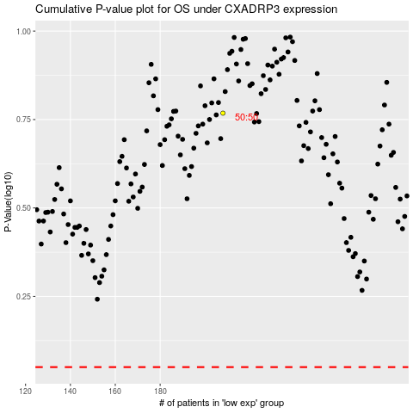

 |  |  |  |  |  | cases_OS | p_OS | rank | exp
 |  |  |  |  |  |  | cases_RFS | p_RFS | rank | exp

