CXCL10 _multivariate
Reported by Tex Li-Hsing Chi. tex@gate.sinica.edu.tw 2019-08-20

Table 2. The clinicopathological features of HNSCC cohort and CXCL10 expression. (Chi square test)
Cutoff at -0.335 (50.0%)
 |  | CXCL10 expression |  | CXCL10 expression |  | (Optimised)
 | Features | Low | (%) | High | (%) | Case no | P-value | Remark | Matthews
Gender | Female | 161 | 38.8 | 145 | 34.9 | 415 | 0.0792 | 0 | 0
2 | Male | 46 | 11.1 | 63 | 15.2
Age at diagnosis | <=65y | 142 | 34.2 | 132 | 31.8 | 415 | 0.3167 | 0 | 0
4 | >65y | 65 | 15.7 | 76 | 18.3
Clinical T Status | T1+T2 | 56 | 13.5 | 93 | 22.4 | 415 | 3e-04 | 1 | 0
6 | T3+T4 | 151 | 36.4 | 115 | 27.7
Clinical N Status | N0 | 118 | 28.4 | 98 | 23.6 | 415 | 0.0551 | 1 | 0
8 | N1-3 | 89 | 21.4 | 110 | 26.5
Clinical M Status | M0 | 207 | 49.9 | 205 | 49.4 | 415 | 0.2482 | 0 | 0
10 | M1 | 0 | 0 | 3 | 0.7
Clinical Stage | Stage I+II | 40 | 9.6 | 62 | 14.9 | 415 | 0.018 | 1 | 0
12 | Stage III+IV | 167 | 40.2 | 146 | 35.2
Surgical Margin status | Negative | 167 | 40.2 | 151 | 36.4 | 415 | 0.0632 | 0 | 0
14 | Positive | 40 | 9.6 | 57 | 13.7
Tobacco Exposure | Low | 69 | 16.6 | 92 | 22.2 | 415 | 0.0266 | 1 | 0
16 | High | 138 | 33.3 | 116 | 28

Table 3. Univariate/Multivariate Cox's proportional hazards regression analyses on OS time of CXCL10 gene expression in HNSCC

 |  | Univariate |  |  |  | Multivariate
 | Features | HR | CI95%(L) | CI95%(H) | P-value | HR | CI95%(L) | CI95%(H) | P-value
1 | Female | 1 |  |  |  | 1
Gender | Male | 1.157 | 0.843 | 1.587 | 0.367 | 1.207 | 0.863 | 1.687 | 0.271
11 | <=65y | 1 |  |  |  | 1
Age at diagnosis | >65y | 1.329 | 0.99 | 1.784 | 0.058 | 1.401 | 1.031 | 1.903 | 0.031
12 | T1+T2 | 1 |  |  |  | 1
Clinical T Status | T3+T4 | 1.409 | 1.028 | 1.931 | 0.033 | 2.161 | 1.142 | 4.09 | 0.018
13 | N0 | 1 |  |  |  | 1
Clinical N Status | N1-3 | 1.185 | 0.89 | 1.577 | 0.246 | 1.277 | 0.891 | 1.828 | 0.183
14 | M0 | 1 |  |  |  | 1
Clinical M Status | M1 | 4.097 | 1.009 | 16.644 | 0.049 | 10.023 | 2.176 | 46.175 | 0.003
15 | Stage I+II | 1 |  |  |  | 1
Clinical Stage | Stage III+IV | 1.245 | 0.882 | 1.759 | 0.213 | 0.491 | 0.228 | 1.055 | 0.068
16 | Negative | 1 |  |  |  | 1
Surgical Margin status | Positive | 1.591 | 1.155 | 2.191 | 0.004 | 1.703 | 1.23 | 2.358 | 0.001
17 | Low | 1 |  |  |  | 1
Tobacco Exposure | High | 1.364 | 1.008 | 1.844 | 0.044 | 1.425 | 1.032 | 1.967 | 0.032
18 | Low | 1 |  |  |  | 1
RNAseq(z-score) | High | 0.882 | 0.662 | 1.175 | 0.391 | 0.853 | 0.63 | 1.154 | 0.302

Table 4. Univariate/Multivariate Cox's proportional hazards regression analyses on RFS time of CXCL10 gene expression in HNSCC

 |  | Univariate |  |  |  | Multivariate
 | Features | HR | CI95%(L) | CI95%(H) | P-value | HR | CI95%(L) | CI95%(H) | P-value
1 | Female | 1 |  |  |  | 1
Gender | Male | 1.157 | 0.843 | 1.587 | 0.367 | 1.207 | 0.863 | 1.687 | 0.271
11 | <=65y | 1 |  |  |  | 1
Age at diagnosis | >65y | 1.329 | 0.99 | 1.784 | 0.058 | 1.401 | 1.031 | 1.903 | 0.031
12 | T1+T2 | 1 |  |  |  | 1
Clinical T Status | T3+T4 | 1.409 | 1.028 | 1.931 | 0.033 | 2.161 | 1.142 | 4.09 | 0.018
13 | N0 | 1 |  |  |  | 1
Clinical N Status | N1-3 | 1.185 | 0.89 | 1.577 | 0.246 | 1.277 | 0.891 | 1.828 | 0.183
14 | M0 | 1 |  |  |  | 1
Clinical M Status | M1 | 4.097 | 1.009 | 16.644 | 0.049 | 10.023 | 2.176 | 46.175 | 0.003
15 | Stage I+II | 1 |  |  |  | 1
Clinical Stage | Stage III+IV | 1.245 | 0.882 | 1.759 | 0.213 | 0.491 | 0.228 | 1.055 | 0.068
16 | Negative | 1 |  |  |  | 1
Surgical Margin status | Positive | 1.591 | 1.155 | 2.191 | 0.004 | 1.703 | 1.23 | 2.358 | 0.001
17 | Low | 1 |  |  |  | 1
Tobacco Exposure | High | 1.364 | 1.008 | 1.844 | 0.044 | 1.425 | 1.032 | 1.967 | 0.032
18 | Low | 1 |  |  |  | 1
RNAseq(z-score) | High | 0.882 | 0.662 | 1.175 | 0.391 | 0.853 | 0.63 | 1.154 | 0.302

Kaplan-Meier survival estimate: Cutoff at -0.335 (50.0%)



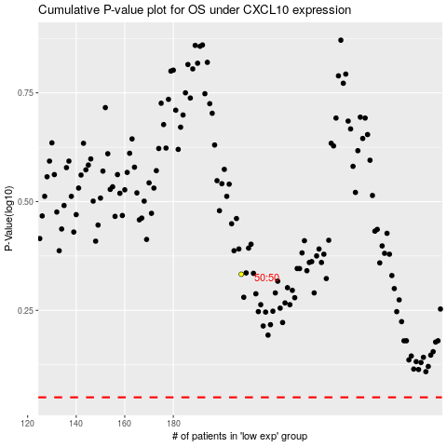

 |  |  |  |  |  | cases_OS | p_OS | rank | exp
 |  |  |  |  |  |  | cases_RFS | p_RFS | rank | exp

