CXCL11 _multivariate
Reported by Tex Li-Hsing Chi. tex@gate.sinica.edu.tw 2019-08-20

Table 2. The clinicopathological features of HNSCC cohort and CXCL11 expression. (Chi square test)
Cutoff at -0.327 (50.0%)
 |  | CXCL11 expression |  | CXCL11 expression |  | (Optimised)
 | Features | Low | (%) | High | (%) | Case no | P-value | Remark | Matthews
Gender | Female | 166 | 40 | 140 | 33.7 | 415 | 0.0041 | 1 | 0
2 | Male | 41 | 9.9 | 68 | 16.4
Age at diagnosis | <=65y | 143 | 34.5 | 131 | 31.6 | 415 | 0.2269 | 0 | 0
4 | >65y | 64 | 15.4 | 77 | 18.6
Clinical T Status | T1+T2 | 62 | 14.9 | 87 | 21 | 415 | 0.0156 | 1 | 0
6 | T3+T4 | 145 | 34.9 | 121 | 29.2
Clinical N Status | N0 | 114 | 27.5 | 102 | 24.6 | 415 | 0.2576 | 1 | 0
8 | N1-3 | 93 | 22.4 | 106 | 25.5
Clinical M Status | M0 | 207 | 49.9 | 205 | 49.4 | 415 | 0.2482 | 0 | 0
10 | M1 | 0 | 0 | 3 | 0.7
Clinical Stage | Stage I+II | 39 | 9.4 | 63 | 15.2 | 415 | 0.0095 | 1 | 0
12 | Stage III+IV | 168 | 40.5 | 145 | 34.9
Surgical Margin status | Negative | 164 | 39.5 | 154 | 37.1 | 415 | 0.2462 | 0 | 0
14 | Positive | 43 | 10.4 | 54 | 13
Tobacco Exposure | Low | 68 | 16.4 | 93 | 22.4 | 415 | 0.0156 | 1 | 0
16 | High | 139 | 33.5 | 115 | 27.7

Table 3. Univariate/Multivariate Cox's proportional hazards regression analyses on OS time of CXCL11 gene expression in HNSCC

 |  | Univariate |  |  |  | Multivariate
 | Features | HR | CI95%(L) | CI95%(H) | P-value | HR | CI95%(L) | CI95%(H) | P-value
1 | Female | 1 |  |  |  | 1
Gender | Male | 1.157 | 0.843 | 1.587 | 0.367 | 1.216 | 0.87 | 1.699 | 0.252
11 | <=65y | 1 |  |  |  | 1
Age at diagnosis | >65y | 1.329 | 0.99 | 1.784 | 0.058 | 1.403 | 1.032 | 1.907 | 0.031
12 | T1+T2 | 1 |  |  |  | 1
Clinical T Status | T3+T4 | 1.409 | 1.028 | 1.931 | 0.033 | 2.252 | 1.19 | 4.262 | 0.013
13 | N0 | 1 |  |  |  | 1
Clinical N Status | N1-3 | 1.185 | 0.89 | 1.577 | 0.246 | 1.285 | 0.895 | 1.846 | 0.174
14 | M0 | 1 |  |  |  | 1
Clinical M Status | M1 | 4.097 | 1.009 | 16.644 | 0.049 | 10.368 | 2.233 | 48.142 | 0.003
15 | Stage I+II | 1 |  |  |  | 1
Clinical Stage | Stage III+IV | 1.245 | 0.882 | 1.759 | 0.213 | 0.471 | 0.217 | 1.023 | 0.057
16 | Negative | 1 |  |  |  | 1
Surgical Margin status | Positive | 1.591 | 1.155 | 2.191 | 0.004 | 1.688 | 1.221 | 2.333 | 0.002
17 | Low | 1 |  |  |  | 1
Tobacco Exposure | High | 1.364 | 1.008 | 1.844 | 0.044 | 1.418 | 1.026 | 1.959 | 0.034
18 | Low | 1 |  |  |  | 1
RNAseq(z-score) | High | 0.92 | 0.688 | 1.229 | 0.571 | 0.856 | 0.629 | 1.165 | 0.323

Table 4. Univariate/Multivariate Cox's proportional hazards regression analyses on RFS time of CXCL11 gene expression in HNSCC

 |  | Univariate |  |  |  | Multivariate
 | Features | HR | CI95%(L) | CI95%(H) | P-value | HR | CI95%(L) | CI95%(H) | P-value
1 | Female | 1 |  |  |  | 1
Gender | Male | 1.157 | 0.843 | 1.587 | 0.367 | 1.216 | 0.87 | 1.699 | 0.252
11 | <=65y | 1 |  |  |  | 1
Age at diagnosis | >65y | 1.329 | 0.99 | 1.784 | 0.058 | 1.403 | 1.032 | 1.907 | 0.031
12 | T1+T2 | 1 |  |  |  | 1
Clinical T Status | T3+T4 | 1.409 | 1.028 | 1.931 | 0.033 | 2.252 | 1.19 | 4.262 | 0.013
13 | N0 | 1 |  |  |  | 1
Clinical N Status | N1-3 | 1.185 | 0.89 | 1.577 | 0.246 | 1.285 | 0.895 | 1.846 | 0.174
14 | M0 | 1 |  |  |  | 1
Clinical M Status | M1 | 4.097 | 1.009 | 16.644 | 0.049 | 10.368 | 2.233 | 48.142 | 0.003
15 | Stage I+II | 1 |  |  |  | 1
Clinical Stage | Stage III+IV | 1.245 | 0.882 | 1.759 | 0.213 | 0.471 | 0.217 | 1.023 | 0.057
16 | Negative | 1 |  |  |  | 1
Surgical Margin status | Positive | 1.591 | 1.155 | 2.191 | 0.004 | 1.688 | 1.221 | 2.333 | 0.002
17 | Low | 1 |  |  |  | 1
Tobacco Exposure | High | 1.364 | 1.008 | 1.844 | 0.044 | 1.418 | 1.026 | 1.959 | 0.034
18 | Low | 1 |  |  |  | 1
RNAseq(z-score) | High | 0.92 | 0.688 | 1.229 | 0.571 | 0.856 | 0.629 | 1.165 | 0.323

Kaplan-Meier survival estimate: Cutoff at -0.327 (50.0%)



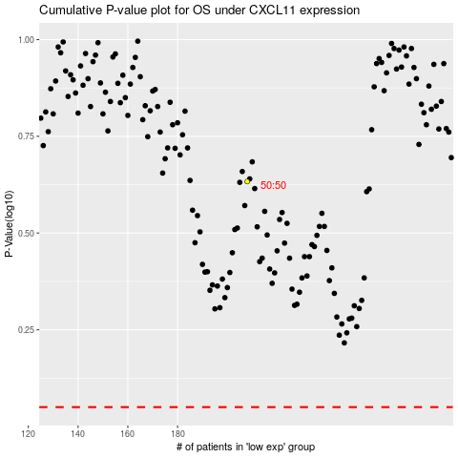

 |  |  |  |  |  | cases_OS | p_OS | rank | exp
 |  |  |  |  |  |  | cases_RFS | p_RFS | rank | exp

