CXCL3 _multivariate
Reported by Tex Li-Hsing Chi. tex@gate.sinica.edu.tw 2019-08-20

Table 2. The clinicopathological features of HNSCC cohort and CXCL3 expression. (Chi square test)
Cutoff at -0.287 (50.0%)
 |  | CXCL3 expression |  | CXCL3 expression |  | (Optimised)
 | Features | Low | (%) | High | (%) | Case no | P-value | Remark | Matthews
Gender | Female | 154 | 37.1 | 152 | 36.6 | 415 | 0.8463 | 0 | 0
2 | Male | 53 | 12.8 | 56 | 13.5
Age at diagnosis | <=65y | 140 | 33.7 | 134 | 32.3 | 415 | 0.5574 | 0 | 0
4 | >65y | 67 | 16.1 | 74 | 17.8
Clinical T Status | T1+T2 | 70 | 16.9 | 79 | 19 | 415 | 0.4343 | 0 | 0
6 | T3+T4 | 137 | 33 | 129 | 31.1
Clinical N Status | N0 | 101 | 24.3 | 115 | 27.7 | 415 | 0.2201 | 0 | 0
8 | N1-3 | 106 | 25.5 | 93 | 22.4
Clinical M Status | M0 | 207 | 49.9 | 205 | 49.4 | 415 | 0.2482 | 0 | 0
10 | M1 | 0 | 0 | 3 | 0.7
Clinical Stage | Stage I+II | 47 | 11.3 | 55 | 13.3 | 415 | 0.4413 | 0 | 0
12 | Stage III+IV | 160 | 38.6 | 153 | 36.9
Surgical Margin status | Negative | 163 | 39.3 | 155 | 37.3 | 415 | 0.3537 | 0 | 0
14 | Positive | 44 | 10.6 | 53 | 12.8
Tobacco Exposure | Low | 76 | 18.3 | 85 | 20.5 | 415 | 0.4207 | 0 | 0
16 | High | 131 | 31.6 | 123 | 29.6

Table 3. Univariate/Multivariate Cox's proportional hazards regression analyses on OS time of CXCL3 gene expression in HNSCC

 |  | Univariate |  |  |  | Multivariate
 | Features | HR | CI95%(L) | CI95%(H) | P-value | HR | CI95%(L) | CI95%(H) | P-value
1 | Female | 1 |  |  |  | 1
Gender | Male | 1.157 | 0.843 | 1.587 | 0.367 | 1.211 | 0.867 | 1.692 | 0.261
11 | <=65y | 1 |  |  |  | 1
Age at diagnosis | >65y | 1.329 | 0.99 | 1.784 | 0.058 | 1.404 | 1.032 | 1.91 | 0.031
12 | T1+T2 | 1 |  |  |  | 1
Clinical T Status | T3+T4 | 1.409 | 1.028 | 1.931 | 0.033 | 2.209 | 1.168 | 4.177 | 0.015
13 | N0 | 1 |  |  |  | 1
Clinical N Status | N1-3 | 1.185 | 0.89 | 1.577 | 0.246 | 1.226 | 0.858 | 1.751 | 0.263
14 | M0 | 1 |  |  |  | 1
Clinical M Status | M1 | 4.097 | 1.009 | 16.644 | 0.049 | 10.307 | 2.221 | 47.833 | 0.003
15 | Stage I+II | 1 |  |  |  | 1
Clinical Stage | Stage III+IV | 1.245 | 0.882 | 1.759 | 0.213 | 0.498 | 0.232 | 1.07 | 0.074
16 | Negative | 1 |  |  |  | 1
Surgical Margin status | Positive | 1.591 | 1.155 | 2.191 | 0.004 | 1.687 | 1.22 | 2.333 | 0.002
17 | Low | 1 |  |  |  | 1
Tobacco Exposure | High | 1.364 | 1.008 | 1.844 | 0.044 | 1.464 | 1.062 | 2.018 | 0.02
18 | Low | 1 |  |  |  | 1
RNAseq(z-score) | High | 0.897 | 0.671 | 1.198 | 0.461 | 0.864 | 0.643 | 1.161 | 0.333

Table 4. Univariate/Multivariate Cox's proportional hazards regression analyses on RFS time of CXCL3 gene expression in HNSCC

 |  | Univariate |  |  |  | Multivariate
 | Features | HR | CI95%(L) | CI95%(H) | P-value | HR | CI95%(L) | CI95%(H) | P-value
1 | Female | 1 |  |  |  | 1
Gender | Male | 1.157 | 0.843 | 1.587 | 0.367 | 1.211 | 0.867 | 1.692 | 0.261
11 | <=65y | 1 |  |  |  | 1
Age at diagnosis | >65y | 1.329 | 0.99 | 1.784 | 0.058 | 1.404 | 1.032 | 1.91 | 0.031
12 | T1+T2 | 1 |  |  |  | 1
Clinical T Status | T3+T4 | 1.409 | 1.028 | 1.931 | 0.033 | 2.209 | 1.168 | 4.177 | 0.015
13 | N0 | 1 |  |  |  | 1
Clinical N Status | N1-3 | 1.185 | 0.89 | 1.577 | 0.246 | 1.226 | 0.858 | 1.751 | 0.263
14 | M0 | 1 |  |  |  | 1
Clinical M Status | M1 | 4.097 | 1.009 | 16.644 | 0.049 | 10.307 | 2.221 | 47.833 | 0.003
15 | Stage I+II | 1 |  |  |  | 1
Clinical Stage | Stage III+IV | 1.245 | 0.882 | 1.759 | 0.213 | 0.498 | 0.232 | 1.07 | 0.074
16 | Negative | 1 |  |  |  | 1
Surgical Margin status | Positive | 1.591 | 1.155 | 2.191 | 0.004 | 1.687 | 1.22 | 2.333 | 0.002
17 | Low | 1 |  |  |  | 1
Tobacco Exposure | High | 1.364 | 1.008 | 1.844 | 0.044 | 1.464 | 1.062 | 2.018 | 0.02
18 | Low | 1 |  |  |  | 1
RNAseq(z-score) | High | 0.897 | 0.671 | 1.198 | 0.461 | 0.864 | 0.643 | 1.161 | 0.333

Kaplan-Meier survival estimate: Cutoff at -0.287 (50.0%)



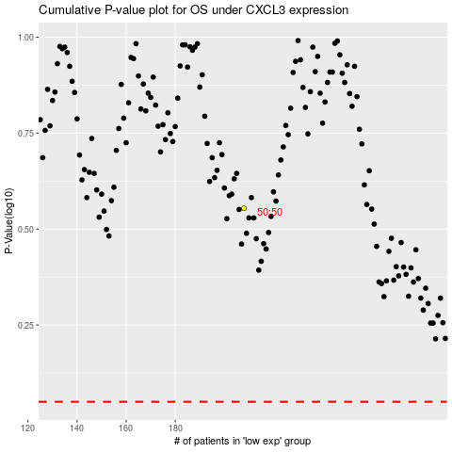

 |  |  |  |  |  | cases_OS | p_OS | rank | exp
 |  |  |  |  |  |  | cases_RFS | p_RFS | rank | exp

