CXCL5 _multivariate
Reported by Tex Li-Hsing Chi. tex@gate.sinica.edu.tw 2019-08-20

Table 2. The clinicopathological features of HNSCC cohort and CXCL5 expression. (Chi square test)
Cutoff at -0.195 (50.0%)
 |  | CXCL5 expression |  | CXCL5 expression |  | (Optimised)
 | Features | Low | (%) | High | (%) | Case no | P-value | Remark | Matthews
Gender | Female | 160 | 38.6 | 146 | 35.2 | 415 | 0.1254 | 0 | 0
2 | Male | 47 | 11.3 | 62 | 14.9
Age at diagnosis | <=65y | 132 | 31.8 | 142 | 34.2 | 415 | 0.3874 | 0 | 0
4 | >65y | 75 | 18.1 | 66 | 15.9
Clinical T Status | T1+T2 | 80 | 19.3 | 69 | 16.6 | 415 | 0.2891 | 0 | 0
6 | T3+T4 | 127 | 30.6 | 139 | 33.5
Clinical N Status | N0 | 106 | 25.5 | 110 | 26.5 | 415 | 0.8075 | 0 | 0
8 | N1-3 | 101 | 24.3 | 98 | 23.6
Clinical M Status | M0 | 206 | 49.6 | 206 | 49.6 | 415 | 1 | 0 | 0
10 | M1 | 1 | 0.2 | 2 | 0.5
Clinical Stage | Stage I+II | 50 | 12 | 52 | 12.5 | 415 | 0.9315 | 0 | 0
12 | Stage III+IV | 157 | 37.8 | 156 | 37.6
Surgical Margin status | Negative | 156 | 37.6 | 162 | 39 | 415 | 0.5636 | 0 | 0
14 | Positive | 51 | 12.3 | 46 | 11.1
Tobacco Exposure | Low | 85 | 20.5 | 76 | 18.3 | 415 | 0.3655 | 0 | 0
16 | High | 122 | 29.4 | 132 | 31.8

Table 3. Univariate/Multivariate Cox's proportional hazards regression analyses on OS time of CXCL5 gene expression in HNSCC

 |  | Univariate |  |  |  | Multivariate
 | Features | HR | CI95%(L) | CI95%(H) | P-value | HR | CI95%(L) | CI95%(H) | P-value
1 | Female | 1 |  |  |  | 1
Gender | Male | 1.157 | 0.843 | 1.587 | 0.367 | 1.213 | 0.866 | 1.697 | 0.261
11 | <=65y | 1 |  |  |  | 1
Age at diagnosis | >65y | 1.329 | 0.99 | 1.784 | 0.058 | 1.38 | 1.014 | 1.879 | 0.041
12 | T1+T2 | 1 |  |  |  | 1
Clinical T Status | T3+T4 | 1.409 | 1.028 | 1.931 | 0.033 | 2.224 | 1.174 | 4.212 | 0.014
13 | N0 | 1 |  |  |  | 1
Clinical N Status | N1-3 | 1.185 | 0.89 | 1.577 | 0.246 | 1.237 | 0.867 | 1.765 | 0.241
14 | M0 | 1 |  |  |  | 1
Clinical M Status | M1 | 4.097 | 1.009 | 16.644 | 0.049 | 9.723 | 2.108 | 44.851 | 0.004
15 | Stage I+II | 1 |  |  |  | 1
Clinical Stage | Stage III+IV | 1.245 | 0.882 | 1.759 | 0.213 | 0.499 | 0.232 | 1.073 | 0.075
16 | Negative | 1 |  |  |  | 1
Surgical Margin status | Positive | 1.591 | 1.155 | 2.191 | 0.004 | 1.672 | 1.21 | 2.31 | 0.002
17 | Low | 1 |  |  |  | 1
Tobacco Exposure | High | 1.364 | 1.008 | 1.844 | 0.044 | 1.458 | 1.058 | 2.01 | 0.021
18 | Low | 1 |  |  |  | 1
RNAseq(z-score) | High | 0.964 | 0.723 | 1.285 | 0.801 | 0.932 | 0.695 | 1.248 | 0.635

Table 4. Univariate/Multivariate Cox's proportional hazards regression analyses on RFS time of CXCL5 gene expression in HNSCC

 |  | Univariate |  |  |  | Multivariate
 | Features | HR | CI95%(L) | CI95%(H) | P-value | HR | CI95%(L) | CI95%(H) | P-value
1 | Female | 1 |  |  |  | 1
Gender | Male | 1.157 | 0.843 | 1.587 | 0.367 | 1.213 | 0.866 | 1.697 | 0.261
11 | <=65y | 1 |  |  |  | 1
Age at diagnosis | >65y | 1.329 | 0.99 | 1.784 | 0.058 | 1.38 | 1.014 | 1.879 | 0.041
12 | T1+T2 | 1 |  |  |  | 1
Clinical T Status | T3+T4 | 1.409 | 1.028 | 1.931 | 0.033 | 2.224 | 1.174 | 4.212 | 0.014
13 | N0 | 1 |  |  |  | 1
Clinical N Status | N1-3 | 1.185 | 0.89 | 1.577 | 0.246 | 1.237 | 0.867 | 1.765 | 0.241
14 | M0 | 1 |  |  |  | 1
Clinical M Status | M1 | 4.097 | 1.009 | 16.644 | 0.049 | 9.723 | 2.108 | 44.851 | 0.004
15 | Stage I+II | 1 |  |  |  | 1
Clinical Stage | Stage III+IV | 1.245 | 0.882 | 1.759 | 0.213 | 0.499 | 0.232 | 1.073 | 0.075
16 | Negative | 1 |  |  |  | 1
Surgical Margin status | Positive | 1.591 | 1.155 | 2.191 | 0.004 | 1.672 | 1.21 | 2.31 | 0.002
17 | Low | 1 |  |  |  | 1
Tobacco Exposure | High | 1.364 | 1.008 | 1.844 | 0.044 | 1.458 | 1.058 | 2.01 | 0.021
18 | Low | 1 |  |  |  | 1
RNAseq(z-score) | High | 0.964 | 0.723 | 1.285 | 0.801 | 0.932 | 0.695 | 1.248 | 0.635

Kaplan-Meier survival estimate: Cutoff at -0.195 (50.0%)



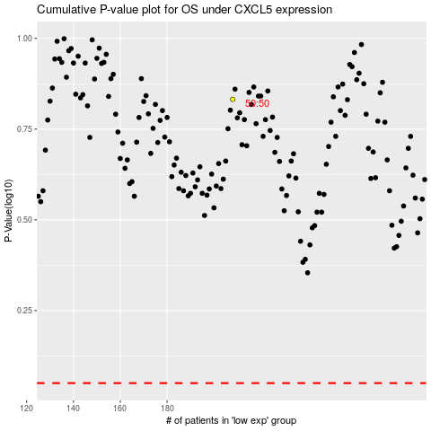

 |  |  |  |  |  | cases_OS | p_OS | rank | exp
 |  |  |  |  |  |  | cases_RFS | p_RFS | rank | exp

