CXCL6 _multivariate
Reported by Tex Li-Hsing Chi. tex@gate.sinica.edu.tw 2019-08-20

Table 2. The clinicopathological features of HNSCC cohort and CXCL6 expression. (Chi square test)
Cutoff at -0.271 (49.8%)
 |  | CXCL6 expression |  | CXCL6 expression |  | (Optimised)
 | Features | Low | (%) | High | (%) | Case no | P-value | Remark | Matthews
Gender | Female | 152 | 36.6 | 154 | 37.1 | 415 | 0.9766 | 0 | 0
2 | Male | 55 | 13.3 | 54 | 13
Age at diagnosis | <=65y | 132 | 31.8 | 142 | 34.2 | 415 | 0.3874 | 0 | 0
4 | >65y | 75 | 18.1 | 66 | 15.9
Clinical T Status | T1+T2 | 79 | 19 | 70 | 16.9 | 415 | 0.3924 | 0 | 0
6 | T3+T4 | 128 | 30.8 | 138 | 33.3
Clinical N Status | N0 | 110 | 26.5 | 106 | 25.5 | 415 | 0.7294 | 0 | 0
8 | N1-3 | 97 | 23.4 | 102 | 24.6
Clinical M Status | M0 | 204 | 49.2 | 208 | 50.1 | 415 | 0.1232 | 0 | 0
10 | M1 | 3 | 0.7 | 0 | 0
Clinical Stage | Stage I+II | 54 | 13 | 48 | 11.6 | 415 | 0.5498 | 0 | 0
12 | Stage III+IV | 153 | 36.9 | 160 | 38.6
Surgical Margin status | Negative | 160 | 38.6 | 158 | 38.1 | 415 | 0.8167 | 0 | 0
14 | Positive | 47 | 11.3 | 50 | 12
Tobacco Exposure | Low | 87 | 21 | 74 | 17.8 | 415 | 0.1911 | 0 | 0
16 | High | 120 | 28.9 | 134 | 32.3

Table 3. Univariate/Multivariate Cox's proportional hazards regression analyses on OS time of CXCL6 gene expression in HNSCC

 |  | Univariate |  |  |  | Multivariate
 | Features | HR | CI95%(L) | CI95%(H) | P-value | HR | CI95%(L) | CI95%(H) | P-value
1 | Female | 1 |  |  |  | 1
Gender | Male | 1.157 | 0.843 | 1.587 | 0.367 | 1.199 | 0.858 | 1.676 | 0.288
11 | <=65y | 1 |  |  |  | 1
Age at diagnosis | >65y | 1.329 | 0.99 | 1.784 | 0.058 | 1.4 | 1.029 | 1.906 | 0.032
12 | T1+T2 | 1 |  |  |  | 1
Clinical T Status | T3+T4 | 1.409 | 1.028 | 1.931 | 0.033 | 2.211 | 1.169 | 4.181 | 0.015
13 | N0 | 1 |  |  |  | 1
Clinical N Status | N1-3 | 1.185 | 0.89 | 1.577 | 0.246 | 1.25 | 0.875 | 1.786 | 0.22
14 | M0 | 1 |  |  |  | 1
Clinical M Status | M1 | 4.097 | 1.009 | 16.644 | 0.049 | 9.746 | 2.11 | 45.021 | 0.004
15 | Stage I+II | 1 |  |  |  | 1
Clinical Stage | Stage III+IV | 1.245 | 0.882 | 1.759 | 0.213 | 0.501 | 0.233 | 1.077 | 0.077
16 | Negative | 1 |  |  |  | 1
Surgical Margin status | Positive | 1.591 | 1.155 | 2.191 | 0.004 | 1.668 | 1.207 | 2.305 | 0.002
17 | Low | 1 |  |  |  | 1
Tobacco Exposure | High | 1.364 | 1.008 | 1.844 | 0.044 | 1.447 | 1.049 | 1.994 | 0.024
18 | Low | 1 |  |  |  | 1
RNAseq(z-score) | High | 1.037 | 0.776 | 1.385 | 0.806 | 1.071 | 0.798 | 1.437 | 0.648

Table 4. Univariate/Multivariate Cox's proportional hazards regression analyses on RFS time of CXCL6 gene expression in HNSCC

 |  | Univariate |  |  |  | Multivariate
 | Features | HR | CI95%(L) | CI95%(H) | P-value | HR | CI95%(L) | CI95%(H) | P-value
1 | Female | 1 |  |  |  | 1
Gender | Male | 1.157 | 0.843 | 1.587 | 0.367 | 1.199 | 0.858 | 1.676 | 0.288
11 | <=65y | 1 |  |  |  | 1
Age at diagnosis | >65y | 1.329 | 0.99 | 1.784 | 0.058 | 1.4 | 1.029 | 1.906 | 0.032
12 | T1+T2 | 1 |  |  |  | 1
Clinical T Status | T3+T4 | 1.409 | 1.028 | 1.931 | 0.033 | 2.211 | 1.169 | 4.181 | 0.015
13 | N0 | 1 |  |  |  | 1
Clinical N Status | N1-3 | 1.185 | 0.89 | 1.577 | 0.246 | 1.25 | 0.875 | 1.786 | 0.22
14 | M0 | 1 |  |  |  | 1
Clinical M Status | M1 | 4.097 | 1.009 | 16.644 | 0.049 | 9.746 | 2.11 | 45.021 | 0.004
15 | Stage I+II | 1 |  |  |  | 1
Clinical Stage | Stage III+IV | 1.245 | 0.882 | 1.759 | 0.213 | 0.501 | 0.233 | 1.077 | 0.077
16 | Negative | 1 |  |  |  | 1
Surgical Margin status | Positive | 1.591 | 1.155 | 2.191 | 0.004 | 1.668 | 1.207 | 2.305 | 0.002
17 | Low | 1 |  |  |  | 1
Tobacco Exposure | High | 1.364 | 1.008 | 1.844 | 0.044 | 1.447 | 1.049 | 1.994 | 0.024
18 | Low | 1 |  |  |  | 1
RNAseq(z-score) | High | 1.037 | 0.776 | 1.385 | 0.806 | 1.071 | 0.798 | 1.437 | 0.648

Kaplan-Meier survival estimate: Cutoff at -0.271 (49.8%)



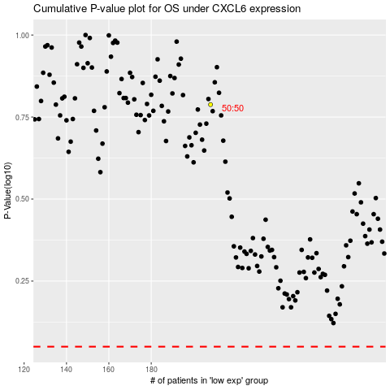

 |  |  |  |  |  | cases_OS | p_OS | rank | exp
 |  |  |  |  |  |  | cases_RFS | p_RFS | rank | exp

