CXCL9 _multivariate
Reported by Tex Li-Hsing Chi. tex@gate.sinica.edu.tw 2019-08-20

Table 2. The clinicopathological features of HNSCC cohort and CXCL9 expression. (Chi square test)
Cutoff at -0.354 (50.0%)
 |  | CXCL9 expression |  | CXCL9 expression |  | (Optimised)
 | Features | Low | (%) | High | (%) | Case no | P-value | Remark | Matthews
Gender | Female | 162 | 39 | 144 | 34.7 | 415 | 0.0479 | 1 | 0
2 | Male | 45 | 10.8 | 64 | 15.4
Age at diagnosis | <=65y | 146 | 35.2 | 128 | 30.8 | 415 | 0.0672 | 0 | 0
4 | >65y | 61 | 14.7 | 80 | 19.3
Clinical T Status | T1+T2 | 62 | 14.9 | 87 | 21 | 415 | 0.0156 | 1 | 0
6 | T3+T4 | 145 | 34.9 | 121 | 29.2
Clinical N Status | N0 | 116 | 28 | 100 | 24.1 | 415 | 0.1273 | 1 | 0
8 | N1-3 | 91 | 21.9 | 108 | 26
Clinical M Status | M0 | 207 | 49.9 | 205 | 49.4 | 415 | 0.2482 | 0 | 0
10 | M1 | 0 | 0 | 3 | 0.7
Clinical Stage | Stage I+II | 46 | 11.1 | 56 | 13.5 | 415 | 0.3182 | 0 | 0
12 | Stage III+IV | 161 | 38.8 | 152 | 36.6
Surgical Margin status | Negative | 163 | 39.3 | 155 | 37.3 | 415 | 0.3537 | 0 | 0
14 | Positive | 44 | 10.6 | 53 | 12.8
Tobacco Exposure | Low | 66 | 15.9 | 95 | 22.9 | 415 | 0.0048 | 1 | 0
16 | High | 141 | 34 | 113 | 27.2

Table 3. Univariate/Multivariate Cox's proportional hazards regression analyses on OS time of CXCL9 gene expression in HNSCC

 |  | Univariate |  |  |  | Multivariate
 | Features | HR | CI95%(L) | CI95%(H) | P-value | HR | CI95%(L) | CI95%(H) | P-value
1 | Female | 1 |  |  |  | 1
Gender | Male | 1.157 | 0.843 | 1.587 | 0.367 | 1.201 | 0.86 | 1.678 | 0.282
11 | <=65y | 1 |  |  |  | 1
Age at diagnosis | >65y | 1.329 | 0.99 | 1.784 | 0.058 | 1.393 | 1.025 | 1.893 | 0.034
12 | T1+T2 | 1 |  |  |  | 1
Clinical T Status | T3+T4 | 1.409 | 1.028 | 1.931 | 0.033 | 2.195 | 1.161 | 4.152 | 0.016
13 | N0 | 1 |  |  |  | 1
Clinical N Status | N1-3 | 1.185 | 0.89 | 1.577 | 0.246 | 1.246 | 0.872 | 1.779 | 0.226
14 | M0 | 1 |  |  |  | 1
Clinical M Status | M1 | 4.097 | 1.009 | 16.644 | 0.049 | 9.604 | 2.083 | 44.278 | 0.004
15 | Stage I+II | 1 |  |  |  | 1
Clinical Stage | Stage III+IV | 1.245 | 0.882 | 1.759 | 0.213 | 0.502 | 0.234 | 1.079 | 0.077
16 | Negative | 1 |  |  |  | 1
Surgical Margin status | Positive | 1.591 | 1.155 | 2.191 | 0.004 | 1.678 | 1.213 | 2.321 | 0.002
17 | Low | 1 |  |  |  | 1
Tobacco Exposure | High | 1.364 | 1.008 | 1.844 | 0.044 | 1.44 | 1.04 | 1.994 | 0.028
18 | Low | 1 |  |  |  | 1
RNAseq(z-score) | High | 0.943 | 0.708 | 1.257 | 0.69 | 0.953 | 0.708 | 1.284 | 0.754

Table 4. Univariate/Multivariate Cox's proportional hazards regression analyses on RFS time of CXCL9 gene expression in HNSCC

 |  | Univariate |  |  |  | Multivariate
 | Features | HR | CI95%(L) | CI95%(H) | P-value | HR | CI95%(L) | CI95%(H) | P-value
1 | Female | 1 |  |  |  | 1
Gender | Male | 1.157 | 0.843 | 1.587 | 0.367 | 1.201 | 0.86 | 1.678 | 0.282
11 | <=65y | 1 |  |  |  | 1
Age at diagnosis | >65y | 1.329 | 0.99 | 1.784 | 0.058 | 1.393 | 1.025 | 1.893 | 0.034
12 | T1+T2 | 1 |  |  |  | 1
Clinical T Status | T3+T4 | 1.409 | 1.028 | 1.931 | 0.033 | 2.195 | 1.161 | 4.152 | 0.016
13 | N0 | 1 |  |  |  | 1
Clinical N Status | N1-3 | 1.185 | 0.89 | 1.577 | 0.246 | 1.246 | 0.872 | 1.779 | 0.226
14 | M0 | 1 |  |  |  | 1
Clinical M Status | M1 | 4.097 | 1.009 | 16.644 | 0.049 | 9.604 | 2.083 | 44.278 | 0.004
15 | Stage I+II | 1 |  |  |  | 1
Clinical Stage | Stage III+IV | 1.245 | 0.882 | 1.759 | 0.213 | 0.502 | 0.234 | 1.079 | 0.077
16 | Negative | 1 |  |  |  | 1
Surgical Margin status | Positive | 1.591 | 1.155 | 2.191 | 0.004 | 1.678 | 1.213 | 2.321 | 0.002
17 | Low | 1 |  |  |  | 1
Tobacco Exposure | High | 1.364 | 1.008 | 1.844 | 0.044 | 1.44 | 1.04 | 1.994 | 0.028
18 | Low | 1 |  |  |  | 1
RNAseq(z-score) | High | 0.943 | 0.708 | 1.257 | 0.69 | 0.953 | 0.708 | 1.284 | 0.754

Kaplan-Meier survival estimate: Cutoff at -0.354 (50.0%)



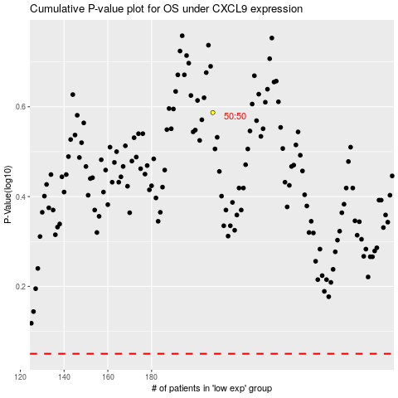

 |  |  |  |  |  | cases_OS | p_OS | rank | exp
 |  |  |  |  |  |  | cases_RFS | p_RFS | rank | exp

