CXCR1 _multivariate
Reported by Tex Li-Hsing Chi. tex@gate.sinica.edu.tw 2019-08-20

Table 2. The clinicopathological features of HNSCC cohort and CXCR1 expression. (Chi square test)
Cutoff at -0.322 (50.0%)
 |  | CXCR1 expression |  | CXCR1 expression |  | (Optimised)
 | Features | Low | (%) | High | (%) | Case no | P-value | Remark | Matthews
Gender | Female | 164 | 39.5 | 142 | 34.2 | 415 | 0.0153 | 1 | 0
2 | Male | 43 | 10.4 | 66 | 15.9
Age at diagnosis | <=65y | 138 | 33.3 | 136 | 32.8 | 415 | 0.8634 | 0 | 0
4 | >65y | 69 | 16.6 | 72 | 17.3
Clinical T Status | T1+T2 | 67 | 16.1 | 82 | 19.8 | 415 | 0.1628 | 0 | 0
6 | T3+T4 | 140 | 33.7 | 126 | 30.4
Clinical N Status | N0 | 96 | 23.1 | 120 | 28.9 | 415 | 0.0272 | 1 | 0
8 | N1-3 | 111 | 26.7 | 88 | 21.2
Clinical M Status | M0 | 206 | 49.6 | 206 | 49.6 | 415 | 1 | 0 | 0
10 | M1 | 1 | 0.2 | 2 | 0.5
Clinical Stage | Stage I+II | 40 | 9.6 | 62 | 14.9 | 415 | 0.018 | 1 | 0
12 | Stage III+IV | 167 | 40.2 | 146 | 35.2
Surgical Margin status | Negative | 158 | 38.1 | 160 | 38.6 | 415 | 0.9081 | 0 | 0
14 | Positive | 49 | 11.8 | 48 | 11.6
Tobacco Exposure | Low | 70 | 16.9 | 91 | 21.9 | 415 | 0.0439 | 1 | 0
16 | High | 137 | 33 | 117 | 28.2

Table 3. Univariate/Multivariate Cox's proportional hazards regression analyses on OS time of CXCR1 gene expression in HNSCC

 |  | Univariate |  |  |  | Multivariate
 | Features | HR | CI95%(L) | CI95%(H) | P-value | HR | CI95%(L) | CI95%(H) | P-value
1 | Female | 1 |  |  |  | 1
Gender | Male | 1.157 | 0.843 | 1.587 | 0.367 | 1.219 | 0.872 | 1.703 | 0.247
11 | <=65y | 1 |  |  |  | 1
Age at diagnosis | >65y | 1.329 | 0.99 | 1.784 | 0.058 | 1.409 | 1.036 | 1.917 | 0.029
12 | T1+T2 | 1 |  |  |  | 1
Clinical T Status | T3+T4 | 1.409 | 1.028 | 1.931 | 0.033 | 2.226 | 1.177 | 4.211 | 0.014
13 | N0 | 1 |  |  |  | 1
Clinical N Status | N1-3 | 1.185 | 0.89 | 1.577 | 0.246 | 1.216 | 0.85 | 1.74 | 0.284
14 | M0 | 1 |  |  |  | 1
Clinical M Status | M1 | 4.097 | 1.009 | 16.644 | 0.049 | 10.148 | 2.196 | 46.894 | 0.003
15 | Stage I+II | 1 |  |  |  | 1
Clinical Stage | Stage III+IV | 1.245 | 0.882 | 1.759 | 0.213 | 0.49 | 0.228 | 1.054 | 0.068
16 | Negative | 1 |  |  |  | 1
Surgical Margin status | Positive | 1.591 | 1.155 | 2.191 | 0.004 | 1.677 | 1.214 | 2.318 | 0.002
17 | Low | 1 |  |  |  | 1
Tobacco Exposure | High | 1.364 | 1.008 | 1.844 | 0.044 | 1.431 | 1.038 | 1.974 | 0.029
18 | Low | 1 |  |  |  | 1
RNAseq(z-score) | High | 0.862 | 0.645 | 1.152 | 0.316 | 0.862 | 0.635 | 1.169 | 0.34

Table 4. Univariate/Multivariate Cox's proportional hazards regression analyses on RFS time of CXCR1 gene expression in HNSCC

 |  | Univariate |  |  |  | Multivariate
 | Features | HR | CI95%(L) | CI95%(H) | P-value | HR | CI95%(L) | CI95%(H) | P-value
1 | Female | 1 |  |  |  | 1
Gender | Male | 1.157 | 0.843 | 1.587 | 0.367 | 1.219 | 0.872 | 1.703 | 0.247
11 | <=65y | 1 |  |  |  | 1
Age at diagnosis | >65y | 1.329 | 0.99 | 1.784 | 0.058 | 1.409 | 1.036 | 1.917 | 0.029
12 | T1+T2 | 1 |  |  |  | 1
Clinical T Status | T3+T4 | 1.409 | 1.028 | 1.931 | 0.033 | 2.226 | 1.177 | 4.211 | 0.014
13 | N0 | 1 |  |  |  | 1
Clinical N Status | N1-3 | 1.185 | 0.89 | 1.577 | 0.246 | 1.216 | 0.85 | 1.74 | 0.284
14 | M0 | 1 |  |  |  | 1
Clinical M Status | M1 | 4.097 | 1.009 | 16.644 | 0.049 | 10.148 | 2.196 | 46.894 | 0.003
15 | Stage I+II | 1 |  |  |  | 1
Clinical Stage | Stage III+IV | 1.245 | 0.882 | 1.759 | 0.213 | 0.49 | 0.228 | 1.054 | 0.068
16 | Negative | 1 |  |  |  | 1
Surgical Margin status | Positive | 1.591 | 1.155 | 2.191 | 0.004 | 1.677 | 1.214 | 2.318 | 0.002
17 | Low | 1 |  |  |  | 1
Tobacco Exposure | High | 1.364 | 1.008 | 1.844 | 0.044 | 1.431 | 1.038 | 1.974 | 0.029
18 | Low | 1 |  |  |  | 1
RNAseq(z-score) | High | 0.862 | 0.645 | 1.152 | 0.316 | 0.862 | 0.635 | 1.169 | 0.34

Kaplan-Meier survival estimate: Cutoff at -0.322 (50.0%)



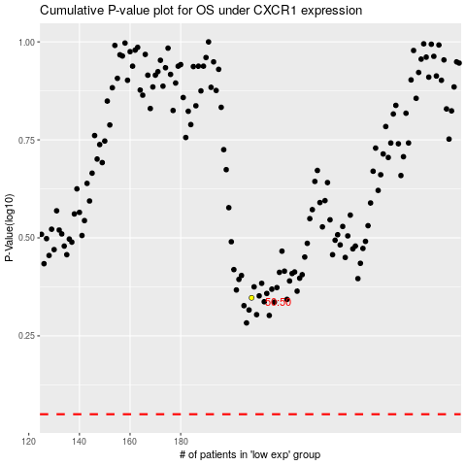

 |  |  |  |  |  | cases_OS | p_OS | rank | exp
 |  |  |  |  |  |  | cases_RFS | p_RFS | rank | exp

