CXCR2 _multivariate
Reported by Tex Li-Hsing Chi. tex@gate.sinica.edu.tw 2019-08-20

Table 2. The clinicopathological features of HNSCC cohort and CXCR2 expression. (Chi square test)
Cutoff at -0.394 (50.0%)
 |  | CXCR2 expression |  | CXCR2 expression |  | (Optimised)
 | Features | Low | (%) | High | (%) | Case no | P-value | Remark | Matthews
Gender | Female | 168 | 40.5 | 138 | 33.3 | 415 | 9e-04 | 1 | 0
2 | Male | 39 | 9.4 | 70 | 16.9
Age at diagnosis | <=65y | 136 | 32.8 | 138 | 33.3 | 415 | 0.9719 | 0 | 0
4 | >65y | 71 | 17.1 | 70 | 16.9
Clinical T Status | T1+T2 | 63 | 15.2 | 86 | 20.7 | 415 | 0.0268 | 1 | 0
6 | T3+T4 | 144 | 34.7 | 122 | 29.4
Clinical N Status | N0 | 94 | 22.7 | 122 | 29.4 | 415 | 0.0093 | 1 | 0
8 | N1-3 | 113 | 27.2 | 86 | 20.7
Clinical M Status | M0 | 205 | 49.4 | 207 | 49.9 | 415 | 0.6232 | 0 | 0
10 | M1 | 2 | 0.5 | 1 | 0.2
Clinical Stage | Stage I+II | 36 | 8.7 | 66 | 15.9 | 415 | 0.001 | 1 | 0
12 | Stage III+IV | 171 | 41.2 | 142 | 34.2
Surgical Margin status | Negative | 155 | 37.3 | 163 | 39.3 | 415 | 0.4187 | 0 | 0
14 | Positive | 52 | 12.5 | 45 | 10.8
Tobacco Exposure | Low | 74 | 17.8 | 87 | 21 | 415 | 0.227 | 0 | 0
16 | High | 133 | 32 | 121 | 29.2

Table 3. Univariate/Multivariate Cox's proportional hazards regression analyses on OS time of CXCR2 gene expression in HNSCC

 |  | Univariate |  |  |  | Multivariate
 | Features | HR | CI95%(L) | CI95%(H) | P-value | HR | CI95%(L) | CI95%(H) | P-value
1 | Female | 1 |  |  |  | 1
Gender | Male | 1.157 | 0.843 | 1.587 | 0.367 | 1.222 | 0.869 | 1.718 | 0.249
11 | <=65y | 1 |  |  |  | 1
Age at diagnosis | >65y | 1.329 | 0.99 | 1.784 | 0.058 | 1.39 | 1.023 | 1.889 | 0.035
12 | T1+T2 | 1 |  |  |  | 1
Clinical T Status | T3+T4 | 1.409 | 1.028 | 1.931 | 0.033 | 2.205 | 1.166 | 4.169 | 0.015
13 | N0 | 1 |  |  |  | 1
Clinical N Status | N1-3 | 1.185 | 0.89 | 1.577 | 0.246 | 1.228 | 0.859 | 1.757 | 0.26
14 | M0 | 1 |  |  |  | 1
Clinical M Status | M1 | 4.097 | 1.009 | 16.644 | 0.049 | 9.442 | 2.06 | 43.292 | 0.004
15 | Stage I+II | 1 |  |  |  | 1
Clinical Stage | Stage III+IV | 1.245 | 0.882 | 1.759 | 0.213 | 0.5 | 0.233 | 1.074 | 0.076
16 | Negative | 1 |  |  |  | 1
Surgical Margin status | Positive | 1.591 | 1.155 | 2.191 | 0.004 | 1.673 | 1.21 | 2.311 | 0.002
17 | Low | 1 |  |  |  | 1
Tobacco Exposure | High | 1.364 | 1.008 | 1.844 | 0.044 | 1.456 | 1.057 | 2.005 | 0.022
18 | Low | 1 |  |  |  | 1
RNAseq(z-score) | High | 0.913 | 0.685 | 1.217 | 0.534 | 0.927 | 0.687 | 1.252 | 0.622

Table 4. Univariate/Multivariate Cox's proportional hazards regression analyses on RFS time of CXCR2 gene expression in HNSCC

 |  | Univariate |  |  |  | Multivariate
 | Features | HR | CI95%(L) | CI95%(H) | P-value | HR | CI95%(L) | CI95%(H) | P-value
1 | Female | 1 |  |  |  | 1
Gender | Male | 1.157 | 0.843 | 1.587 | 0.367 | 1.222 | 0.869 | 1.718 | 0.249
11 | <=65y | 1 |  |  |  | 1
Age at diagnosis | >65y | 1.329 | 0.99 | 1.784 | 0.058 | 1.39 | 1.023 | 1.889 | 0.035
12 | T1+T2 | 1 |  |  |  | 1
Clinical T Status | T3+T4 | 1.409 | 1.028 | 1.931 | 0.033 | 2.205 | 1.166 | 4.169 | 0.015
13 | N0 | 1 |  |  |  | 1
Clinical N Status | N1-3 | 1.185 | 0.89 | 1.577 | 0.246 | 1.228 | 0.859 | 1.757 | 0.26
14 | M0 | 1 |  |  |  | 1
Clinical M Status | M1 | 4.097 | 1.009 | 16.644 | 0.049 | 9.442 | 2.06 | 43.292 | 0.004
15 | Stage I+II | 1 |  |  |  | 1
Clinical Stage | Stage III+IV | 1.245 | 0.882 | 1.759 | 0.213 | 0.5 | 0.233 | 1.074 | 0.076
16 | Negative | 1 |  |  |  | 1
Surgical Margin status | Positive | 1.591 | 1.155 | 2.191 | 0.004 | 1.673 | 1.21 | 2.311 | 0.002
17 | Low | 1 |  |  |  | 1
Tobacco Exposure | High | 1.364 | 1.008 | 1.844 | 0.044 | 1.456 | 1.057 | 2.005 | 0.022
18 | Low | 1 |  |  |  | 1
RNAseq(z-score) | High | 0.913 | 0.685 | 1.217 | 0.534 | 0.927 | 0.687 | 1.252 | 0.622

Kaplan-Meier survival estimate: Cutoff at -0.394 (50.0%)



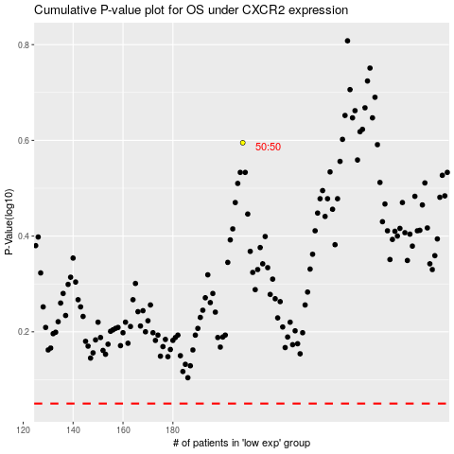

 |  |  |  |  |  | cases_OS | p_OS | rank | exp
 |  |  |  |  |  |  | cases_RFS | p_RFS | rank | exp

